Table p. 1
 | Estimation |  |  |  |  |  |  |  |  |  |  |  |  |  | Date: |  |  | 15/10/2026 / 16:37
 |  |  |  |  |  |  |  |  |  |  |  |  |  |  | Project: |  |  | Birch Hollow

 |  |  |  |  |  |  |  |  |  |  |  |  |  |  |  |  | Person in charge: Estimation data: Directory: |  |  |  |  |  | Administrator CORTIZO - September 2026 QUOTES\B\

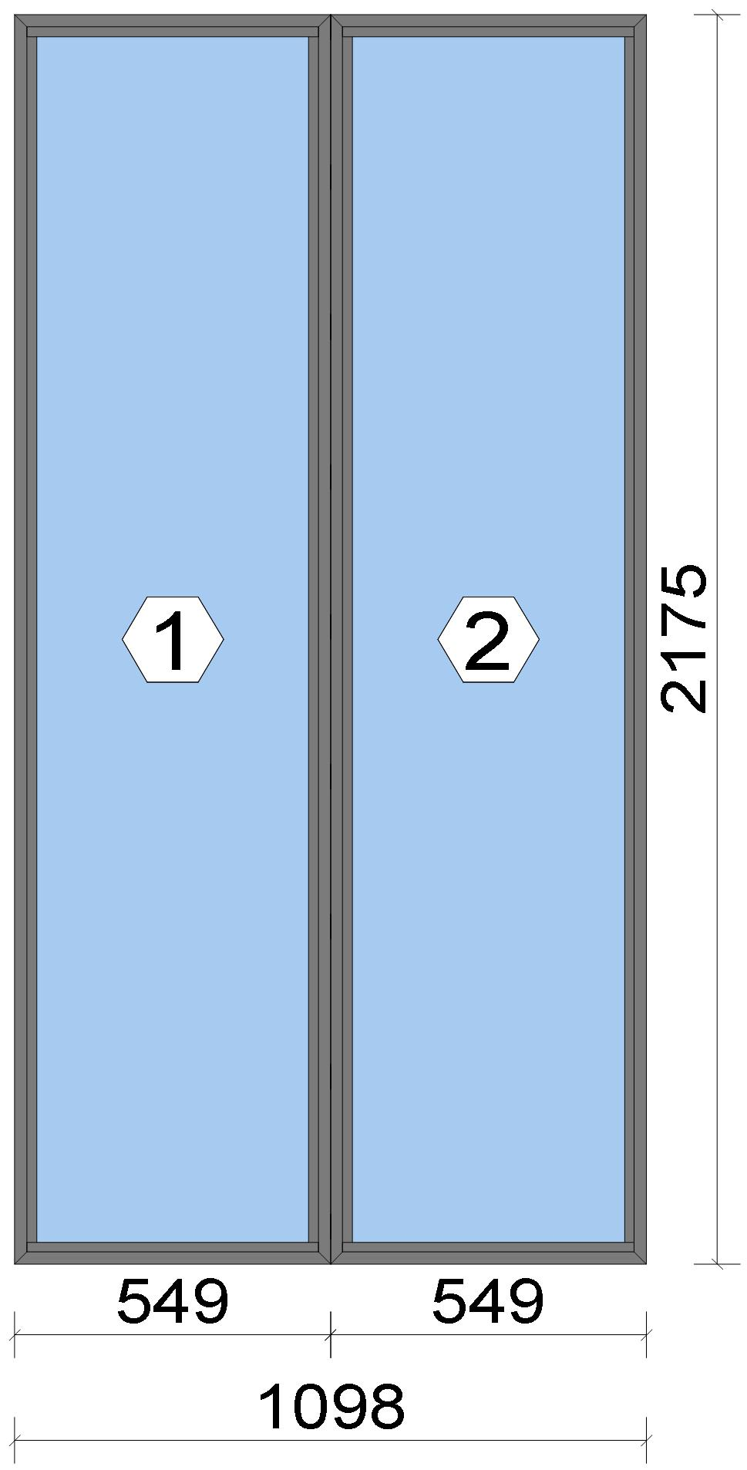 |  |  |  |  |  |  |  |  |  |  |  |  |  |  |  |  | Position: DG.01 Quantity: 1 pcs System: Cortizo CASEMENT Hi PAS 24 Dry Size: 1,098 mm x 2,175 mm Scale: 1: 15 / Exterior view Finish: Special 1 Powder Coating 7037CM Dusty grey Special 1 Powder Coating

Stated quantities refer to one position each.
Profiles
Description |  |  |  |  |  |  |  |  | Finish |  |  |  | Number |  |  |  |  |  | Length [mm] |  |  | Quantity [Pcs.] |  |  |  | Weight [kg] |  |  |  | Price [£]

Window frame HI |  |  |  |  |  |  |  |  | Special 1 Powder Coating 7037CM |  |  |  | 3831 |  |  |  |  |  | 2,175.0 |  |  | 4 |  |  |  | 10.36 |  |  |  | *72.82
Window frame HI |  |  |  |  |  |  |  |  | Special 1 Powder Coating 7037CM |  |  |  | 3831 |  |  |  |  |  | 549.0 |  |  | 4 |  |  |  | 2.62 |  |  |  | *18.38
Total: |  |  |  |  |  |  |  |  |  |  |  |  |  |  |  |  |  |  |  |  |  |  |  |  |  | 12.98 |  |  |  | 91.20
The marked (*) prices include colour/finish.

 |  |  |  |  | Logikal 12.6 - ORGADATA AG , Am Nesseufer 14, 26789 Leer, Germany, +49 491 92782-500
 |  |  |  |  |  |  |  |  |  |  | Page: 1 from 81

 |  |  |  |  | Please check all results for plausibility. We do not take responsibility for any errors.

 | Estimation |  |  |  |  |  |  |  |  |  |  |  |  |  | Date: |  |  | 15/10/2026 / 16:37
 |  |  |  |  |  |  |  |  |  |  |  |  |  |  | Project: |  |  | Birch Hollow

Glazing Beads
Description |  |  |  |  |  |  |  |  | Finish |  |  |  | Number |  |  |  |  |  | Length [mm] |  |  | Quantity [Pcs.] |  |  |  | Weight [kg] |  |  |  | Price [£]

Bead 14 mm |  |  |  |  |  |  |  |  | Special 1 Powder Coating 7037CM |  |  |  | 3811 |  |  |  |  |  | 2,099.0 |  |  | 4 |  |  |  | 1.92 |  |  |  | *9.79
Bead 14 mm |  |  |  |  |  |  |  |  | Special 1 Powder Coating 7037CM |  |  |  | 3811 |  |  |  |  |  | 507.0 |  |  | 4 |  |  |  | 0.46 |  |  |  | *2.36
Total: |  |  |  |  |  |  |  |  |  |  |  |  |  |  |  |  |  |  |  |  |  |  |  |  |  | 2.39 |  |  |  | 12.15

Accessories
Description |  |  |  |  |  |  |  |  |  |  |  |  |  |  |  |  |  |  |  | Number |  |  |  | Quantity |  |  |  |  | Price [£]

Drainage cover |  |  |  |  |  |  |  |  |  |  |  |  |  |  |  |  |  |  |  | 920100 |  |  |  | 4 pc |  |  |  |  | 0.44
Alignment Cleat |  |  |  |  |  |  |  |  |  |  |  |  |  |  |  |  |  |  |  | 296839 |  |  |  | 8 pc |  |  |  |  | 3.67
Circular shaped pin cleat |  |  |  |  |  |  |  |  |  |  |  |  |  |  |  |  |  |  |  | 373802 |  |  |  | 8 pc |  |  |  |  | 3.47
Crimping/screw cleat |  |  |  |  |  |  |  |  |  |  |  |  |  |  |  |  |  |  |  | 373805 |  |  |  | 8 pc |  |  |  |  | 7.00
Screw DIN 965 M4x6 |  |  |  |  |  |  |  |  |  |  |  |  |  |  |  |  |  |  |  | 373810 |  |  |  | 16 pc |  |  |  |  | 0.27
Wedge for 3x44 mm glass |  |  |  |  |  |  |  |  |  |  |  |  |  |  |  |  |  |  |  | 330344 |  |  |  | 16 pc |  |  |  |  | 1.63
Total: |  |  |  |  |  |  |  |  |  |  |  |  |  |  |  |  |  |  |  |  |  |  |  |  |  |  |  |  | 16.49

Gaskets
Description |  |  |  |  |  |  |  |  |  |  |  |  |  |  |  |  |  |  |  | Number |  |  |  | Quantity [m] |  |  |  |  | Price [£]

Glazing outer gasket 3,6 mm |  |  |  |  |  |  |  |  |  |  |  |  |  |  |  |  |  |  |  | 240124 |  |  |  | 10.60 |  |  |  |  | 3.87
Glazing inner gasket 6 mm |  |  |  |  |  |  |  |  |  |  |  |  |  |  |  |  |  |  |  | 240136 |  |  |  | 10.55 |  |  |  |  | 6.45
Insulating foam of 30 mm x 5 mm |  |  |  |  |  |  |  |  |  |  |  |  |  |  |  |  |  |  |  | 320024 |  |  |  | 10.88 |  |  |  |  | 2.96
Total: |  |  |  |  |  |  |  |  |  |  |  |  |  |  |  |  |  |  |  |  |  |  |  |  |  |  |  |  | 13.29

Glass
Description |  |  |  |  |  |  |  |  |  |  |  |  |  | Area [m²] |  |  |  |  |  | Dimension [mm] |  |  |  | Quantity [Pcs.] |  |  |  |  | Price [£]

4mm TG TGH STD, 42 mm |  |  |  |  |  |  |  |  |  |  |  |  |  | 1.06 (1.07) |  |  |  |  |  | 497 x 2,123 |  |  |  | 2 |  |  |  |  | 221.16
Total: |  |  |  |  |  |  |  |  |  |  |  |  |  | 2.11 (2.13) |  |  |  |  |  |  |  |  |  | 2 |  |  |  |  | 221.16

Finish

Description |  |  |  |  |  |  |  |  |  |  |  | Price [£/m²] |  |  |  |  |  |  |  | Quantity [m²] |  |  |  |  |  |  | Total [£]

 |  |  |  |  |  |  |  | Special 1 Powder Coating 7037CM |  |  |  | 3.19 |  |  |  |  |  |  |  | 5.999 |  |  |  |  |  |  | 19.14
Total |  |  |  |  |  |  |  |  |  |  |  |  |  |  |  |  |  |  |  | 5.999 |  |  |  |  |  |  | 19.14

Discount group

Description |  |  |  |  |  |  |  |  |  | Profiles [kg] |  |  |  |  |  | Profiles [£] |  |  |  |  | Accessories [£] |  |  |  |  |  |  | Hardware [£]

Cortizo 1 |  |  |  |  |  |  |  |  |  | 2.392 |  |  |  |  |  | 12.15
Cortizo 2 |  |  |  |  |  |  |  |  |  | 12.983 |  |  |  |  |  | 91.20
Cortizo ACCESORIO |  |  |  |  |  |  |  |  |  |  |  |  |  |  |  |  |  |  |  |  | 29.78
Total: |  |  |  |  |  |  |  |  |  | 15.375 |  |  |  |  |  | 103.36 |  |  |  |  | 29.78

Summary
Description |  |  |  |  |  |  |  |  |  |  |  |  |  |  |  |  |  |  |  |  |  |  |  |  | [£]
Profiles incl. Coating |  |  |  |  |  |  |  |  |  |  |  |  |  |  |  |  |  |  |  |  |  |  |  |  | 103.36
Finish |  |  |  |  |  |  |  |  |  |  |  |  |  |  |  |  |  |  |  |  |  |  |  |  | 19.14
Accessories |  |  |  |  |  |  |  |  |  |  |  |  |  |  |  |  |  |  |  |  |  |  |  |  | 16.49

 |  |  |  |  | Logikal 12.6 - ORGADATA AG , Am Nesseufer 14, 26789 Leer, Germany, +49 491 92782-500
 |  |  |  |  |  |  |  |  |  |  | Page: 2 from 81

 |  |  |  |  | Please check all results for plausibility. We do not take responsibility for any errors.

 | Estimation |  |  |  |  |  |  |  |  |  |  |  |  |  | Date: |  |  | 15/10/2026 / 16:37
 |  |  |  |  |  |  |  |  |  |  |  |  |  |  | Project: |  |  | Birch Hollow

Hardware |  |  |  |  |  |  |  |  |  |  |  |  |  |  |  |  |  |  |  |  |  |  |  |  | 0.00
Gaskets |  |  |  |  |  |  |  |  |  |  |  |  |  |  |  |  |  |  |  |  |  |  |  |  | 13.29
Small materials |  |  |  |  |  |  |  |  |  |  |  |  |  |  |  |  |  |  |  |  |  |  |  |  | 0.00
Total Material |  |  |  |  |  |  |  |  |  |  |  |  |  |  |  |  |  |  |  |  |  |  |  |  | 152.28

Glass |  |  |  |  |  |  |  |  |  |  |  |  |  |  |  |  |  |  |  |  |  |  |  |  | 221.16
Insertion Costs Glass |  |  |  |  |  |  |  |  |  |  |  |  |  |  |  |  |  |  |  |  |  |  |  |  | 0.00
Insertion Costs Panel |  |  |  |  |  |  |  |  |  |  |  |  |  |  |  |  |  |  |  |  |  |  |  |  | 0.00
Total Glass |  |  |  |  |  |  |  |  |  |  |  |  |  |  |  |  |  |  |  |  |  |  |  |  | 221.16

Outer frame corner |  |  |  |  |  |  |  |  |  |  |  |  |  |  |  |  | 60 min @ 25.00 £/h |  |  |  |  |  |  |  | 25.00
Installation |  |  |  |  |  |  |  |  |  |  |  |  |  |  |  |  | 0 min @ 25.00 £/h |  |  |  |  |  |  |  | 0.00
Total Wages |  |  |  |  |  |  |  |  |  |  |  |  |  |  |  |  |  |  |  |  |  |  |  |  | 25.00

Extra costs |  |  |  |  |  |  |  |  |  |  |  |  |  |  |  |  |  |  |  |  |  |  |  |  | 0.00
Net Total |  |  |  |  |  |  |  |  |  |  |  |  |  |  |  |  |  |  |  |  |  |  |  |  | 398.44

Total Costs |  |  |  |  |  |  |  |  |  |  |  |  |  |  |  |  |  |  |  |  |  |  |  |  | 398.44

Profit on material |  |  |  |  |  |  |  |  |  |  |  |  |  |  |  |  | 0.0 % |  |  |  |  |  |  |  | 0.00
Profit on glass purchase |  |  |  |  |  |  |  |  |  |  |  |  |  |  |  |  | 0.0 % |  |  |  |  |  |  |  | 0.00
Profit on wages |  |  |  |  |  |  |  |  |  |  |  |  |  |  |  |  | 0.0 % |  |  |  |  |  |  |  | 0.00
Profit on other costs |  |  |  |  |  |  |  |  |  |  |  |  |  |  |  |  | 0.0 % |  |  |  |  |  |  |  | 0.00
Estimated price |  |  |  |  |  |  |  |  |  |  |  |  |  |  |  |  |  |  |  |  |  |  |  |  | 398.44

Position area: |  |  |  |  |  |  |  |  |  |  |  |  |  |  |  |  |  |  |  |  |  |  |  |  | 2.39 m²
Estimated price / m² |  |  |  |  |  |  |  |  |  |  |  |  |  |  |  |  |  |  |  |  |  |  |  |  | 166.85 £
Weight / Profiles |  |  |  |  |  |  |  |  |  |  |  |  |  |  |  |  |  |  |  |  |  |  |  |  | 17.12 kg
Weight / Glass |  |  |  |  |  |  |  |  |  |  |  |  |  |  |  |  |  |  |  |  |  |  |  |  | 63.31 kg
Weight for estimation |  |  |  |  |  |  |  |  |  |  |  |  |  |  |  |  |  |  |  |  |  |  |  |  | 80.43 kg

 |  |  |  |  | Logikal 12.6 - ORGADATA AG , Am Nesseufer 14, 26789 Leer, Germany, +49 491 92782-500
 |  |  |  |  |  |  |  |  |  |  | Page: 3 from 81

 |  |  |  |  | Please check all results for plausibility. We do not take responsibility for any errors.

 | Estimation |  |  |  |  |  |  |  |  |  |  |  |  |  | Date: |  |  | 15/10/2026 / 16:37
 |  |  |  |  |  |  |  |  |  |  |  |  |  |  | Project: |  |  | Birch Hollow

 |  |  |  |  |  |  |  |  |  |  |  |  |  |  |  |  | Person in charge: Estimation data: Directory: |  |  |  |  |  | Administrator CORTIZO - September 2026 QUOTES\B\

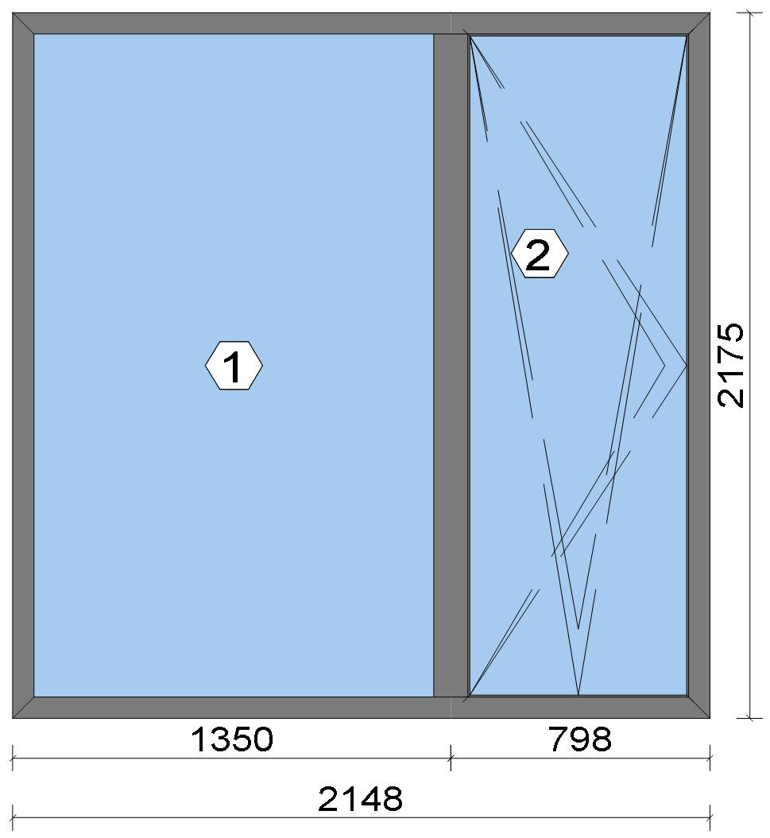
 |  |  |  |  |  |  |  |  |  |  |  |  |  |  |  |  | Position: DG.02 Quantity: 1 pcs System: Cortizo COR 70 HO HI HI + Gasket Outside Size: 2,148 mm x 2,175 mm Scale: 1: 28 / Exterior view Finish: Special 1 Powder Coating 7037CM Dusty grey Special 1 Powder Coating
Stated quantities refer to one position each.
Profiles
Description |  |  |  |  |  |  |  |  | Finish |  |  |  | Number |  |  |  |  |  | Length [mm] |  |  | Quantity [Pcs.] |  |  |  | Weight [kg] |  |  |  | Price [£]

46 mm window sash |  |  |  |  |  |  |  |  | Special 1 Powder Coating 7037CM |  |  |  | 7906 |  |  |  |  |  | 2,132.0 |  |  | 2 |  |  |  | 5.55 |  |  |  | *36.84
46 mm window sash |  |  |  |  |  |  |  |  | Special 1 Powder Coating 7037CM |  |  |  | 7906 |  |  |  |  |  | 768.6 |  |  | 2 |  |  |  | 2.00 |  |  |  | *13.28
Hidden Sash frame HI |  |  |  |  |  |  |  |  | Special 1 Powder Coating 7037CM |  |  |  | 7910 |  |  |  |  |  | 2,175.0 |  |  | 2 |  |  |  | 5.95 |  |  |  | *41.44
Hidden Sash frame HI |  |  |  |  |  |  |  |  | Special 1 Powder Coating 7037CM |  |  |  | 7910 |  |  |  |  |  | 2,148.0 |  |  | 2 |  |  |  | 5.88 |  |  |  | *40.93
Hidden sash symmetrical transom HI |  |  |  |  |  |  |  |  | Special 1 Powder Coating 7037CM |  |  |  | 8182 |  |  |  |  |  | 2,129.6 |  |  | 1 |  |  |  | 3.50 |  |  |  | *24.12
Total: |  |  |  |  |  |  |  |  |  |  |  |  |  |  |  |  |  |  |  |  |  |  |  |  |  | 22.88 |  |  |  | 156.60
The marked (*) prices include colour/finish.

Glazing Beads
Description |  |  |  |  |  |  |  |  | Finish |  |  |  | Number |  |  |  |  |  | Length [mm] |  |  | Quantity [Pcs.] |  |  |  | Weight [kg] |  |  |  | Price [£]

18 mm beading for fixed part - Hidden Sash |  |  |  |  |  |  |  |  | Special 1 Powder Coating 7037CM |  |  |  | 7098 |  |  |  |  |  | 2,049.8 |  |  | 2 |  |  |  | 1.69 |  |  |  | *8.60

 |  |  |  |  | Logikal 12.6 - ORGADATA AG , Am Nesseufer 14, 26789 Leer, Germany, +49 491 92782-500
 |  |  |  |  |  |  |  |  |  |  | Page: 4 from 81

 |  |  |  |  | Please check all results for plausibility. We do not take responsibility for any errors.

 | Estimation |  |  |  |  |  |  |  |  |  |  |  |  |  | Date: |  |  | 15/10/2026 / 16:37
 |  |  |  |  |  |  |  |  |  |  |  |  |  |  | Project: |  |  | Birch Hollow

Description |  |  |  |  |  |  |  |  | Finish |  |  |  | Number |  |  |  |  |  | Length [mm] |  |  | Quantity [Pcs.] |  |  |  | Weight [kg] |  |  |  | Price [£]

18 mm beading for fixed part - Hidden Sash |  |  |  |  |  |  |  |  | Special 1 Powder Coating 7037CM |  |  |  | 7098 |  |  |  |  |  | 1,309.2 |  |  | 2 |  |  |  | 1.08 |  |  |  | *5.49
Hidden sash outside beading - Black |  |  |  |  |  |  |  |  | gris |  |  |  | 7188 |  |  |  |  |  | 2,074.6 |  |  | 2 |  |  |  | 0.62 |  |  |  | *7.34
Hidden sash outside beading - Black |  |  |  |  |  |  |  |  | gris |  |  |  | 7188 |  |  |  |  |  | 711.2 |  |  | 2 |  |  |  | 0.21 |  |  |  | *2.51
Total: |  |  |  |  |  |  |  |  |  |  |  |  |  |  |  |  |  |  |  |  |  |  |  |  |  | 3.61 |  |  |  | 23.95

Accessories
Description |  |  |  |  |  |  |  |  |  |  |  |  |  |  |  |  |  |  |  | Number |  |  |  | Quantity |  |  |  |  | Price [£]

Alignment cleat |  |  |  |  |  |  |  |  |  |  |  |  |  |  |  |  |  |  |  | 287311 |  |  |  | 4 pc |  |  |  |  | 2.07
Round teton cleat |  |  |  |  |  |  |  |  |  |  |  |  |  |  |  |  |  |  |  | 327921 |  |  |  | 8 pc |  |  |  |  | 4.83
Mechanical cleat |  |  |  |  |  |  |  |  |  |  |  |  |  |  |  |  |  |  |  | 347922 |  |  |  | 4 pc |  |  |  |  | 2.38
HI central gasket vulcanised angle |  |  |  |  |  |  |  |  |  |  |  |  |  |  |  |  |  |  |  | 407900 |  |  |  | 4 pc |  |  |  |  | 3.23
T-joint alignment cleat |  |  |  |  |  |  |  |  |  |  |  |  |  |  |  |  |  |  |  | 408150 |  |  |  | 4 pc |  |  |  |  | 1.73
Transom joint for COR-8181 |  |  |  |  |  |  |  |  |  |  |  |  |  |  |  |  |  |  |  | 418181 |  |  |  | 2 pc |  |  |  |  | 1.14
Drainage cover |  |  |  |  |  |  |  |  |  |  |  |  |  |  |  |  |  |  |  | 920104 |  |  |  | 5 pc |  |  |  |  | 0.72
Fixed light glazing wedge |  |  |  |  |  |  |  |  |  |  |  |  |  |  |  |  |  |  |  | 407980 |  |  |  | 4 pc |  |  |  |  | 1.90
Alignment Cleat |  |  |  |  |  |  |  |  |  |  |  |  |  |  |  |  |  |  |  | 217003 |  |  |  | 4 pc |  |  |  |  | 0.71
Injection cleat |  |  |  |  |  |  |  |  |  |  |  |  |  |  |  |  |  |  |  | 248220 |  |  |  | 4 pc |  |  |  |  | 2.38
Cor-7906 sash wedge |  |  |  |  |  |  |  |  |  |  |  |  |  |  |  |  |  |  |  | 347906 |  |  |  | 6 pc |  |  |  |  | 5.46
Total: |  |  |  |  |  |  |  |  |  |  |  |  |  |  |  |  |  |  |  |  |  |  |  |  |  |  |  |  | 26.56

Hardware
Description |  |  |  |  |  |  |  |  |  |  |  |  |  |  |  |  |  |  |  | Number |  |  |  | Quantity |  |  |  |  | Price [£]

Edge handles SKG with key |  |  |  |  |  |  |  |  |  |  |  |  |  |  |  |  |  |  |  | 432067 |  |  |  | 1 pc |  |  |  |  | 21.84
100 mm plastic connection rod with 50 mm notching / Above Handle |  |  |  |  |  |  |  |  |  |  |  |  |  |  |  |  |  |  |  | 432301 |  |  |  | 1 pc |  |  |  |  | 0.73
100 mm plastic connection rod with 50 mm notching / Below Handle |  |  |  |  |  |  |  |  |  |  |  |  |  |  |  |  |  |  |  | 432301 |  |  |  | 1 pc |  |  |  |  | 0.73
150 mm plastic connection rod with 50 mm notching / Top Rail |  |  |  |  |  |  |  |  |  |  |  |  |  |  |  |  |  |  |  | 432303 |  |  |  | 1 pc |  |  |  |  | 0.87
365 mm plastic connecting rod with 50 mm notching / Below Handle |  |  |  |  |  |  |  |  |  |  |  |  |  |  |  |  |  |  |  | 432310 |  |  |  | 2 pc |  |  |  |  | 2.52
365 mm plastic connecting rod with 50 mm notching / Below Handle |  |  |  |  |  |  |  |  |  |  |  |  |  |  |  |  |  |  |  | 432310 |  |  |  | 1 pc |  |  |  |  | 1.26
365 mm plastic connecting rod with 50 mm notching / hinge side |  |  |  |  |  |  |  |  |  |  |  |  |  |  |  |  |  |  |  | 432310 |  |  |  | 4 pc |  |  |  |  | 5.03
365 mm plastic connecting rod with 50 mm notching / Above Handle |  |  |  |  |  |  |  |  |  |  |  |  |  |  |  |  |  |  |  | 432310 |  |  |  | 1 pc |  |  |  |  | 1.26
Frame strike / Below Handle |  |  |  |  |  |  |  |  |  |  |  |  |  |  |  |  |  |  |  | 432316 |  |  |  | 1 pc |  |  |  |  | 1.11
Frame strike / Corner Handle Side Top |  |  |  |  |  |  |  |  |  |  |  |  |  |  |  |  |  |  |  | 432316 |  |  |  | 1 pc |  |  |  |  | 1.11
Frame strike / hinge side |  |  |  |  |  |  |  |  |  |  |  |  |  |  |  |  |  |  |  | 432316 |  |  |  | 1 pc |  |  |  |  | 1.11
Frame strike / hinge side |  |  |  |  |  |  |  |  |  |  |  |  |  |  |  |  |  |  |  | 432316 |  |  |  | 1 pc |  |  |  |  | 1.11
Frame strike / Above Handle |  |  |  |  |  |  |  |  |  |  |  |  |  |  |  |  |  |  |  | 432316 |  |  |  | 1 pc |  |  |  |  | 1.11
Large stay Invision Go concealed hinges set (Fb=671-1300) Le / Top Rail |  |  |  |  |  |  |  |  |  |  |  |  |  |  |  |  |  |  |  | 432322 |  |  |  | 1 pc |  |  |  |  | 36.33
Corner drive and additional locking point kit / Corner Hinge Side Top |  |  |  |  |  |  |  |  |  |  |  |  |  |  |  |  |  |  |  | 432331 |  |  |  | 1 pc |  |  |  |  | 6.21
Tilt and turn base set / Handle side |  |  |  |  |  |  |  |  |  |  |  |  |  |  |  |  |  |  |  | 432332 |  |  |  | 1 pc |  |  |  |  | 10.07
Transmission box |  |  |  |  |  |  |  |  |  |  |  |  |  |  |  |  |  |  |  | 432345 |  |  |  | 1 pc |  |  |  |  | 9.84
Total: |  |  |  |  |  |  |  |  |  |  |  |  |  |  |  |  |  |  |  |  |  |  |  |  |  |  |  |  | 102.26

 |  |  |  |  | Logikal 12.6 - ORGADATA AG , Am Nesseufer 14, 26789 Leer, Germany, +49 491 92782-500
 |  |  |  |  |  |  |  |  |  |  | Page: 5 from 81

 |  |  |  |  | Please check all results for plausibility. We do not take responsibility for any errors.

 | Estimation |  |  |  |  |  |  |  |  |  |  |  |  |  | Date: |  |  | 15/10/2026 / 16:37
 |  |  |  |  |  |  |  |  |  |  |  |  |  |  | Project: |  |  | Birch Hollow

Gaskets
Description |  |  |  |  |  |  |  |  |  |  |  |  |  |  |  |  |  |  |  | Number |  |  |  | Quantity [m] |  |  |  |  | Price [£]

Insulating foam of 40 mm x 5 mm |  |  |  |  |  |  |  |  |  |  |  |  |  |  |  |  |  |  |  | 320023 |  |  |  | 8.91 |  |  |  |  | 3.94
Joint central HI |  |  |  |  |  |  |  |  |  |  |  |  |  |  |  |  |  |  |  | 407901 |  |  |  | 5.93 |  |  |  |  | 9.52
Glazing outer gasket 3,6 mm |  |  |  |  |  |  |  |  |  |  |  |  |  |  |  |  |  |  |  | 240124 |  |  |  | 6.75 |  |  |  |  | 2.47
Glazing inner gasket 4 mm |  |  |  |  |  |  |  |  |  |  |  |  |  |  |  |  |  |  |  | 240135 |  |  |  | 6.77 |  |  |  |  | 3.45
45 mm x 10 mm isolation foam |  |  |  |  |  |  |  |  |  |  |  |  |  |  |  |  |  |  |  | 334616 |  |  |  | 13.84 |  |  |  |  | 9.76
Inner gasket |  |  |  |  |  |  |  |  |  |  |  |  |  |  |  |  |  |  |  | 223010 |  |  |  | 5.98 |  |  |  |  | 1.83
Outer gasket |  |  |  |  |  |  |  |  |  |  |  |  |  |  |  |  |  |  |  | 237202 |  |  |  | 5.56 |  |  |  |  | 0.99
35 x 3 mm isolation foam |  |  |  |  |  |  |  |  |  |  |  |  |  |  |  |  |  |  |  | 343503 |  |  |  | 5.74 |  |  |  |  | 0.68
Frame groove cap gasket |  |  |  |  |  |  |  |  |  |  |  |  |  |  |  |  |  |  |  | 455740 |  |  |  | 5.98 |  |  |  |  | 1.98
Total: |  |  |  |  |  |  |  |  |  |  |  |  |  |  |  |  |  |  |  |  |  |  |  |  |  |  |  |  | 34.63

Glass
Description |  |  |  |  |  |  |  |  |  |  |  |  |  | Area [m²] |  |  |  |  |  | Dimension [mm] |  |  |  | Quantity [Pcs.] |  |  |  |  | Price [£]

4mm TG TGH STD, 40 mm |  |  |  |  |  |  |  |  |  |  |  |  |  | 2.63 (2.64) |  |  |  |  |  | 1,266 x 2,078 |  |  |  | 1 |  |  |  |  | 274.28
4mm TG TGH STD, 40 mm |  |  |  |  |  |  |  |  |  |  |  |  |  | 1.42 (1.44) |  |  |  |  |  | 691 x 2,055 |  |  |  | 1 |  |  |  |  | 149.72
Total: |  |  |  |  |  |  |  |  |  |  |  |  |  | 4.05 (4.08) |  |  |  |  |  |  |  |  |  | 2 |  |  |  |  | 424.00

Finish

Description |  |  |  |  |  |  |  |  |  |  |  | Price [£/m²] |  |  |  |  |  |  |  | Quantity [m²] |  |  |  |  |  |  | Total [£]

 |  |  |  |  |  |  |  | Special 1 Powder Coating 7037CM |  |  |  | 3.19 |  |  |  |  |  |  |  | 9.832 |  |  |  |  |  |  | 31.36
Total |  |  |  |  |  |  |  |  |  |  |  |  |  |  |  |  |  |  |  | 9.832 |  |  |  |  |  |  | 31.36

Discount group

Description |  |  |  |  |  |  |  |  |  | Profiles [kg] |  |  |  |  |  | Profiles [£] |  |  |  |  | Accessories [£] |  |  |  |  |  |  | Hardware [£]

Cortizo 1 |  |  |  |  |  |  |  |  |  | 2.775 |  |  |  |  |  | 14.10
Cortizo 2 |  |  |  |  |  |  |  |  |  | 22.884 |  |  |  |  |  | 156.60
Cortizo ACCESORIO |  |  |  |  |  |  |  |  |  |  |  |  |  |  |  |  |  |  |  |  | 61.19 |  |  |  |  |  |  | 102.26
Cortizo PROFILE |  |  |  |  |  |  |  |  |  |  |  |  |  |  |  | 9.85
Total: |  |  |  |  |  |  |  |  |  | 25.659 |  |  |  |  |  | 180.55 |  |  |  |  | 61.19 |  |  |  |  |  |  | 102.26

Summary
Description |  |  |  |  |  |  |  |  |  |  |  |  |  |  |  |  |  |  |  |  |  |  |  |  | [£]
Profiles incl. Coating |  |  |  |  |  |  |  |  |  |  |  |  |  |  |  |  |  |  |  |  |  |  |  |  | 180.55
Finish |  |  |  |  |  |  |  |  |  |  |  |  |  |  |  |  |  |  |  |  |  |  |  |  | 31.36
Accessories |  |  |  |  |  |  |  |  |  |  |  |  |  |  |  |  |  |  |  |  |  |  |  |  | 26.56
Hardware |  |  |  |  |  |  |  |  |  |  |  |  |  |  |  |  |  |  |  |  |  |  |  |  | 102.26
Gaskets |  |  |  |  |  |  |  |  |  |  |  |  |  |  |  |  |  |  |  |  |  |  |  |  | 34.63
Small materials |  |  |  |  |  |  |  |  |  |  |  |  |  |  |  |  |  |  |  |  |  |  |  |  | 0.00
Total Material |  |  |  |  |  |  |  |  |  |  |  |  |  |  |  |  |  |  |  |  |  |  |  |  | 375.36

Glass |  |  |  |  |  |  |  |  |  |  |  |  |  |  |  |  |  |  |  |  |  |  |  |  | 424.00
Insertion Costs Glass |  |  |  |  |  |  |  |  |  |  |  |  |  |  |  |  |  |  |  |  |  |  |  |  | 0.00
Insertion Costs Panel |  |  |  |  |  |  |  |  |  |  |  |  |  |  |  |  |  |  |  |  |  |  |  |  | 0.00
Total Glass |  |  |  |  |  |  |  |  |  |  |  |  |  |  |  |  |  |  |  |  |  |  |  |  | 424.00

Outer frame corner |  |  |  |  |  |  |  |  |  |  |  |  |  |  |  |  | 100 min @ 25.00 £/h |  |  |  |  |  |  |  | 41.67
Sash Corners |  |  |  |  |  |  |  |  |  |  |  |  |  |  |  |  | 172 min @ 25.00 £/h |  |  |  |  |  |  |  | 71.67
T-Junction |  |  |  |  |  |  |  |  |  |  |  |  |  |  |  |  | 90 min @ 25.00 £/h |  |  |  |  |  |  |  | 37.50
Installation |  |  |  |  |  |  |  |  |  |  |  |  |  |  |  |  | 0 min @ 25.00 £/h |  |  |  |  |  |  |  | 0.00

 |  |  |  |  | Logikal 12.6 - ORGADATA AG , Am Nesseufer 14, 26789 Leer, Germany, +49 491 92782-500
 |  |  |  |  |  |  |  |  |  |  | Page: 6 from 81

 |  |  |  |  | Please check all results for plausibility. We do not take responsibility for any errors.

 | Estimation |  |  |  |  |  |  |  |  |  |  |  |  |  | Date: |  |  | 15/10/2026 / 16:37
 |  |  |  |  |  |  |  |  |  |  |  |  |  |  | Project: |  |  | Birch Hollow

Total Wages |  |  |  |  |  |  |  |  |  |  |  |  |  |  |  |  |  |  |  |  |  |  |  |  | 150.84

Extra costs |  |  |  |  |  |  |  |  |  |  |  |  |  |  |  |  |  |  |  |  |  |  |  |  | 0.00
Net Total |  |  |  |  |  |  |  |  |  |  |  |  |  |  |  |  |  |  |  |  |  |  |  |  | 950.20

Total Costs |  |  |  |  |  |  |  |  |  |  |  |  |  |  |  |  |  |  |  |  |  |  |  |  | 950.20

Profit on material |  |  |  |  |  |  |  |  |  |  |  |  |  |  |  |  | 0.0 % |  |  |  |  |  |  |  | 0.00
Profit on glass purchase |  |  |  |  |  |  |  |  |  |  |  |  |  |  |  |  | 0.0 % |  |  |  |  |  |  |  | 0.00
Profit on wages |  |  |  |  |  |  |  |  |  |  |  |  |  |  |  |  | 0.0 % |  |  |  |  |  |  |  | 0.00
Profit on other costs |  |  |  |  |  |  |  |  |  |  |  |  |  |  |  |  | 0.0 % |  |  |  |  |  |  |  | 0.00
Estimated price |  |  |  |  |  |  |  |  |  |  |  |  |  |  |  |  |  |  |  |  |  |  |  |  | 950.20

Position area: |  |  |  |  |  |  |  |  |  |  |  |  |  |  |  |  |  |  |  |  |  |  |  |  | 4.67 m²
Estimated price / m² |  |  |  |  |  |  |  |  |  |  |  |  |  |  |  |  |  |  |  |  |  |  |  |  | 203.38 £
Weight / Profiles |  |  |  |  |  |  |  |  |  |  |  |  |  |  |  |  |  |  |  |  |  |  |  |  | 29.84 kg
Weight / Glass |  |  |  |  |  |  |  |  |  |  |  |  |  |  |  |  |  |  |  |  |  |  |  |  | 121.54 kg
Weight for estimation |  |  |  |  |  |  |  |  |  |  |  |  |  |  |  |  |  |  |  |  |  |  |  |  | 151.39 kg

 |  |  |  |  | Logikal 12.6 - ORGADATA AG , Am Nesseufer 14, 26789 Leer, Germany, +49 491 92782-500
 |  |  |  |  |  |  |  |  |  |  | Page: 7 from 81

 |  |  |  |  | Please check all results for plausibility. We do not take responsibility for any errors.

 | Estimation |  |  |  |  |  |  |  |  |  |  |  |  |  | Date: |  |  | 15/10/2026 / 16:37
 |  |  |  |  |  |  |  |  |  |  |  |  |  |  | Project: |  |  | Birch Hollow

 |  |  |  |  |  |  |  |  |  |  |  |  |  |  |  |  | Person in charge: Estimation data: Directory: |  |  |  |  |  | Administrator CORTIZO - September 2026 QUOTES\B\

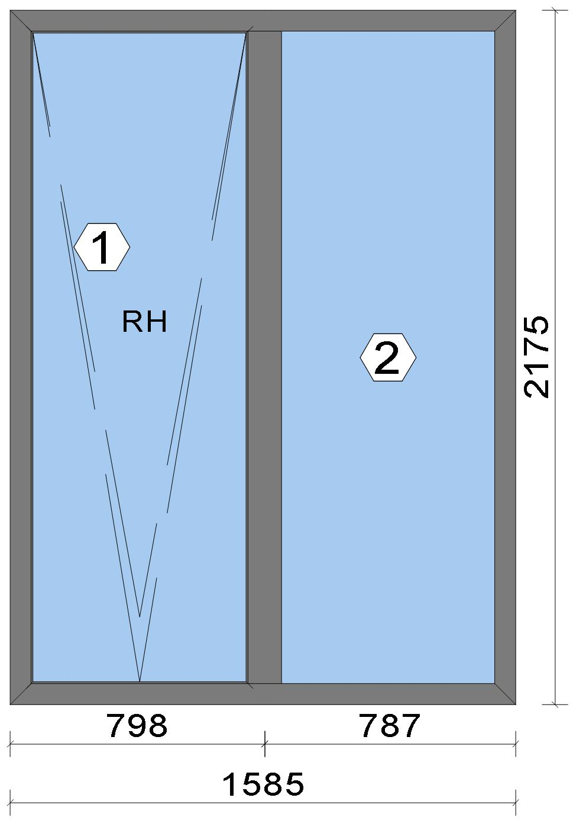
 |  |  |  |  |  |  |  |  |  |  |  |  |  |  |  |  | Position: DG.03 Quantity: 1 pcs System: Cortizo COR 70 HO HI HI + Gasket Outside Size: 1,585 mm x 2,175 mm Scale: 1: 21 / Exterior view Finish: Special 1 Powder Coating 7037CM Dusty grey Special 1 Powder Coating
Stated quantities refer to one position each.

Warning!:

The current height is greater than the maximum allowed height (1800 mm) of the sash profile!

Profiles
Description |  |  |  |  |  |  |  |  | Finish |  |  |  | Number |  |  |  |  |  | Length [mm] |  |  | Quantity [Pcs.] |  |  |  | Weight [kg] |  |  |  | Price [£]

46 mm window sash |  |  |  |  |  |  |  |  | Special 1 Powder Coating 7037CM |  |  |  | 7906 |  |  |  |  |  | 2,132.0 |  |  | 2 |  |  |  | 5.55 |  |  |  | *36.84
46 mm window sash |  |  |  |  |  |  |  |  | Special 1 Powder Coating 7037CM |  |  |  | 7906 |  |  |  |  |  | 768.6 |  |  | 2 |  |  |  | 2.00 |  |  |  | *13.28
Hidden Sash frame HI |  |  |  |  |  |  |  |  | Special 1 Powder Coating 7037CM |  |  |  | 7910 |  |  |  |  |  | 2,175.0 |  |  | 2 |  |  |  | 5.95 |  |  |  | *41.44
Hidden Sash frame HI |  |  |  |  |  |  |  |  | Special 1 Powder Coating 7037CM |  |  |  | 7910 |  |  |  |  |  | 1,585.0 |  |  | 2 |  |  |  | 4.34 |  |  |  | *30.20
Hidden sash symmetrical transom HI |  |  |  |  |  |  |  |  | Special 1 Powder Coating 7037CM |  |  |  | 8182 |  |  |  |  |  | 2,129.6 |  |  | 1 |  |  |  | 3.50 |  |  |  | *24.12
Total: |  |  |  |  |  |  |  |  |  |  |  |  |  |  |  |  |  |  |  |  |  |  |  |  |  | 21.34 |  |  |  | 145.88

 |  |  |  |  | Logikal 12.6 - ORGADATA AG , Am Nesseufer 14, 26789 Leer, Germany, +49 491 92782-500
 |  |  |  |  |  |  |  |  |  |  | Page: 8 from 81

 |  |  |  |  | Please check all results for plausibility. We do not take responsibility for any errors.

 | Estimation |  |  |  |  |  |  |  |  |  |  |  |  |  | Date: |  |  | 15/10/2026 / 16:37
 |  |  |  |  |  |  |  |  |  |  |  |  |  |  | Project: |  |  | Birch Hollow

Description |  |  |  |  |  |  |  |  | Finish |  |  |  | Number |  |  |  |  |  | Length [mm] |  |  | Quantity [Pcs.] |  |  |  | Weight [kg] |  |  |  | Price [£]

The marked (*) prices include colour/finish.

Glazing Beads
Description |  |  |  |  |  |  |  |  | Finish |  |  |  | Number |  |  |  |  |  | Length [mm] |  |  | Quantity [Pcs.] |  |  |  | Weight [kg] |  |  |  | Price [£]

Hidden sash outside beading - Black |  |  |  |  |  |  |  |  | gris |  |  |  | 7188 |  |  |  |  |  | 2,074.6 |  |  | 2 |  |  |  | 0.62 |  |  |  | *7.34
Hidden sash outside beading - Black |  |  |  |  |  |  |  |  | gris |  |  |  | 7188 |  |  |  |  |  | 711.2 |  |  | 2 |  |  |  | 0.21 |  |  |  | *2.51
18 mm beading for fixed part - Hidden Sash |  |  |  |  |  |  |  |  | Special 1 Powder Coating 7037CM |  |  |  | 7098 |  |  |  |  |  | 2,049.8 |  |  | 2 |  |  |  | 1.69 |  |  |  | *8.60
18 mm beading for fixed part - Hidden Sash |  |  |  |  |  |  |  |  | Special 1 Powder Coating 7037CM |  |  |  | 7098 |  |  |  |  |  | 746.2 |  |  | 2 |  |  |  | 0.62 |  |  |  | *3.13
Total: |  |  |  |  |  |  |  |  |  |  |  |  |  |  |  |  |  |  |  |  |  |  |  |  |  | 3.15 |  |  |  | 21.59

Accessories
Description |  |  |  |  |  |  |  |  |  |  |  |  |  |  |  |  |  |  |  | Number |  |  |  | Quantity |  |  |  |  | Price [£]

Alignment cleat |  |  |  |  |  |  |  |  |  |  |  |  |  |  |  |  |  |  |  | 287311 |  |  |  | 4 pc |  |  |  |  | 2.07
Round teton cleat |  |  |  |  |  |  |  |  |  |  |  |  |  |  |  |  |  |  |  | 327921 |  |  |  | 8 pc |  |  |  |  | 4.83
Mechanical cleat |  |  |  |  |  |  |  |  |  |  |  |  |  |  |  |  |  |  |  | 347922 |  |  |  | 4 pc |  |  |  |  | 2.38
HI central gasket vulcanised angle |  |  |  |  |  |  |  |  |  |  |  |  |  |  |  |  |  |  |  | 407900 |  |  |  | 4 pc |  |  |  |  | 3.23
T-joint alignment cleat |  |  |  |  |  |  |  |  |  |  |  |  |  |  |  |  |  |  |  | 408150 |  |  |  | 4 pc |  |  |  |  | 1.73
Transom joint for COR-8181 |  |  |  |  |  |  |  |  |  |  |  |  |  |  |  |  |  |  |  | 418181 |  |  |  | 2 pc |  |  |  |  | 1.14
Drainage cover |  |  |  |  |  |  |  |  |  |  |  |  |  |  |  |  |  |  |  | 920104 |  |  |  | 4 pc |  |  |  |  | 0.58
Alignment Cleat |  |  |  |  |  |  |  |  |  |  |  |  |  |  |  |  |  |  |  | 217003 |  |  |  | 4 pc |  |  |  |  | 0.71
Injection cleat |  |  |  |  |  |  |  |  |  |  |  |  |  |  |  |  |  |  |  | 248220 |  |  |  | 4 pc |  |  |  |  | 2.38
Cor-7906 sash wedge |  |  |  |  |  |  |  |  |  |  |  |  |  |  |  |  |  |  |  | 347906 |  |  |  | 8 pc |  |  |  |  | 7.28
Fixed light glazing wedge |  |  |  |  |  |  |  |  |  |  |  |  |  |  |  |  |  |  |  | 407980 |  |  |  | 4 pc |  |  |  |  | 1.90
Total: |  |  |  |  |  |  |  |  |  |  |  |  |  |  |  |  |  |  |  |  |  |  |  |  |  |  |  |  | 28.24

Hardware
Description |  |  |  |  |  |  |  |  |  |  |  |  |  |  |  |  |  |  |  | Number |  |  |  | Quantity |  |  |  |  | Price [£]

Tilt restrictor friction stay |  |  |  |  |  |  |  |  |  |  |  |  |  |  |  |  |  |  |  | 432034 |  |  |  | 1 pc |  |  |  |  | 10.52
Edge handles SKG with key |  |  |  |  |  |  |  |  |  |  |  |  |  |  |  |  |  |  |  | 432067 |  |  |  | 1 pc |  |  |  |  | 21.84
90 kg tilt concealed hinges set / Bottom Rail |  |  |  |  |  |  |  |  |  |  |  |  |  |  |  |  |  |  |  | 432152 |  |  |  | 1 pc |  |  |  |  | 38.02
Base set with vertically fitted handle with asti slam shut |  |  |  |  |  |  |  |  |  |  |  |  |  |  |  |  |  |  |  | 432193 |  |  |  | 1 pc |  |  |  |  | 25.89
100 mm plastic connection rod with 50 mm notching / Above Handle |  |  |  |  |  |  |  |  |  |  |  |  |  |  |  |  |  |  |  | 432301 |  |  |  | 1 pc |  |  |  |  | 0.73
100 mm plastic connection rod with 50 mm notching / Below Handle |  |  |  |  |  |  |  |  |  |  |  |  |  |  |  |  |  |  |  | 432301 |  |  |  | 1 pc |  |  |  |  | 0.73
150 mm plastic connection rod with 50 mm notching / Top Rail |  |  |  |  |  |  |  |  |  |  |  |  |  |  |  |  |  |  |  | 432303 |  |  |  | 1 pc |  |  |  |  | 0.87
160 mm plastic connection rod with 50 mm notching / Top Rail |  |  |  |  |  |  |  |  |  |  |  |  |  |  |  |  |  |  |  | 432304 |  |  |  | 1 pc |  |  |  |  | 0.94
365 mm plastic connecting rod with 50 mm notching / Below Handle |  |  |  |  |  |  |  |  |  |  |  |  |  |  |  |  |  |  |  | 432310 |  |  |  | 1 pc |  |  |  |  | 1.26
365 mm plastic connecting rod with 50 mm notching / Lateral |  |  |  |  |  |  |  |  |  |  |  |  |  |  |  |  |  |  |  | 432310 |  |  |  | 4 pc |  |  |  |  | 5.03
365 mm plastic connecting rod with 50 mm notching / Above Handle |  |  |  |  |  |  |  |  |  |  |  |  |  |  |  |  |  |  |  | 432310 |  |  |  | 1 pc |  |  |  |  | 1.26
365 mm plastic connecting rod with 50 mm notching / Below Handle |  |  |  |  |  |  |  |  |  |  |  |  |  |  |  |  |  |  |  | 432310 |  |  |  | 2 pc |  |  |  |  | 2.52

 |  |  |  |  | Logikal 12.6 - ORGADATA AG , Am Nesseufer 14, 26789 Leer, Germany, +49 491 92782-500
 |  |  |  |  |  |  |  |  |  |  | Page: 9 from 81

 |  |  |  |  | Please check all results for plausibility. We do not take responsibility for any errors.

 | Estimation |  |  |  |  |  |  |  |  |  |  |  |  |  | Date: |  |  | 15/10/2026 / 16:37
 |  |  |  |  |  |  |  |  |  |  |  |  |  |  | Project: |  |  | Birch Hollow

Description |  |  |  |  |  |  |  |  |  |  |  |  |  |  |  |  |  |  |  | Number |  |  |  | Quantity |  |  |  |  | Price [£]

Frame strike / Top Rail |  |  |  |  |  |  |  |  |  |  |  |  |  |  |  |  |  |  |  | 432316 |  |  |  | 1 pc |  |  |  |  | 1.11
Frame strike / Top Rail |  |  |  |  |  |  |  |  |  |  |  |  |  |  |  |  |  |  |  | 432316 |  |  |  | 1 pc |  |  |  |  | 1.11
Frame strike / Top Rail |  |  |  |  |  |  |  |  |  |  |  |  |  |  |  |  |  |  |  | 432316 |  |  |  | 1 pc |  |  |  |  | 1.11
Frame strike / Top Rail |  |  |  |  |  |  |  |  |  |  |  |  |  |  |  |  |  |  |  | 432316 |  |  |  | 1 pc |  |  |  |  | 1.11
Frame strike / Top Rail |  |  |  |  |  |  |  |  |  |  |  |  |  |  |  |  |  |  |  | 432316 |  |  |  | 1 pc |  |  |  |  | 1.11
Frame strike / Top Rail |  |  |  |  |  |  |  |  |  |  |  |  |  |  |  |  |  |  |  | 432316 |  |  |  | 1 pc |  |  |  |  | 1.11
Transmission box |  |  |  |  |  |  |  |  |  |  |  |  |  |  |  |  |  |  |  | 432345 |  |  |  | 1 pc |  |  |  |  | 9.84
Total: |  |  |  |  |  |  |  |  |  |  |  |  |  |  |  |  |  |  |  |  |  |  |  |  |  |  |  |  | 126.12

Gaskets
Description |  |  |  |  |  |  |  |  |  |  |  |  |  |  |  |  |  |  |  | Number |  |  |  | Quantity [m] |  |  |  |  | Price [£]

Insulating foam of 40 mm x 5 mm |  |  |  |  |  |  |  |  |  |  |  |  |  |  |  |  |  |  |  | 320023 |  |  |  | 7.75 |  |  |  |  | 3.42
Joint central HI |  |  |  |  |  |  |  |  |  |  |  |  |  |  |  |  |  |  |  | 407901 |  |  |  | 5.93 |  |  |  |  | 9.52
Inner gasket |  |  |  |  |  |  |  |  |  |  |  |  |  |  |  |  |  |  |  | 223010 |  |  |  | 5.98 |  |  |  |  | 1.83
Outer gasket |  |  |  |  |  |  |  |  |  |  |  |  |  |  |  |  |  |  |  | 237202 |  |  |  | 5.56 |  |  |  |  | 0.99
35 x 3 mm isolation foam |  |  |  |  |  |  |  |  |  |  |  |  |  |  |  |  |  |  |  | 343503 |  |  |  | 5.74 |  |  |  |  | 0.68
Frame groove cap gasket |  |  |  |  |  |  |  |  |  |  |  |  |  |  |  |  |  |  |  | 455740 |  |  |  | 5.98 |  |  |  |  | 1.98
Glazing outer gasket 3,6 mm |  |  |  |  |  |  |  |  |  |  |  |  |  |  |  |  |  |  |  | 240124 |  |  |  | 5.59 |  |  |  |  | 2.04
Glazing inner gasket 4 mm |  |  |  |  |  |  |  |  |  |  |  |  |  |  |  |  |  |  |  | 240135 |  |  |  | 5.61 |  |  |  |  | 2.86
45 mm x 10 mm isolation foam |  |  |  |  |  |  |  |  |  |  |  |  |  |  |  |  |  |  |  | 334616 |  |  |  | 11.52 |  |  |  |  | 8.13
Total: |  |  |  |  |  |  |  |  |  |  |  |  |  |  |  |  |  |  |  |  |  |  |  |  |  |  |  |  | 31.46

Glass
Description |  |  |  |  |  |  |  |  |  |  |  |  |  | Area [m²] |  |  |  |  |  | Dimension [mm] |  |  |  | Quantity [Pcs.] |  |  |  |  | Price [£]

4mm TG TGH STD, 40 mm |  |  |  |  |  |  |  |  |  |  |  |  |  | 1.42 (1.44) |  |  |  |  |  | 691 x 2,055 |  |  |  | 1 |  |  |  |  | 149.72
4mm TG TGH STD, 40 mm |  |  |  |  |  |  |  |  |  |  |  |  |  | 1.46 (1.48) |  |  |  |  |  | 703 x 2,078 |  |  |  | 1 |  |  |  |  | 153.34
Total: |  |  |  |  |  |  |  |  |  |  |  |  |  | 2.88 (2.92) |  |  |  |  |  |  |  |  |  | 2 |  |  |  |  | 303.06

Finish

Description |  |  |  |  |  |  |  |  |  |  |  | Price [£/m²] |  |  |  |  |  |  |  | Quantity [m²] |  |  |  |  |  |  | Total [£]

 |  |  |  |  |  |  |  | Special 1 Powder Coating 7037CM |  |  |  | 3.19 |  |  |  |  |  |  |  | 8.990 |  |  |  |  |  |  | 28.68
Total |  |  |  |  |  |  |  |  |  |  |  |  |  |  |  |  |  |  |  | 8.990 |  |  |  |  |  |  | 28.68

Discount group

Description |  |  |  |  |  |  |  |  |  | Profiles [kg] |  |  |  |  |  | Profiles [£] |  |  |  |  | Accessories [£] |  |  |  |  |  |  | Hardware [£]

Cortizo 1 |  |  |  |  |  |  |  |  |  | 2.310 |  |  |  |  |  | 11.74
Cortizo 2 |  |  |  |  |  |  |  |  |  | 21.343 |  |  |  |  |  | 145.88
Cortizo ACCESORIO |  |  |  |  |  |  |  |  |  |  |  |  |  |  |  |  |  |  |  |  | 59.70 |  |  |  |  |  |  | 126.12
Cortizo PROFILE |  |  |  |  |  |  |  |  |  |  |  |  |  |  |  | 9.85
Total: |  |  |  |  |  |  |  |  |  | 23.653 |  |  |  |  |  | 167.46 |  |  |  |  | 59.70 |  |  |  |  |  |  | 126.12

Summary
Description |  |  |  |  |  |  |  |  |  |  |  |  |  |  |  |  |  |  |  |  |  |  |  |  | [£]
Profiles incl. Coating |  |  |  |  |  |  |  |  |  |  |  |  |  |  |  |  |  |  |  |  |  |  |  |  | 167.46
Finish |  |  |  |  |  |  |  |  |  |  |  |  |  |  |  |  |  |  |  |  |  |  |  |  | 28.68
Accessories |  |  |  |  |  |  |  |  |  |  |  |  |  |  |  |  |  |  |  |  |  |  |  |  | 28.24
Hardware |  |  |  |  |  |  |  |  |  |  |  |  |  |  |  |  |  |  |  |  |  |  |  |  | 126.12
Gaskets |  |  |  |  |  |  |  |  |  |  |  |  |  |  |  |  |  |  |  |  |  |  |  |  | 31.46
Small materials |  |  |  |  |  |  |  |  |  |  |  |  |  |  |  |  |  |  |  |  |  |  |  |  | 0.00

 |  |  |  |  | Logikal 12.6 - ORGADATA AG , Am Nesseufer 14, 26789 Leer, Germany, +49 491 92782-500
 |  |  |  |  |  |  |  |  |  |  | Page: 10 from 81

 |  |  |  |  | Please check all results for plausibility. We do not take responsibility for any errors.

 | Estimation |  |  |  |  |  |  |  |  |  |  |  |  |  | Date: |  |  | 15/10/2026 / 16:37
 |  |  |  |  |  |  |  |  |  |  |  |  |  |  | Project: |  |  | Birch Hollow

Total Material |  |  |  |  |  |  |  |  |  |  |  |  |  |  |  |  |  |  |  |  |  |  |  |  | 381.96

Glass |  |  |  |  |  |  |  |  |  |  |  |  |  |  |  |  |  |  |  |  |  |  |  |  | 303.06
Insertion Costs Glass |  |  |  |  |  |  |  |  |  |  |  |  |  |  |  |  |  |  |  |  |  |  |  |  | 0.00
Insertion Costs Panel |  |  |  |  |  |  |  |  |  |  |  |  |  |  |  |  |  |  |  |  |  |  |  |  | 0.00
Total Glass |  |  |  |  |  |  |  |  |  |  |  |  |  |  |  |  |  |  |  |  |  |  |  |  | 303.06

Outer frame corner |  |  |  |  |  |  |  |  |  |  |  |  |  |  |  |  | 100 min @ 25.00 £/h |  |  |  |  |  |  |  | 41.67
Sash Corners |  |  |  |  |  |  |  |  |  |  |  |  |  |  |  |  | 172 min @ 25.00 £/h |  |  |  |  |  |  |  | 71.67
T-Junction |  |  |  |  |  |  |  |  |  |  |  |  |  |  |  |  | 90 min @ 25.00 £/h |  |  |  |  |  |  |  | 37.50
Installation |  |  |  |  |  |  |  |  |  |  |  |  |  |  |  |  | 0 min @ 25.00 £/h |  |  |  |  |  |  |  | 0.00
Total Wages |  |  |  |  |  |  |  |  |  |  |  |  |  |  |  |  |  |  |  |  |  |  |  |  | 150.84

Extra costs |  |  |  |  |  |  |  |  |  |  |  |  |  |  |  |  |  |  |  |  |  |  |  |  | 0.00
Net Total |  |  |  |  |  |  |  |  |  |  |  |  |  |  |  |  |  |  |  |  |  |  |  |  | 835.86

Total Costs |  |  |  |  |  |  |  |  |  |  |  |  |  |  |  |  |  |  |  |  |  |  |  |  | 835.86

Profit on material |  |  |  |  |  |  |  |  |  |  |  |  |  |  |  |  | 0.0 % |  |  |  |  |  |  |  | 0.00
Profit on glass purchase |  |  |  |  |  |  |  |  |  |  |  |  |  |  |  |  | 0.0 % |  |  |  |  |  |  |  | 0.00
Profit on wages |  |  |  |  |  |  |  |  |  |  |  |  |  |  |  |  | 0.0 % |  |  |  |  |  |  |  | 0.00
Profit on other costs |  |  |  |  |  |  |  |  |  |  |  |  |  |  |  |  | 0.0 % |  |  |  |  |  |  |  | 0.00
Estimated price |  |  |  |  |  |  |  |  |  |  |  |  |  |  |  |  |  |  |  |  |  |  |  |  | 835.86

Position area: |  |  |  |  |  |  |  |  |  |  |  |  |  |  |  |  |  |  |  |  |  |  |  |  | 3.45 m²
Estimated price / m² |  |  |  |  |  |  |  |  |  |  |  |  |  |  |  |  |  |  |  |  |  |  |  |  | 242.49 £
Weight / Profiles |  |  |  |  |  |  |  |  |  |  |  |  |  |  |  |  |  |  |  |  |  |  |  |  | 27.60 kg
Weight / Glass |  |  |  |  |  |  |  |  |  |  |  |  |  |  |  |  |  |  |  |  |  |  |  |  | 86.45 kg
Weight for estimation |  |  |  |  |  |  |  |  |  |  |  |  |  |  |  |  |  |  |  |  |  |  |  |  | 114.05 kg

Note |  |  |  |  |  |  | While calculating this position the following facts were discovered which may cause a slightly too high or too low estimation result.

> |  | Hardware of at least one insertion does not fulfil all conditions. Please check selected hardware.

 |  |  |  |  | Logikal 12.6 - ORGADATA AG , Am Nesseufer 14, 26789 Leer, Germany, +49 491 92782-500
 |  |  |  |  |  |  |  |  |  |  | Page: 11 from 81

 |  |  |  |  | Please check all results for plausibility. We do not take responsibility for any errors.

 | Estimation |  |  |  |  |  |  |  |  |  |  |  |  |  | Date: |  |  | 15/10/2026 / 16:37
 |  |  |  |  |  |  |  |  |  |  |  |  |  |  | Project: |  |  | Birch Hollow

 |  |  |  |  |  |  |  |  |  |  |  |  |  |  |  |  | Person in charge: Estimation data: Directory: |  |  |  |  |  | Administrator CORTIZO - September 2026 QUOTES\B\

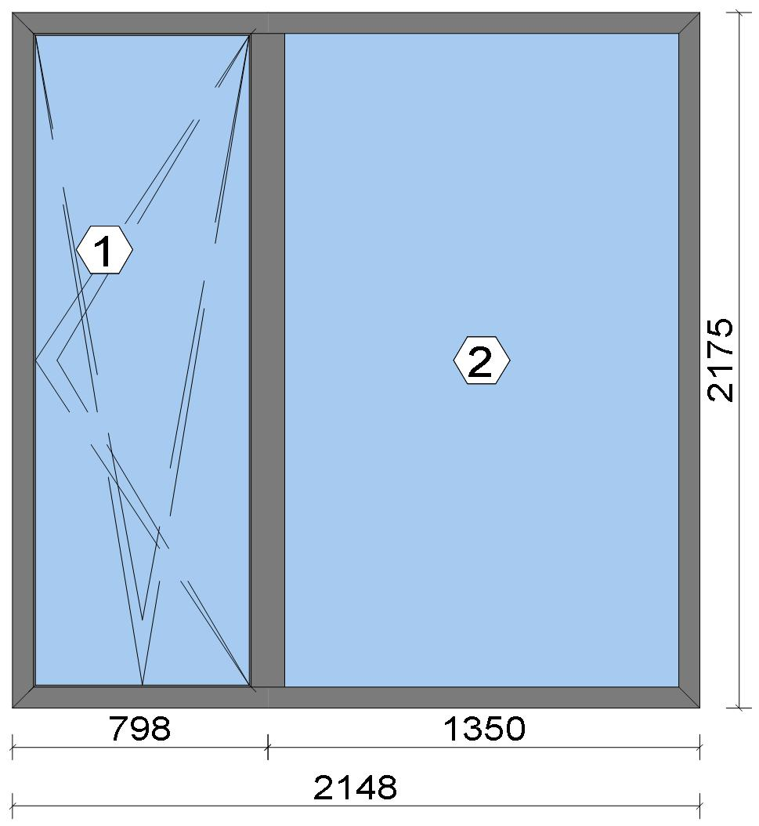
 |  |  |  |  |  |  |  |  |  |  |  |  |  |  |  |  | Position: DG.04 Quantity: 1 pcs System: Cortizo COR 70 HO HI HI + Gasket Outside Size: 2,148 mm x 2,175 mm Scale: 1: 28 / Exterior view Finish: Special 1 Powder Coating 7037CM Dusty grey Special 1 Powder Coating
Stated quantities refer to one position each.
Profiles
Description |  |  |  |  |  |  |  |  | Finish |  |  |  | Number |  |  |  |  |  | Length [mm] |  |  | Quantity [Pcs.] |  |  |  | Weight [kg] |  |  |  | Price [£]

46 mm window sash |  |  |  |  |  |  |  |  | Special 1 Powder Coating 7037CM |  |  |  | 7906 |  |  |  |  |  | 2,132.0 |  |  | 2 |  |  |  | 5.55 |  |  |  | *36.84
46 mm window sash |  |  |  |  |  |  |  |  | Special 1 Powder Coating 7037CM |  |  |  | 7906 |  |  |  |  |  | 768.6 |  |  | 2 |  |  |  | 2.00 |  |  |  | *13.28
Hidden Sash frame HI |  |  |  |  |  |  |  |  | Special 1 Powder Coating 7037CM |  |  |  | 7910 |  |  |  |  |  | 2,175.0 |  |  | 2 |  |  |  | 5.95 |  |  |  | *41.44
Hidden Sash frame HI |  |  |  |  |  |  |  |  | Special 1 Powder Coating 7037CM |  |  |  | 7910 |  |  |  |  |  | 2,148.0 |  |  | 2 |  |  |  | 5.88 |  |  |  | *40.93
Hidden sash symmetrical transom HI |  |  |  |  |  |  |  |  | Special 1 Powder Coating 7037CM |  |  |  | 8182 |  |  |  |  |  | 2,129.6 |  |  | 1 |  |  |  | 3.50 |  |  |  | *24.12
Total: |  |  |  |  |  |  |  |  |  |  |  |  |  |  |  |  |  |  |  |  |  |  |  |  |  | 22.88 |  |  |  | 156.60
The marked (*) prices include colour/finish.

Glazing Beads
Description |  |  |  |  |  |  |  |  | Finish |  |  |  | Number |  |  |  |  |  | Length [mm] |  |  | Quantity [Pcs.] |  |  |  | Weight [kg] |  |  |  | Price [£]

Hidden sash outside beading - Black |  |  |  |  |  |  |  |  | gris |  |  |  | 7188 |  |  |  |  |  | 2,074.6 |  |  | 2 |  |  |  | 0.62 |  |  |  | *7.34
Hidden sash outside beading - Black |  |  |  |  |  |  |  |  | gris |  |  |  | 7188 |  |  |  |  |  | 711.2 |  |  | 2 |  |  |  | 0.21 |  |  |  | *2.51

 |  |  |  |  | Logikal 12.6 - ORGADATA AG , Am Nesseufer 14, 26789 Leer, Germany, +49 491 92782-500
 |  |  |  |  |  |  |  |  |  |  | Page: 12 from 81

 |  |  |  |  | Please check all results for plausibility. We do not take responsibility for any errors.

 | Estimation |  |  |  |  |  |  |  |  |  |  |  |  |  | Date: |  |  | 15/10/2026 / 16:37
 |  |  |  |  |  |  |  |  |  |  |  |  |  |  | Project: |  |  | Birch Hollow

Description |  |  |  |  |  |  |  |  | Finish |  |  |  | Number |  |  |  |  |  | Length [mm] |  |  | Quantity [Pcs.] |  |  |  | Weight [kg] |  |  |  | Price [£]

18 mm beading for fixed part - Hidden Sash |  |  |  |  |  |  |  |  | Special 1 Powder Coating 7037CM |  |  |  | 7098 |  |  |  |  |  | 2,049.8 |  |  | 2 |  |  |  | 1.69 |  |  |  | *8.60
18 mm beading for fixed part - Hidden Sash |  |  |  |  |  |  |  |  | Special 1 Powder Coating 7037CM |  |  |  | 7098 |  |  |  |  |  | 1,309.2 |  |  | 2 |  |  |  | 1.08 |  |  |  | *5.49
Total: |  |  |  |  |  |  |  |  |  |  |  |  |  |  |  |  |  |  |  |  |  |  |  |  |  | 3.61 |  |  |  | 23.95

Accessories
Description |  |  |  |  |  |  |  |  |  |  |  |  |  |  |  |  |  |  |  | Number |  |  |  | Quantity |  |  |  |  | Price [£]

Alignment cleat |  |  |  |  |  |  |  |  |  |  |  |  |  |  |  |  |  |  |  | 287311 |  |  |  | 4 pc |  |  |  |  | 2.07
Round teton cleat |  |  |  |  |  |  |  |  |  |  |  |  |  |  |  |  |  |  |  | 327921 |  |  |  | 8 pc |  |  |  |  | 4.83
Mechanical cleat |  |  |  |  |  |  |  |  |  |  |  |  |  |  |  |  |  |  |  | 347922 |  |  |  | 4 pc |  |  |  |  | 2.38
HI central gasket vulcanised angle |  |  |  |  |  |  |  |  |  |  |  |  |  |  |  |  |  |  |  | 407900 |  |  |  | 4 pc |  |  |  |  | 3.23
T-joint alignment cleat |  |  |  |  |  |  |  |  |  |  |  |  |  |  |  |  |  |  |  | 408150 |  |  |  | 4 pc |  |  |  |  | 1.73
Transom joint for COR-8181 |  |  |  |  |  |  |  |  |  |  |  |  |  |  |  |  |  |  |  | 418181 |  |  |  | 2 pc |  |  |  |  | 1.14
Drainage cover |  |  |  |  |  |  |  |  |  |  |  |  |  |  |  |  |  |  |  | 920104 |  |  |  | 5 pc |  |  |  |  | 0.72
Alignment Cleat |  |  |  |  |  |  |  |  |  |  |  |  |  |  |  |  |  |  |  | 217003 |  |  |  | 4 pc |  |  |  |  | 0.71
Injection cleat |  |  |  |  |  |  |  |  |  |  |  |  |  |  |  |  |  |  |  | 248220 |  |  |  | 4 pc |  |  |  |  | 2.38
Cor-7906 sash wedge |  |  |  |  |  |  |  |  |  |  |  |  |  |  |  |  |  |  |  | 347906 |  |  |  | 6 pc |  |  |  |  | 5.46
Fixed light glazing wedge |  |  |  |  |  |  |  |  |  |  |  |  |  |  |  |  |  |  |  | 407980 |  |  |  | 4 pc |  |  |  |  | 1.90
Total: |  |  |  |  |  |  |  |  |  |  |  |  |  |  |  |  |  |  |  |  |  |  |  |  |  |  |  |  | 26.56

Hardware
Description |  |  |  |  |  |  |  |  |  |  |  |  |  |  |  |  |  |  |  | Number |  |  |  | Quantity |  |  |  |  | Price [£]

Edge handles SKG with key |  |  |  |  |  |  |  |  |  |  |  |  |  |  |  |  |  |  |  | 432067 |  |  |  | 1 pc |  |  |  |  | 21.84
100 mm plastic connection rod with 50 mm notching / Above Handle |  |  |  |  |  |  |  |  |  |  |  |  |  |  |  |  |  |  |  | 432301 |  |  |  | 1 pc |  |  |  |  | 0.73
100 mm plastic connection rod with 50 mm notching / Below Handle |  |  |  |  |  |  |  |  |  |  |  |  |  |  |  |  |  |  |  | 432301 |  |  |  | 1 pc |  |  |  |  | 0.73
150 mm plastic connection rod with 50 mm notching / Top Rail |  |  |  |  |  |  |  |  |  |  |  |  |  |  |  |  |  |  |  | 432303 |  |  |  | 1 pc |  |  |  |  | 0.87
365 mm plastic connecting rod with 50 mm notching / hinge side |  |  |  |  |  |  |  |  |  |  |  |  |  |  |  |  |  |  |  | 432310 |  |  |  | 4 pc |  |  |  |  | 5.03
365 mm plastic connecting rod with 50 mm notching / Below Handle |  |  |  |  |  |  |  |  |  |  |  |  |  |  |  |  |  |  |  | 432310 |  |  |  | 2 pc |  |  |  |  | 2.52
365 mm plastic connecting rod with 50 mm notching / Below Handle |  |  |  |  |  |  |  |  |  |  |  |  |  |  |  |  |  |  |  | 432310 |  |  |  | 1 pc |  |  |  |  | 1.26
365 mm plastic connecting rod with 50 mm notching / Above Handle |  |  |  |  |  |  |  |  |  |  |  |  |  |  |  |  |  |  |  | 432310 |  |  |  | 1 pc |  |  |  |  | 1.26
Frame strike / Corner Handle Side Top |  |  |  |  |  |  |  |  |  |  |  |  |  |  |  |  |  |  |  | 432316 |  |  |  | 1 pc |  |  |  |  | 1.11
Frame strike / Above Handle |  |  |  |  |  |  |  |  |  |  |  |  |  |  |  |  |  |  |  | 432316 |  |  |  | 1 pc |  |  |  |  | 1.11
Frame strike / Below Handle |  |  |  |  |  |  |  |  |  |  |  |  |  |  |  |  |  |  |  | 432316 |  |  |  | 1 pc |  |  |  |  | 1.11
Frame strike / hinge side |  |  |  |  |  |  |  |  |  |  |  |  |  |  |  |  |  |  |  | 432316 |  |  |  | 1 pc |  |  |  |  | 1.11
Frame strike / hinge side |  |  |  |  |  |  |  |  |  |  |  |  |  |  |  |  |  |  |  | 432316 |  |  |  | 1 pc |  |  |  |  | 1.11
Large stay Invision Go concealed hinges set (Fb=671-1300) Ri / Top Rail |  |  |  |  |  |  |  |  |  |  |  |  |  |  |  |  |  |  |  | 432321 |  |  |  | 1 pc |  |  |  |  | 36.33
Corner drive and additional locking point kit / Corner Hinge Side Top |  |  |  |  |  |  |  |  |  |  |  |  |  |  |  |  |  |  |  | 432331 |  |  |  | 1 pc |  |  |  |  | 6.21
Tilt and turn base set / Handle side |  |  |  |  |  |  |  |  |  |  |  |  |  |  |  |  |  |  |  | 432332 |  |  |  | 1 pc |  |  |  |  | 10.07
Transmission box |  |  |  |  |  |  |  |  |  |  |  |  |  |  |  |  |  |  |  | 432345 |  |  |  | 1 pc |  |  |  |  | 9.84
Total: |  |  |  |  |  |  |  |  |  |  |  |  |  |  |  |  |  |  |  |  |  |  |  |  |  |  |  |  | 102.26

 |  |  |  |  | Logikal 12.6 - ORGADATA AG , Am Nesseufer 14, 26789 Leer, Germany, +49 491 92782-500
 |  |  |  |  |  |  |  |  |  |  | Page: 13 from 81

 |  |  |  |  | Please check all results for plausibility. We do not take responsibility for any errors.

 | Estimation |  |  |  |  |  |  |  |  |  |  |  |  |  | Date: |  |  | 15/10/2026 / 16:37
 |  |  |  |  |  |  |  |  |  |  |  |  |  |  | Project: |  |  | Birch Hollow

Gaskets
Description |  |  |  |  |  |  |  |  |  |  |  |  |  |  |  |  |  |  |  | Number |  |  |  | Quantity [m] |  |  |  |  | Price [£]

Insulating foam of 40 mm x 5 mm |  |  |  |  |  |  |  |  |  |  |  |  |  |  |  |  |  |  |  | 320023 |  |  |  | 8.91 |  |  |  |  | 3.94
Joint central HI |  |  |  |  |  |  |  |  |  |  |  |  |  |  |  |  |  |  |  | 407901 |  |  |  | 5.93 |  |  |  |  | 9.52
Inner gasket |  |  |  |  |  |  |  |  |  |  |  |  |  |  |  |  |  |  |  | 223010 |  |  |  | 5.98 |  |  |  |  | 1.83
Outer gasket |  |  |  |  |  |  |  |  |  |  |  |  |  |  |  |  |  |  |  | 237202 |  |  |  | 5.56 |  |  |  |  | 0.99
35 x 3 mm isolation foam |  |  |  |  |  |  |  |  |  |  |  |  |  |  |  |  |  |  |  | 343503 |  |  |  | 5.74 |  |  |  |  | 0.68
Frame groove cap gasket |  |  |  |  |  |  |  |  |  |  |  |  |  |  |  |  |  |  |  | 455740 |  |  |  | 5.98 |  |  |  |  | 1.98
Glazing outer gasket 3,6 mm |  |  |  |  |  |  |  |  |  |  |  |  |  |  |  |  |  |  |  | 240124 |  |  |  | 6.75 |  |  |  |  | 2.47
Glazing inner gasket 4 mm |  |  |  |  |  |  |  |  |  |  |  |  |  |  |  |  |  |  |  | 240135 |  |  |  | 6.77 |  |  |  |  | 3.45
45 mm x 10 mm isolation foam |  |  |  |  |  |  |  |  |  |  |  |  |  |  |  |  |  |  |  | 334616 |  |  |  | 13.84 |  |  |  |  | 9.76
Total: |  |  |  |  |  |  |  |  |  |  |  |  |  |  |  |  |  |  |  |  |  |  |  |  |  |  |  |  | 34.63

Glass
Description |  |  |  |  |  |  |  |  |  |  |  |  |  | Area [m²] |  |  |  |  |  | Dimension [mm] |  |  |  | Quantity [Pcs.] |  |  |  |  | Price [£]

4mm TG TGH STD, 40 mm |  |  |  |  |  |  |  |  |  |  |  |  |  | 1.42 (1.44) |  |  |  |  |  | 691 x 2,055 |  |  |  | 1 |  |  |  |  | 149.72
4mm TG TGH STD, 40 mm |  |  |  |  |  |  |  |  |  |  |  |  |  | 2.63 (2.64) |  |  |  |  |  | 1,266 x 2,078 |  |  |  | 1 |  |  |  |  | 274.28
Total: |  |  |  |  |  |  |  |  |  |  |  |  |  | 4.05 (4.08) |  |  |  |  |  |  |  |  |  | 2 |  |  |  |  | 424.00

Finish

Description |  |  |  |  |  |  |  |  |  |  |  | Price [£/m²] |  |  |  |  |  |  |  | Quantity [m²] |  |  |  |  |  |  | Total [£]

 |  |  |  |  |  |  |  | Special 1 Powder Coating 7037CM |  |  |  | 3.19 |  |  |  |  |  |  |  | 9.832 |  |  |  |  |  |  | 31.36
Total |  |  |  |  |  |  |  |  |  |  |  |  |  |  |  |  |  |  |  | 9.832 |  |  |  |  |  |  | 31.36

Discount group

Description |  |  |  |  |  |  |  |  |  | Profiles [kg] |  |  |  |  |  | Profiles [£] |  |  |  |  | Accessories [£] |  |  |  |  |  |  | Hardware [£]

Cortizo 1 |  |  |  |  |  |  |  |  |  | 2.775 |  |  |  |  |  | 14.10
Cortizo 2 |  |  |  |  |  |  |  |  |  | 22.884 |  |  |  |  |  | 156.60
Cortizo ACCESORIO |  |  |  |  |  |  |  |  |  |  |  |  |  |  |  |  |  |  |  |  | 61.19 |  |  |  |  |  |  | 102.26
Cortizo PROFILE |  |  |  |  |  |  |  |  |  |  |  |  |  |  |  | 9.85
Total: |  |  |  |  |  |  |  |  |  | 25.659 |  |  |  |  |  | 180.55 |  |  |  |  | 61.19 |  |  |  |  |  |  | 102.26

Summary
Description |  |  |  |  |  |  |  |  |  |  |  |  |  |  |  |  |  |  |  |  |  |  |  |  | [£]
Profiles incl. Coating |  |  |  |  |  |  |  |  |  |  |  |  |  |  |  |  |  |  |  |  |  |  |  |  | 180.55
Finish |  |  |  |  |  |  |  |  |  |  |  |  |  |  |  |  |  |  |  |  |  |  |  |  | 31.36
Accessories |  |  |  |  |  |  |  |  |  |  |  |  |  |  |  |  |  |  |  |  |  |  |  |  | 26.56
Hardware |  |  |  |  |  |  |  |  |  |  |  |  |  |  |  |  |  |  |  |  |  |  |  |  | 102.26
Gaskets |  |  |  |  |  |  |  |  |  |  |  |  |  |  |  |  |  |  |  |  |  |  |  |  | 34.63
Small materials |  |  |  |  |  |  |  |  |  |  |  |  |  |  |  |  |  |  |  |  |  |  |  |  | 0.00
Total Material |  |  |  |  |  |  |  |  |  |  |  |  |  |  |  |  |  |  |  |  |  |  |  |  | 375.36

Glass |  |  |  |  |  |  |  |  |  |  |  |  |  |  |  |  |  |  |  |  |  |  |  |  | 424.00
Insertion Costs Glass |  |  |  |  |  |  |  |  |  |  |  |  |  |  |  |  |  |  |  |  |  |  |  |  | 0.00
Insertion Costs Panel |  |  |  |  |  |  |  |  |  |  |  |  |  |  |  |  |  |  |  |  |  |  |  |  | 0.00
Total Glass |  |  |  |  |  |  |  |  |  |  |  |  |  |  |  |  |  |  |  |  |  |  |  |  | 424.00

Outer frame corner |  |  |  |  |  |  |  |  |  |  |  |  |  |  |  |  | 100 min @ 25.00 £/h |  |  |  |  |  |  |  | 41.67
Sash Corners |  |  |  |  |  |  |  |  |  |  |  |  |  |  |  |  | 172 min @ 25.00 £/h |  |  |  |  |  |  |  | 71.67
T-Junction |  |  |  |  |  |  |  |  |  |  |  |  |  |  |  |  | 90 min @ 25.00 £/h |  |  |  |  |  |  |  | 37.50
Installation |  |  |  |  |  |  |  |  |  |  |  |  |  |  |  |  | 0 min @ 25.00 £/h |  |  |  |  |  |  |  | 0.00

 |  |  |  |  | Logikal 12.6 - ORGADATA AG , Am Nesseufer 14, 26789 Leer, Germany, +49 491 92782-500
 |  |  |  |  |  |  |  |  |  |  | Page: 14 from 81

 |  |  |  |  | Please check all results for plausibility. We do not take responsibility for any errors.

 | Estimation |  |  |  |  |  |  |  |  |  |  |  |  |  | Date: |  |  | 15/10/2026 / 16:37
 |  |  |  |  |  |  |  |  |  |  |  |  |  |  | Project: |  |  | Birch Hollow

Total Wages |  |  |  |  |  |  |  |  |  |  |  |  |  |  |  |  |  |  |  |  |  |  |  |  | 150.84

Extra costs |  |  |  |  |  |  |  |  |  |  |  |  |  |  |  |  |  |  |  |  |  |  |  |  | 0.00
Net Total |  |  |  |  |  |  |  |  |  |  |  |  |  |  |  |  |  |  |  |  |  |  |  |  | 950.20

Total Costs |  |  |  |  |  |  |  |  |  |  |  |  |  |  |  |  |  |  |  |  |  |  |  |  | 950.20

Profit on material |  |  |  |  |  |  |  |  |  |  |  |  |  |  |  |  | 0.0 % |  |  |  |  |  |  |  | 0.00
Profit on glass purchase |  |  |  |  |  |  |  |  |  |  |  |  |  |  |  |  | 0.0 % |  |  |  |  |  |  |  | 0.00
Profit on wages |  |  |  |  |  |  |  |  |  |  |  |  |  |  |  |  | 0.0 % |  |  |  |  |  |  |  | 0.00
Profit on other costs |  |  |  |  |  |  |  |  |  |  |  |  |  |  |  |  | 0.0 % |  |  |  |  |  |  |  | 0.00
Estimated price |  |  |  |  |  |  |  |  |  |  |  |  |  |  |  |  |  |  |  |  |  |  |  |  | 950.20

Position area: |  |  |  |  |  |  |  |  |  |  |  |  |  |  |  |  |  |  |  |  |  |  |  |  | 4.67 m²
Estimated price / m² |  |  |  |  |  |  |  |  |  |  |  |  |  |  |  |  |  |  |  |  |  |  |  |  | 203.38 £
Weight / Profiles |  |  |  |  |  |  |  |  |  |  |  |  |  |  |  |  |  |  |  |  |  |  |  |  | 29.84 kg
Weight / Glass |  |  |  |  |  |  |  |  |  |  |  |  |  |  |  |  |  |  |  |  |  |  |  |  | 121.54 kg
Weight for estimation |  |  |  |  |  |  |  |  |  |  |  |  |  |  |  |  |  |  |  |  |  |  |  |  | 151.39 kg

 |  |  |  |  | Logikal 12.6 - ORGADATA AG , Am Nesseufer 14, 26789 Leer, Germany, +49 491 92782-500
 |  |  |  |  |  |  |  |  |  |  | Page: 15 from 81

 |  |  |  |  | Please check all results for plausibility. We do not take responsibility for any errors.

 | Estimation |  |  |  |  |  |  |  |  |  |  |  |  |  | Date: |  |  | 15/10/2026 / 16:37
 |  |  |  |  |  |  |  |  |  |  |  |  |  |  | Project: |  |  | Birch Hollow

 |  |  |  |  |  |  |  |  |  |  |  |  |  |  |  |  | Person in charge: Estimation data: Directory: |  |  |  |  |  | Administrator CORTIZO - September 2026 QUOTES\B\

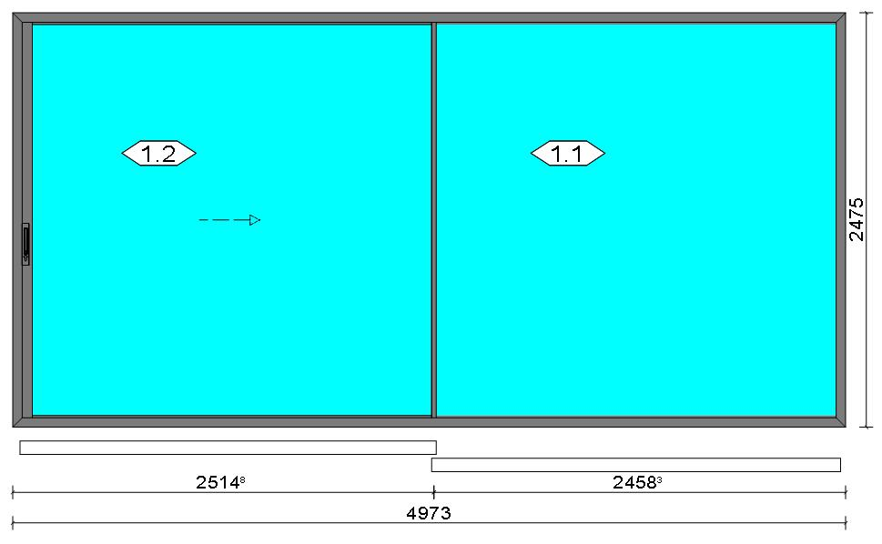
 |  |  |  |  |  |  |  |  |  |  |  |  |  |  |  |  | Position: DG.05 Quantity: 1 pcs System: Cortizo VISION PLUS [New] Standard Frame - HI Manual Standard PVC Size: 4,973 mm x 2,475 mm Scale: 1: 63 / Exterior view Finish: Special 1 Powder Coating 7037CM Dusty grey Special 1 Powder Coating
Stated quantities refer to one position each.
Profiles
Description |  |  |  |  |  |  |  |  | Finish |  |  |  | Number |  |  |  |  |  | Length [mm] |  |  | Quantity [Pcs.] |  |  |  | Weight [kg] |  |  |  | Price [£]

Channel cover |  |  |  |  |  |  |  |  | Lacado standard 9011CM |  |  |  | 15919 |  |  |  |  |  | 2,361.0 |  |  | 2 |  |  |  | 0.34 |  |  |  | *1.75
Channel cover |  |  |  |  |  |  |  |  | Lacado standard 9011CM |  |  |  | 15919 |  |  |  |  |  | 2,389.3 |  |  | 2 |  |  |  | 0.35 |  |  |  | *1.77
Channel cover |  |  |  |  |  |  |  |  | Lacado standard 9011CM |  |  |  | 15919 |  |  |  |  |  | 2,445.8 |  |  | 2 |  |  |  | 0.36 |  |  |  | *1.81
Polyamide espagnolette |  |  |  |  |  |  |  |  | COR_MILL FINISH |  |  |  | 2130 |  |  |  |  |  | 554.8 |  |  | 2 |  |  |  | 0.00 |  |  |  | *1.69
Polyamide espagnolette |  |  |  |  |  |  |  |  | COR_MILL FINISH |  |  |  | 2130 |  |  |  |  |  | 491.3 |  |  | 1 |  |  |  | 0.00 |  |  |  | *0.75
Polyamide espagnolette |  |  |  |  |  |  |  |  | COR_MILL FINISH |  |  |  | 2130 |  |  |  |  |  | 250.0 |  |  | 1 |  |  |  | 0.00 |  |  |  | *0.38
Railing, Steel |  |  |  |  |  |  |  |  | COR_MILL FINISH |  |  |  | 4811 |  |  |  |  |  | 2,407.8 |  |  | 2 |  |  |  | 0.00 |  |  |  | *28.82
Running sash |  |  |  |  |  |  |  |  | Special 1 Powder Coating 7037CM |  |  |  | 4820 |  |  |  |  |  | 2,419.3 |  |  | 4 |  |  |  | 13.08 |  |  |  | *86.76
Lateral sash |  |  |  |  |  |  |  |  | Special 1 Powder Coating 7037CM |  |  |  | 4823 |  |  |  |  |  | 2,384.0 |  |  | 1 |  |  |  | 2.98 |  |  |  | *19.78
Intersection sash |  |  |  |  |  |  |  |  | Special 1 Powder Coating 7037CM |  |  |  | 4825 |  |  |  |  |  | 2,384.0 |  |  | 2 |  |  |  | 7.21 |  |  |  | *36.62
Intersection sash standing seam |  |  |  |  |  |  |  |  | COR_MILL FINISH |  |  |  | 4828 |  |  |  |  |  | 2,326.5 |  |  | 2 |  |  |  | 0.00 |  |  |  | *12.85
Profile bearing-supporter |  |  |  |  |  |  |  |  | Special 1 Powder Coating 7037CM |  |  |  | 4831 |  |  |  |  |  | 2,456.3 |  |  | 1 |  |  |  | 2.02 |  |  |  | *10.24
Open manual hardware frame coupling |  |  |  |  |  |  |  |  | Special 1 Powder Coating 7037CM |  |  |  | 4860 |  |  |  |  |  | 2,435.0 |  |  | 1 |  |  |  | 1.51 |  |  |  | *7.68

 |  |  |  |  | Logikal 12.6 - ORGADATA AG , Am Nesseufer 14, 26789 Leer, Germany, +49 491 92782-500
 |  |  |  |  |  |  |  |  |  |  | Page: 16 from 81

 |  |  |  |  | Please check all results for plausibility. We do not take responsibility for any errors.

 | Estimation |  |  |  |  |  |  |  |  |  |  |  |  |  | Date: |  |  | 15/10/2026 / 16:37
 |  |  |  |  |  |  |  |  |  |  |  |  |  |  | Project: |  |  | Birch Hollow

Description |  |  |  |  |  |  |  |  | Finish |  |  |  | Number |  |  |  |  |  | Length [mm] |  |  | Quantity [Pcs.] |  |  |  | Weight [kg] |  |  |  | Price [£]

Manual opening side sash HI SF |  |  |  |  |  |  |  |  | Special 1 Powder Coating 7037CM |  |  |  | 4863 |  |  |  |  |  | 2,384.0 |  |  | 1 |  |  |  | 6.64 |  |  |  | *46.01
Perimeter frame lateral cover |  |  |  |  |  |  |  |  | Special 1 Powder Coating 7037CM |  |  |  | 4865 |  |  |  |  |  | 2,416.5 |  |  | 1 |  |  |  | 1.75 |  |  |  | *8.92
Perimeter frame lateral cover |  |  |  |  |  |  |  |  | Special 1 Powder Coating 7037CM |  |  |  | 4865 |  |  |  |  |  | 2,361.0 |  |  | 1 |  |  |  | 1.71 |  |  |  | *8.71
Perimeter frame lateral cover |  |  |  |  |  |  |  |  | Special 1 Powder Coating 7037CM |  |  |  | 4865 |  |  |  |  |  | 2,481.8 |  |  | 2 |  |  |  | 3.60 |  |  |  | *18.31
Perimetral frame HI |  |  |  |  |  |  |  |  | Special 1 Powder Coating 7037CM |  |  |  | 4880 |  |  |  |  |  | 2,475.0 |  |  | 2 |  |  |  | 17.19 |  |  |  | *115.19
Perimetral frame HI |  |  |  |  |  |  |  |  | Special 1 Powder Coating 7037CM |  |  |  | 4880 |  |  |  |  |  | 4,973.0 |  |  | 2 |  |  |  | 34.54 |  |  |  | *231.46
Milling bearing housing profile |  |  |  |  |  |  |  |  | Special 1 Powder Coating 7037CM |  |  |  | 4881 |  |  |  |  |  | 2,580.0 |  |  | 1 |  |  |  | 2.12 |  |  |  | *22.63
Milling bearing housing profile |  |  |  |  |  |  |  |  | Special 1 Powder Coating 7037CM |  |  |  | 4881 |  |  |  |  |  | 2,353.0 |  |  | 1 |  |  |  | 1.93 |  |  |  | *20.64
Total: |  |  |  |  |  |  |  |  |  |  |  |  |  |  |  |  |  |  |  |  |  |  |  |  |  | 97.35 |  |  |  | 682.76
The marked (*) prices include colour/finish.

Glazing Beads
Description |  |  |  |  |  |  |  |  | Finish |  |  |  | Number |  |  |  |  |  | Length [mm] |  |  | Quantity [Pcs.] |  |  |  | Weight [kg] |  |  |  | Price [£]

Glazing reducer |  |  |  |  |  |  |  |  | Special 1 Powder Coating 7037CM |  |  |  | 4810 |  |  |  |  |  | 2,337.0 |  |  | 8 |  |  |  | 2.43 |  |  |  | *12.31
Glazing reducer |  |  |  |  |  |  |  |  | Special 1 Powder Coating 7037CM |  |  |  | 4810 |  |  |  |  |  | 2,419.3 |  |  | 8 |  |  |  | 2.52 |  |  |  | *12.74
Total: |  |  |  |  |  |  |  |  |  |  |  |  |  |  |  |  |  |  |  |  |  |  |  |  |  | 4.95 |  |  |  | 25.05

Accessories
Description |  |  |  |  |  |  |  |  |  |  |  |  |  |  |  |  |  |  |  | Number |  |  |  | Quantity |  |  |  |  | Price [£]

Injection cleat |  |  |  |  |  |  |  |  |  |  |  |  |  |  |  |  |  |  |  | 248220 |  |  |  | 16 pc |  |  |  |  | 9.52
Alignment cleat |  |  |  |  |  |  |  |  |  |  |  |  |  |  |  |  |  |  |  | 287311 |  |  |  | 8 pc |  |  |  |  | 4.15
Attachment angle for fixed sashes |  |  |  |  |  |  |  |  |  |  |  |  |  |  |  |  |  |  |  | 364835 |  |  |  | 4 pc |  |  |  |  | 6.43
Set windbreaker top-bottom |  |  |  |  |  |  |  |  |  |  |  |  |  |  |  |  |  |  |  | 364855 |  |  |  | 1 pc |  |  |  |  | 0.78
Set of windbreakers central sash frame |  |  |  |  |  |  |  |  |  |  |  |  |  |  |  |  |  |  |  | 364858 |  |  |  | 1 pc |  |  |  |  | 1.50
Shock-absorbing and anti-lifting cap sash lock |  |  |  |  |  |  |  |  |  |  |  |  |  |  |  |  |  |  |  | 364870 |  |  |  | 6 pc |  |  |  |  | 4.74

 |  |  |  |  | Logikal 12.6 - ORGADATA AG , Am Nesseufer 14, 26789 Leer, Germany, +49 491 92782-500
 |  |  |  |  |  |  |  |  |  |  | Page: 17 from 81

 |  |  |  |  | Please check all results for plausibility. We do not take responsibility for any errors.

 | Estimation |  |  |  |  |  |  |  |  |  |  |  |  |  | Date: |  |  | 15/10/2026 / 16:37
 |  |  |  |  |  |  |  |  |  |  |  |  |  |  | Project: |  |  | Birch Hollow

Description |  |  |  |  |  |  |  |  |  |  |  |  |  |  |  |  |  |  |  | Number |  |  |  | Quantity |  |  |  |  | Price [£]

Screw DIN7981 3,9x13 |  |  |  |  |  |  |  |  |  |  |  |  |  |  |  |  |  |  |  | 813913 |  |  |  | 8 pc |  |  |  |  | 0.27
ScrewsDIN7981 Ø4,8x13 |  |  |  |  |  |  |  |  |  |  |  |  |  |  |  |  |  |  |  | 814813 |  |  |  | 16 pc |  |  |  |  | 0.82
DIN7982 Ø3,9x19 screws |  |  |  |  |  |  |  |  |  |  |  |  |  |  |  |  |  |  |  | 823919 |  |  |  | 32 pc |  |  |  |  | 1.09
DIN7982 Ø4,2x19 screws |  |  |  |  |  |  |  |  |  |  |  |  |  |  |  |  |  |  |  | 824219 |  |  |  | 6 pc |  |  |  |  | 0.15
Glass supporter packer, 56 mm |  |  |  |  |  |  |  |  |  |  |  |  |  |  |  |  |  |  |  | 999071 |  |  |  | 6 pc |  |  |  |  | 5.81
Limit top lateral and central sash |  |  |  |  |  |  |  |  |  |  |  |  |  |  |  |  |  |  |  | 304385 |  |  |  | 3 pc |  |  |  |  | 0.28
Brush covers central sash frame |  |  |  |  |  |  |  |  |  |  |  |  |  |  |  |  |  |  |  | 364857 |  |  |  | 4 pc |  |  |  |  | 0.31
Set of covers central sash frame |  |  |  |  |  |  |  |  |  |  |  |  |  |  |  |  |  |  |  | 364859 |  |  |  | 2 pc |  |  |  |  | 2.69
Cover set |  |  |  |  |  |  |  |  |  |  |  |  |  |  |  |  |  |  |  | 364860 |  |  |  | 2 pc |  |  |  |  | 1.72
Manual sash lateral cover set |  |  |  |  |  |  |  |  |  |  |  |  |  |  |  |  |  |  |  | 364862 |  |  |  | 1 pc |  |  |  |  | 1.62
Set of lateral caps right central sash |  |  |  |  |  |  |  |  |  |  |  |  |  |  |  |  |  |  |  | 364863 |  |  |  | 1 pc |  |  |  |  | 1.14
Set of covers lateral fixed sash |  |  |  |  |  |  |  |  |  |  |  |  |  |  |  |  |  |  |  | 364865 |  |  |  | 1 pc |  |  |  |  | 0.71
4825 fixed central sash right lateral cover set |  |  |  |  |  |  |  |  |  |  |  |  |  |  |  |  |  |  |  | 364866 |  |  |  | 1 pc |  |  |  |  | 1.04
Central sash left lateral cover set |  |  |  |  |  |  |  |  |  |  |  |  |  |  |  |  |  |  |  | 364873 |  |  |  | 1 pc |  |  |  |  | 1.14
4825 fixed central sash left lateral cover set |  |  |  |  |  |  |  |  |  |  |  |  |  |  |  |  |  |  |  | 364876 |  |  |  | 1 pc |  |  |  |  | 1.04
Screw DIN7981 4,8x100 |  |  |  |  |  |  |  |  |  |  |  |  |  |  |  |  |  |  |  | 814810 |  |  |  | 4 pc |  |  |  |  | 1.09
DIN7981 Ø4,8x60 screws |  |  |  |  |  |  |  |  |  |  |  |  |  |  |  |  |  |  |  | 814860 |  |  |  | 16 pc |  |  |  |  | 1.50
Drainage cover |  |  |  |  |  |  |  |  |  |  |  |  |  |  |  |  |  |  |  | 920104 |  |  |  | 14 pc |  |  |  |  | 2.02
47 mm glazing support wedge |  |  |  |  |  |  |  |  |  |  |  |  |  |  |  |  |  |  |  | 999069 |  |  |  | 36 pc |  |  |  |  | 29.38
Total: |  |  |  |  |  |  |  |  |  |  |  |  |  |  |  |  |  |  |  |  |  |  |  |  |  |  |  |  | 80.93

Hardware
Description |  |  |  |  |  |  |  |  |  |  |  |  |  |  |  |  |  |  |  | Number |  |  |  | Quantity |  |  |  |  | Price [£]

Kit bearings, wheel+axis |  |  |  |  |  |  |  |  |  |  |  |  |  |  |  |  |  |  |  | 364850 |  |  |  | 50 pc |  |  |  |  | 119.85
35 mm finishing plate |  |  |  |  |  |  |  |  |  |  |  |  |  |  |  |  |  |  |  | 302130 |  |  |  | 2 pc |  |  |  |  | 0.19
Vision Security lock transmission kit |  |  |  |  |  |  |  |  |  |  |  |  |  |  |  |  |  |  |  | 344301 |  |  |  | 1 pc |  |  |  |  | 3.11
Vision Security sash lock |  |  |  |  |  |  |  |  |  |  |  |  |  |  |  |  |  |  |  | 344302 |  |  |  | 1 pc |  |  |  |  | 3.66
Vision Security lock and counter lock kit |  |  |  |  |  |  |  |  |  |  |  |  |  |  |  |  |  |  |  | 344303 |  |  |  | 4 pc |  |  |  |  | 7.89
Vision Security frame wedges kit |  |  |  |  |  |  |  |  |  |  |  |  |  |  |  |  |  |  |  | 344305 |  |  |  | 4 pc |  |  |  |  | 0.71
Vision Plus Security layn lock with key |  |  |  |  |  |  |  |  |  |  |  |  |  |  |  |  |  |  |  | 384333 |  |  |  | 2 pc |  |  |  |  | 23.99
Total: |  |  |  |  |  |  |  |  |  |  |  |  |  |  |  |  |  |  |  |  |  |  |  |  |  |  |  |  | 159.39

Gaskets
Description |  |  |  |  |  |  |  |  |  |  |  |  |  |  |  |  |  |  |  | Number |  |  |  | Quantity [m] |  |  |  |  | Price [£]

Wool pile 7x5 mm special TRIFIN |  |  |  |  |  |  |  |  |  |  |  |  |  |  |  |  |  |  |  | 330704 |  |  |  | 45.36 |  |  |  |  | 15.81
Cradle glazing gasket 6 mm |  |  |  |  |  |  |  |  |  |  |  |  |  |  |  |  |  |  |  | 360006 |  |  |  | 38.93 |  |  |  |  | 17.21
Total: |  |  |  |  |  |  |  |  |  |  |  |  |  |  |  |  |  |  |  |  |  |  |  |  |  |  |  |  | 33.02

Glass
Description |  |  |  |  |  |  |  |  |  |  |  |  |  | Area [m²] |  |  |  |  |  | Dimension [mm] |  |  |  | Quantity [Pcs.] |  |  |  |  | Price [£]

6mm/8.8mm DG LAM SIL (4m2 to 5.99m2), 38 mm |  |  |  |  |  |  |  |  |  |  |  |  |  | 5.70 (5.74) |  |  |  |  |  | 2,413 x 2,361 |  |  |  | 2 |  |  |  |  | 1,009.43
Total: |  |  |  |  |  |  |  |  |  |  |  |  |  | 11.40 (11.47) |  |  |  |  |  |  |  |  |  | 2 |  |  |  |  | 1,009.43

Finish

Description |  |  |  |  |  |  |  |  |  |  |  | Price [£/m²] |  |  |  |  |  |  |  | Quantity [m²] |  |  |  |  |  |  | Total [£]

 |  |  |  |  |  |  |  | Lacado standard 9011CM |  |  |  | 2.30 |  |  |  |  |  |  |  | 0.662 |  |  |  |  |  |  | 1.52
 |  |  |  |  |  |  |  | Special 1 Powder Coating 7037CM |  |  |  | 3.19 |  |  |  |  |  |  |  | 33.027 |  |  |  |  |  |  | 105.35

 |  |  |  |  | Logikal 12.6 - ORGADATA AG , Am Nesseufer 14, 26789 Leer, Germany, +49 491 92782-500
 |  |  |  |  |  |  |  |  |  |  | Page: 18 from 81

 |  |  |  |  | Please check all results for plausibility. We do not take responsibility for any errors.

 | Estimation |  |  |  |  |  |  |  |  |  |  |  |  |  | Date: |  |  | 15/10/2026 / 16:37
 |  |  |  |  |  |  |  |  |  |  |  |  |  |  | Project: |  |  | Birch Hollow

Finish

Description |  |  |  |  |  |  |  |  |  |  |  | Price [£/m²] |  |  |  |  |  |  |  | Quantity [m²] |  |  |  |  |  |  | Total [£]

Total |  |  |  |  |  |  |  |  |  |  |  |  |  |  |  |  |  |  |  | 33.689 |  |  |  |  |  |  | 106.88

Discount group

Description |  |  |  |  |  |  |  |  |  | Profiles [kg] |  |  |  |  |  | Profiles [£] |  |  |  |  | Accessories [£] |  |  |  |  |  |  | Hardware [£]

Net Article
Cortizo 1 |  |  |  |  |  |  |  |  |  | 27.842 |  |  |  |  |  | 164.13
Cortizo 2 |  |  |  |  |  |  |  |  |  | 74.441 |  |  |  |  |  | 499.20
Cortizo ACCESORIO |  |  |  |  |  |  |  |  |  |  |  |  |  |  |  |  |  |  |  |  | 113.95 |  |  |  |  |  |  | 159.39
Cortizo PROFILE |  |  |  |  |  |  |  |  |  |  |  |  |  |  |  | 44.49
Total: |  |  |  |  |  |  |  |  |  | 102.283 |  |  |  |  |  | 707.81 |  |  |  |  | 113.95 |  |  |  |  |  |  | 159.39

Summary
Description |  |  |  |  |  |  |  |  |  |  |  |  |  |  |  |  |  |  |  |  |  |  |  |  | [£]
Profiles incl. Coating |  |  |  |  |  |  |  |  |  |  |  |  |  |  |  |  |  |  |  |  |  |  |  |  | 707.81
Finish |  |  |  |  |  |  |  |  |  |  |  |  |  |  |  |  |  |  |  |  |  |  |  |  | 106.88
Accessories |  |  |  |  |  |  |  |  |  |  |  |  |  |  |  |  |  |  |  |  |  |  |  |  | 80.93
Hardware |  |  |  |  |  |  |  |  |  |  |  |  |  |  |  |  |  |  |  |  |  |  |  |  | 159.39
Gaskets |  |  |  |  |  |  |  |  |  |  |  |  |  |  |  |  |  |  |  |  |  |  |  |  | 33.02
Small materials |  |  |  |  |  |  |  |  |  |  |  |  |  |  |  |  |  |  |  |  |  |  |  |  | 0.00
Total Material |  |  |  |  |  |  |  |  |  |  |  |  |  |  |  |  |  |  |  |  |  |  |  |  | 1,088.03

Glass |  |  |  |  |  |  |  |  |  |  |  |  |  |  |  |  |  |  |  |  |  |  |  |  | 1,009.43
Insertion Costs Glass |  |  |  |  |  |  |  |  |  |  |  |  |  |  |  |  |  |  |  |  |  |  |  |  | 0.00
Insertion Costs Panel |  |  |  |  |  |  |  |  |  |  |  |  |  |  |  |  |  |  |  |  |  |  |  |  | 0.00
Total Glass |  |  |  |  |  |  |  |  |  |  |  |  |  |  |  |  |  |  |  |  |  |  |  |  | 1,009.43

Outer frame corner |  |  |  |  |  |  |  |  |  |  |  |  |  |  |  |  | 0 min @ 25.00 £/h |  |  |  |  |  |  |  | 0.00
Sash Corners |  |  |  |  |  |  |  |  |  |  |  |  |  |  |  |  | 840 min @ 25.00 £/h |  |  |  |  |  |  |  | 350.00
Outer Frame field |  |  |  |  |  |  |  |  |  |  |  |  |  |  |  |  | 828 min @ 25.00 £/h |  |  |  |  |  |  |  | 345.00
Installation |  |  |  |  |  |  |  |  |  |  |  |  |  |  |  |  | 0 min @ 25.00 £/h |  |  |  |  |  |  |  | 0.00
Total Wages |  |  |  |  |  |  |  |  |  |  |  |  |  |  |  |  |  |  |  |  |  |  |  |  | 695.00

Extra costs |  |  |  |  |  |  |  |  |  |  |  |  |  |  |  |  |  |  |  |  |  |  |  |  | 0.00
Net Total |  |  |  |  |  |  |  |  |  |  |  |  |  |  |  |  |  |  |  |  |  |  |  |  | 2,792.46

Total Costs |  |  |  |  |  |  |  |  |  |  |  |  |  |  |  |  |  |  |  |  |  |  |  |  | 2,792.46

Profit on material |  |  |  |  |  |  |  |  |  |  |  |  |  |  |  |  | 0.0 % |  |  |  |  |  |  |  | 0.00
Profit on glass purchase |  |  |  |  |  |  |  |  |  |  |  |  |  |  |  |  | 0.0 % |  |  |  |  |  |  |  | 0.00
Profit on wages |  |  |  |  |  |  |  |  |  |  |  |  |  |  |  |  | 0.0 % |  |  |  |  |  |  |  | 0.00
Profit on other costs |  |  |  |  |  |  |  |  |  |  |  |  |  |  |  |  | 0.0 % |  |  |  |  |  |  |  | 0.00
Estimated price |  |  |  |  |  |  |  |  |  |  |  |  |  |  |  |  |  |  |  |  |  |  |  |  | 2,792.46

Position area: |  |  |  |  |  |  |  |  |  |  |  |  |  |  |  |  |  |  |  |  |  |  |  |  | 12.31 m²
Estimated price / m² |  |  |  |  |  |  |  |  |  |  |  |  |  |  |  |  |  |  |  |  |  |  |  |  | 226.88 £
Weight / Profiles |  |  |  |  |  |  |  |  |  |  |  |  |  |  |  |  |  |  |  |  |  |  |  |  | 107.90 kg
Weight / Glass |  |  |  |  |  |  |  |  |  |  |  |  |  |  |  |  |  |  |  |  |  |  |  |  | 398.84 kg
Weight for estimation |  |  |  |  |  |  |  |  |  |  |  |  |  |  |  |  |  |  |  |  |  |  |  |  | 506.74 kg

Note |  |  |  |  |  |  | While calculating this position the following facts were discovered which may cause a slightly too high or too low estimation result.

> |  | COR 0009 - Por favor, compruebe las dimensiones de los perfiles de tapeta . Please check the cover profile dimensions. Merci de vérifier les dimensions des capots.

 |  |  |  |  | Logikal 12.6 - ORGADATA AG , Am Nesseufer 14, 26789 Leer, Germany, +49 491 92782-500
 |  |  |  |  |  |  |  |  |  |  | Page: 19 from 81

 |  |  |  |  | Please check all results for plausibility. We do not take responsibility for any errors.

 | Estimation |  |  |  |  |  |  |  |  |  |  |  |  |  | Date: |  |  | 15/10/2026 / 16:37
 |  |  |  |  |  |  |  |  |  |  |  |  |  |  | Project: |  |  | Birch Hollow

 |  |  |  |  |  |  |  |  |  |  |  |  |  |  |  |  | Person in charge: Estimation data: Directory: |  |  |  |  |  | Administrator CORTIZO - September 2026 QUOTES\B\

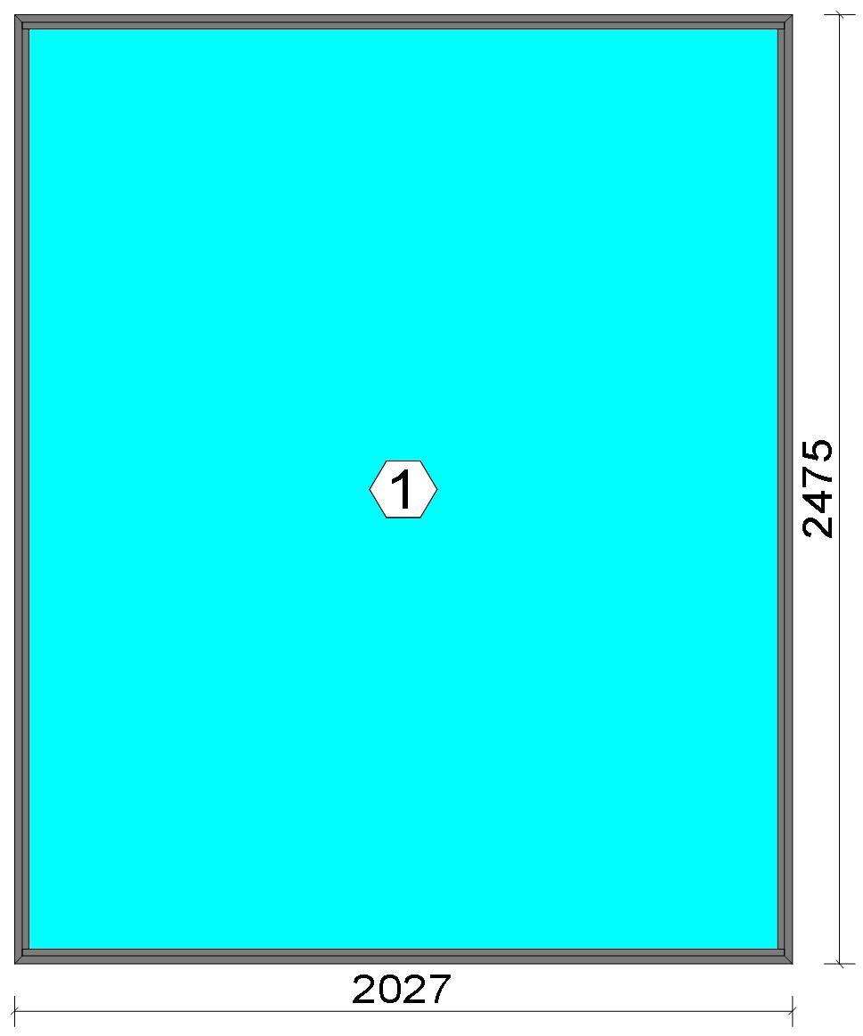
 |  |  |  |  |  |  |  |  |  |  |  |  |  |  |  |  | Position: DG.05B Quantity: 1 pcs System: Cortizo CASEMENT Hi PAS 24 Dry Size: 2,027 mm x 2,475 mm Scale: 1: 27 / Exterior view Finish: Special 1 Powder Coating 7037CM Dusty grey Special 1 Powder Coating
Stated quantities refer to one position each.
Profiles
Description |  |  |  |  |  |  |  |  | Finish |  |  |  | Number |  |  |  |  |  | Length [mm] |  |  | Quantity [Pcs.] |  |  |  | Weight [kg] |  |  |  | Price [£]

Window frame HI |  |  |  |  |  |  |  |  | Special 1 Powder Coating 7037CM |  |  |  | 3831 |  |  |  |  |  | 2,475.0 |  |  | 2 |  |  |  | 5.90 |  |  |  | *41.43
Window frame HI |  |  |  |  |  |  |  |  | Special 1 Powder Coating 7037CM |  |  |  | 3831 |  |  |  |  |  | 2,027.0 |  |  | 2 |  |  |  | 4.83 |  |  |  | *33.93
Total: |  |  |  |  |  |  |  |  |  |  |  |  |  |  |  |  |  |  |  |  |  |  |  |  |  | 10.72 |  |  |  | 75.37
The marked (*) prices include colour/finish.

Glazing Beads
Description |  |  |  |  |  |  |  |  | Finish |  |  |  | Number |  |  |  |  |  | Length [mm] |  |  | Quantity [Pcs.] |  |  |  | Weight [kg] |  |  |  | Price [£]

Bead 14 mm |  |  |  |  |  |  |  |  | Special 1 Powder Coating 7037CM |  |  |  | 3811 |  |  |  |  |  | 2,399.0 |  |  | 2 |  |  |  | 1.10 |  |  |  | *5.59
Bead 14 mm |  |  |  |  |  |  |  |  | Special 1 Powder Coating 7037CM |  |  |  | 3811 |  |  |  |  |  | 1,985.0 |  |  | 2 |  |  |  | 0.91 |  |  |  | *4.63
Total: |  |  |  |  |  |  |  |  |  |  |  |  |  |  |  |  |  |  |  |  |  |  |  |  |  | 2.01 |  |  |  | 10.22

Accessories
Description |  |  |  |  |  |  |  |  |  |  |  |  |  |  |  |  |  |  |  | Number |  |  |  | Quantity |  |  |  |  | Price [£]

Alignment Cleat |  |  |  |  |  |  |  |  |  |  |  |  |  |  |  |  |  |  |  | 296839 |  |  |  | 4 pc |  |  |  |  | 1.84

 |  |  |  |  | Logikal 12.6 - ORGADATA AG , Am Nesseufer 14, 26789 Leer, Germany, +49 491 92782-500
 |  |  |  |  |  |  |  |  |  |  | Page: 20 from 81

 |  |  |  |  | Please check all results for plausibility. We do not take responsibility for any errors.

 | Estimation |  |  |  |  |  |  |  |  |  |  |  |  |  | Date: |  |  | 15/10/2026 / 16:37
 |  |  |  |  |  |  |  |  |  |  |  |  |  |  | Project: |  |  | Birch Hollow

Description |  |  |  |  |  |  |  |  |  |  |  |  |  |  |  |  |  |  |  | Number |  |  |  | Quantity |  |  |  |  | Price [£]

Circular shaped pin cleat |  |  |  |  |  |  |  |  |  |  |  |  |  |  |  |  |  |  |  | 373802 |  |  |  | 4 pc |  |  |  |  | 1.73
Crimping/screw cleat |  |  |  |  |  |  |  |  |  |  |  |  |  |  |  |  |  |  |  | 373805 |  |  |  | 4 pc |  |  |  |  | 3.50
Screw DIN 965 M4x6 |  |  |  |  |  |  |  |  |  |  |  |  |  |  |  |  |  |  |  | 373810 |  |  |  | 8 pc |  |  |  |  | 0.14
Drainage cover |  |  |  |  |  |  |  |  |  |  |  |  |  |  |  |  |  |  |  | 920100 |  |  |  | 5 pc |  |  |  |  | 0.55
Wedge for 3x44 mm glass |  |  |  |  |  |  |  |  |  |  |  |  |  |  |  |  |  |  |  | 330344 |  |  |  | 8 pc |  |  |  |  | 0.82
Total: |  |  |  |  |  |  |  |  |  |  |  |  |  |  |  |  |  |  |  |  |  |  |  |  |  |  |  |  | 8.58

Gaskets
Description |  |  |  |  |  |  |  |  |  |  |  |  |  |  |  |  |  |  |  | Number |  |  |  | Quantity [m] |  |  |  |  | Price [£]

Glazing outer gasket 3,6 mm |  |  |  |  |  |  |  |  |  |  |  |  |  |  |  |  |  |  |  | 240124 |  |  |  | 8.96 |  |  |  |  | 3.28
Glazing inner gasket 6 mm |  |  |  |  |  |  |  |  |  |  |  |  |  |  |  |  |  |  |  | 240136 |  |  |  | 8.94 |  |  |  |  | 5.47
Insulating foam of 30 mm x 5 mm |  |  |  |  |  |  |  |  |  |  |  |  |  |  |  |  |  |  |  | 320024 |  |  |  | 9.10 |  |  |  |  | 2.48
Total: |  |  |  |  |  |  |  |  |  |  |  |  |  |  |  |  |  |  |  |  |  |  |  |  |  |  |  |  | 11.22

Glass
Description |  |  |  |  |  |  |  |  |  |  |  |  |  | Area [m²] |  |  |  |  |  | Dimension [mm] |  |  |  | Quantity [Pcs.] |  |  |  |  | Price [£]

6mm TG TGH 0.8, 42 mm |  |  |  |  |  |  |  |  |  |  |  |  |  | 4.79 (4.81) |  |  |  |  |  | 1,975 x 2,423 |  |  |  | 1 |  |  |  |  | 625.48
Total: |  |  |  |  |  |  |  |  |  |  |  |  |  | 4.79 (4.81) |  |  |  |  |  |  |  |  |  | 1 |  |  |  |  | 625.48

Finish

Description |  |  |  |  |  |  |  |  |  |  |  | Price [£/m²] |  |  |  |  |  |  |  | Quantity [m²] |  |  |  |  |  |  | Total [£]

 |  |  |  |  |  |  |  | Special 1 Powder Coating 7037CM |  |  |  | 3.19 |  |  |  |  |  |  |  | 4.977 |  |  |  |  |  |  | 15.88
Total |  |  |  |  |  |  |  |  |  |  |  |  |  |  |  |  |  |  |  | 4.977 |  |  |  |  |  |  | 15.88

Discount group

Description |  |  |  |  |  |  |  |  |  | Profiles [kg] |  |  |  |  |  | Profiles [£] |  |  |  |  | Accessories [£] |  |  |  |  |  |  | Hardware [£]

Cortizo 1 |  |  |  |  |  |  |  |  |  | 2.012 |  |  |  |  |  | 10.22
Cortizo 2 |  |  |  |  |  |  |  |  |  | 10.728 |  |  |  |  |  | 75.37
Cortizo ACCESORIO |  |  |  |  |  |  |  |  |  |  |  |  |  |  |  |  |  |  |  |  | 19.80
Total: |  |  |  |  |  |  |  |  |  | 12.740 |  |  |  |  |  | 85.59 |  |  |  |  | 19.80

Summary
Description |  |  |  |  |  |  |  |  |  |  |  |  |  |  |  |  |  |  |  |  |  |  |  |  | [£]
Profiles incl. Coating |  |  |  |  |  |  |  |  |  |  |  |  |  |  |  |  |  |  |  |  |  |  |  |  | 85.59
Finish |  |  |  |  |  |  |  |  |  |  |  |  |  |  |  |  |  |  |  |  |  |  |  |  | 15.88
Accessories |  |  |  |  |  |  |  |  |  |  |  |  |  |  |  |  |  |  |  |  |  |  |  |  | 8.58
Hardware |  |  |  |  |  |  |  |  |  |  |  |  |  |  |  |  |  |  |  |  |  |  |  |  | 0.00
Gaskets |  |  |  |  |  |  |  |  |  |  |  |  |  |  |  |  |  |  |  |  |  |  |  |  | 11.22
Small materials |  |  |  |  |  |  |  |  |  |  |  |  |  |  |  |  |  |  |  |  |  |  |  |  | 0.00
Total Material |  |  |  |  |  |  |  |  |  |  |  |  |  |  |  |  |  |  |  |  |  |  |  |  | 121.27

Glass |  |  |  |  |  |  |  |  |  |  |  |  |  |  |  |  |  |  |  |  |  |  |  |  | 625.48
Insertion Costs Glass |  |  |  |  |  |  |  |  |  |  |  |  |  |  |  |  |  |  |  |  |  |  |  |  | 0.00
Insertion Costs Panel |  |  |  |  |  |  |  |  |  |  |  |  |  |  |  |  |  |  |  |  |  |  |  |  | 0.00
Total Glass |  |  |  |  |  |  |  |  |  |  |  |  |  |  |  |  |  |  |  |  |  |  |  |  | 625.48

Outer frame corner |  |  |  |  |  |  |  |  |  |  |  |  |  |  |  |  | 60 min @ 25.00 £/h |  |  |  |  |  |  |  | 25.00
Installation |  |  |  |  |  |  |  |  |  |  |  |  |  |  |  |  | 0 min @ 25.00 £/h |  |  |  |  |  |  |  | 0.00
Total Wages |  |  |  |  |  |  |  |  |  |  |  |  |  |  |  |  |  |  |  |  |  |  |  |  | 25.00

Extra costs |  |  |  |  |  |  |  |  |  |  |  |  |  |  |  |  |  |  |  |  |  |  |  |  | 0.00

 |  |  |  |  | Logikal 12.6 - ORGADATA AG , Am Nesseufer 14, 26789 Leer, Germany, +49 491 92782-500
 |  |  |  |  |  |  |  |  |  |  | Page: 21 from 81

 |  |  |  |  | Please check all results for plausibility. We do not take responsibility for any errors.

 | Estimation |  |  |  |  |  |  |  |  |  |  |  |  |  | Date: |  |  | 15/10/2026 / 16:37
 |  |  |  |  |  |  |  |  |  |  |  |  |  |  | Project: |  |  | Birch Hollow

Net Total |  |  |  |  |  |  |  |  |  |  |  |  |  |  |  |  |  |  |  |  |  |  |  |  | 771.75

Total Costs |  |  |  |  |  |  |  |  |  |  |  |  |  |  |  |  |  |  |  |  |  |  |  |  | 771.75

Profit on material |  |  |  |  |  |  |  |  |  |  |  |  |  |  |  |  | 0.0 % |  |  |  |  |  |  |  | 0.00
Profit on glass purchase |  |  |  |  |  |  |  |  |  |  |  |  |  |  |  |  | 0.0 % |  |  |  |  |  |  |  | 0.00
Profit on wages |  |  |  |  |  |  |  |  |  |  |  |  |  |  |  |  | 0.0 % |  |  |  |  |  |  |  | 0.00
Profit on other costs |  |  |  |  |  |  |  |  |  |  |  |  |  |  |  |  | 0.0 % |  |  |  |  |  |  |  | 0.00
Estimated price |  |  |  |  |  |  |  |  |  |  |  |  |  |  |  |  |  |  |  |  |  |  |  |  | 771.75

Position area: |  |  |  |  |  |  |  |  |  |  |  |  |  |  |  |  |  |  |  |  |  |  |  |  | 5.02 m²
Estimated price / m² |  |  |  |  |  |  |  |  |  |  |  |  |  |  |  |  |  |  |  |  |  |  |  |  | 153.83 £
Weight / Profiles |  |  |  |  |  |  |  |  |  |  |  |  |  |  |  |  |  |  |  |  |  |  |  |  | 14.22 kg
Weight / Glass |  |  |  |  |  |  |  |  |  |  |  |  |  |  |  |  |  |  |  |  |  |  |  |  | 215.34 kg
Weight for estimation |  |  |  |  |  |  |  |  |  |  |  |  |  |  |  |  |  |  |  |  |  |  |  |  | 229.56 kg

 |  |  |  |  | Logikal 12.6 - ORGADATA AG , Am Nesseufer 14, 26789 Leer, Germany, +49 491 92782-500
 |  |  |  |  |  |  |  |  |  |  | Page: 22 from 81

 |  |  |  |  | Please check all results for plausibility. We do not take responsibility for any errors.

 | Estimation |  |  |  |  |  |  |  |  |  |  |  |  |  | Date: |  |  | 15/10/2026 / 16:37
 |  |  |  |  |  |  |  |  |  |  |  |  |  |  | Project: |  |  | Birch Hollow

 |  |  |  |  |  |  |  |  |  |  |  |  |  |  |  |  | Person in charge: Estimation data: Directory: |  |  |  |  |  | Administrator CORTIZO - September 2026 QUOTES\B\

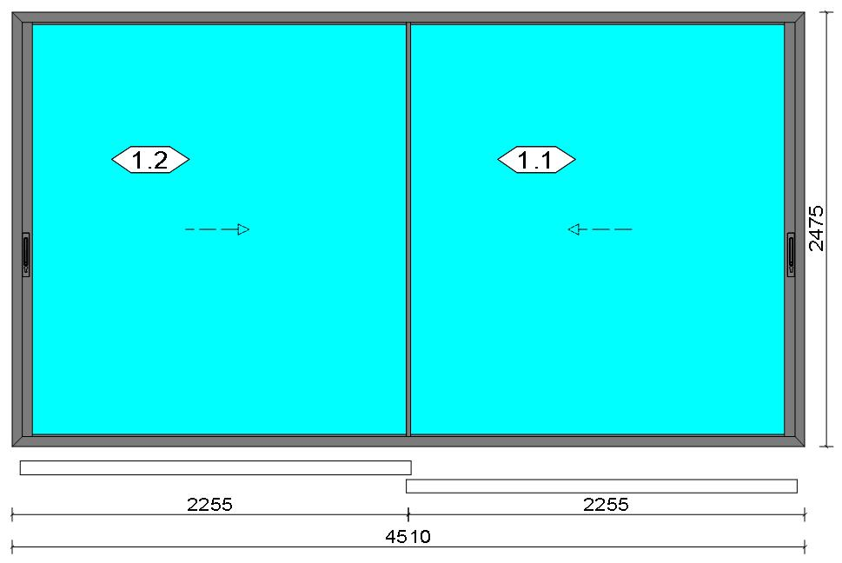
 |  |  |  |  |  |  |  |  |  |  |  |  |  |  |  |  | Position: DG.06 Quantity: 1 pcs System: Cortizo VISION PLUS [New] Standard Frame - HI Manual Standard PVC Size: 4,510 mm x 2,475 mm Scale: 1: 57 / Exterior view Finish: Special 1 Powder Coating 7037CM Dusty grey Special 1 Powder Coating
Stated quantities refer to one position each.
Profiles
Description |  |  |  |  |  |  |  |  | Finish |  |  |  | Number |  |  |  |  |  | Length [mm] |  |  | Quantity [Pcs.] |  |  |  | Weight [kg] |  |  |  | Price [£]

Channel cover |  |  |  |  |  |  |  |  | Lacado standard 9011CM |  |  |  | 15919 |  |  |  |  |  | 2,361.0 |  |  | 2 |  |  |  | 0.34 |  |  |  | *1.75
Channel cover |  |  |  |  |  |  |  |  | Lacado standard 9011CM |  |  |  | 15919 |  |  |  |  |  | 2,186.0 |  |  | 4 |  |  |  | 0.64 |  |  |  | *3.24
Polyamide espagnolette |  |  |  |  |  |  |  |  | COR_MILL FINISH |  |  |  | 2130 |  |  |  |  |  | 554.8 |  |  | 4 |  |  |  | 0.00 |  |  |  | *3.38
Polyamide espagnolette |  |  |  |  |  |  |  |  | COR_MILL FINISH |  |  |  | 2130 |  |  |  |  |  | 491.3 |  |  | 2 |  |  |  | 0.00 |  |  |  | *1.50
Polyamide espagnolette |  |  |  |  |  |  |  |  | COR_MILL FINISH |  |  |  | 2130 |  |  |  |  |  | 250.0 |  |  | 2 |  |  |  | 0.00 |  |  |  | *0.76
Railing, Steel |  |  |  |  |  |  |  |  | COR_MILL FINISH |  |  |  | 4811 |  |  |  |  |  | 2,148.0 |  |  | 4 |  |  |  | 0.00 |  |  |  | *51.41
Running sash |  |  |  |  |  |  |  |  | Special 1 Powder Coating 7037CM |  |  |  | 4820 |  |  |  |  |  | 2,159.5 |  |  | 4 |  |  |  | 11.68 |  |  |  | *77.45
Intersection sash |  |  |  |  |  |  |  |  | Special 1 Powder Coating 7037CM |  |  |  | 4825 |  |  |  |  |  | 2,384.0 |  |  | 2 |  |  |  | 7.21 |  |  |  | *36.62
Intersection sash standing seam |  |  |  |  |  |  |  |  | COR_MILL FINISH |  |  |  | 4828 |  |  |  |  |  | 2,326.5 |  |  | 2 |  |  |  | 0.00 |  |  |  | *12.85
Open manual hardware frame coupling |  |  |  |  |  |  |  |  | Special 1 Powder Coating 7037CM |  |  |  | 4860 |  |  |  |  |  | 2,435.0 |  |  | 2 |  |  |  | 3.02 |  |  |  | *15.36
Manual opening side sash HI SF |  |  |  |  |  |  |  |  | Special 1 Powder Coating 7037CM |  |  |  | 4863 |  |  |  |  |  | 2,384.0 |  |  | 2 |  |  |  | 13.29 |  |  |  | *92.02
Perimeter frame lateral cover |  |  |  |  |  |  |  |  | Special 1 Powder Coating 7037CM |  |  |  | 4865 |  |  |  |  |  | 2,416.5 |  |  | 2 |  |  |  | 3.51 |  |  |  | *17.83

 |  |  |  |  | Logikal 12.6 - ORGADATA AG , Am Nesseufer 14, 26789 Leer, Germany, +49 491 92782-500
 |  |  |  |  |  |  |  |  |  |  | Page: 23 from 81

 |  |  |  |  | Please check all results for plausibility. We do not take responsibility for any errors.

 | Estimation |  |  |  |  |  |  |  |  |  |  |  |  |  | Date: |  |  | 15/10/2026 / 16:37
 |  |  |  |  |  |  |  |  |  |  |  |  |  |  | Project: |  |  | Birch Hollow

Description |  |  |  |  |  |  |  |  | Finish |  |  |  | Number |  |  |  |  |  | Length [mm] |  |  | Quantity [Pcs.] |  |  |  | Weight [kg] |  |  |  | Price [£]

Perimetral frame HI |  |  |  |  |  |  |  |  | Special 1 Powder Coating 7037CM |  |  |  | 4880 |  |  |  |  |  | 2,475.0 |  |  | 2 |  |  |  | 17.19 |  |  |  | *115.19
Perimetral frame HI |  |  |  |  |  |  |  |  | Special 1 Powder Coating 7037CM |  |  |  | 4880 |  |  |  |  |  | 4,510.0 |  |  | 2 |  |  |  | 31.33 |  |  |  | *209.91
Milling bearing housing profile |  |  |  |  |  |  |  |  | Special 1 Powder Coating 7037CM |  |  |  | 4881 |  |  |  |  |  | 2,580.0 |  |  | 2 |  |  |  | 4.24 |  |  |  | *45.25
Milling bearing housing profile |  |  |  |  |  |  |  |  | Special 1 Powder Coating 7037CM |  |  |  | 4881 |  |  |  |  |  | 1,890.0 |  |  | 2 |  |  |  | 3.10 |  |  |  | *33.15
Total: |  |  |  |  |  |  |  |  |  |  |  |  |  |  |  |  |  |  |  |  |  |  |  |  |  | 95.55 |  |  |  | 717.67
The marked (*) prices include colour/finish.

Glazing Beads
Description |  |  |  |  |  |  |  |  | Finish |  |  |  | Number |  |  |  |  |  | Length [mm] |  |  | Quantity [Pcs.] |  |  |  | Weight [kg] |  |  |  | Price [£]

Glazing reducer |  |  |  |  |  |  |  |  | Special 1 Powder Coating 7037CM |  |  |  | 4810 |  |  |  |  |  | 2,337.0 |  |  | 8 |  |  |  | 2.43 |  |  |  | *12.31
Glazing reducer |  |  |  |  |  |  |  |  | Special 1 Powder Coating 7037CM |  |  |  | 4810 |  |  |  |  |  | 2,159.5 |  |  | 8 |  |  |  | 2.25 |  |  |  | *11.37
Total: |  |  |  |  |  |  |  |  |  |  |  |  |  |  |  |  |  |  |  |  |  |  |  |  |  | 4.68 |  |  |  | 23.68

Accessories
Description |  |  |  |  |  |  |  |  |  |  |  |  |  |  |  |  |  |  |  | Number |  |  |  | Quantity |  |  |  |  | Price [£]

Injection cleat |  |  |  |  |  |  |  |  |  |  |  |  |  |  |  |  |  |  |  | 248220 |  |  |  | 16 pc |  |  |  |  | 9.52
Alignment cleat |  |  |  |  |  |  |  |  |  |  |  |  |  |  |  |  |  |  |  | 287311 |  |  |  | 8 pc |  |  |  |  | 4.15
Set windbreaker top-bottom |  |  |  |  |  |  |  |  |  |  |  |  |  |  |  |  |  |  |  | 364855 |  |  |  | 1 pc |  |  |  |  | 0.78
Set of windbreakers central sash frame |  |  |  |  |  |  |  |  |  |  |  |  |  |  |  |  |  |  |  | 364858 |  |  |  | 2 pc |  |  |  |  | 3.01
Shock-absorbing and anti-lifting cap sash lock |  |  |  |  |  |  |  |  |  |  |  |  |  |  |  |  |  |  |  | 364870 |  |  |  | 8 pc |  |  |  |  | 6.32
Screw DIN7981 3,9x13 |  |  |  |  |  |  |  |  |  |  |  |  |  |  |  |  |  |  |  | 813913 |  |  |  | 16 pc |  |  |  |  | 0.54
DIN7982 Ø3,9x19 screws |  |  |  |  |  |  |  |  |  |  |  |  |  |  |  |  |  |  |  | 823919 |  |  |  | 36 pc |  |  |  |  | 1.22
DIN7982 Ø4,2x19 screws |  |  |  |  |  |  |  |  |  |  |  |  |  |  |  |  |  |  |  | 824219 |  |  |  | 12 pc |  |  |  |  | 0.31
Limit top lateral and central sash |  |  |  |  |  |  |  |  |  |  |  |  |  |  |  |  |  |  |  | 304385 |  |  |  | 6 pc |  |  |  |  | 0.56
Brush covers central sash frame |  |  |  |  |  |  |  |  |  |  |  |  |  |  |  |  |  |  |  | 364857 |  |  |  | 4 pc |  |  |  |  | 0.31
Set of covers central sash frame |  |  |  |  |  |  |  |  |  |  |  |  |  |  |  |  |  |  |  | 364859 |  |  |  | 2 pc |  |  |  |  | 2.69
Cover set |  |  |  |  |  |  |  |  |  |  |  |  |  |  |  |  |  |  |  | 364860 |  |  |  | 2 pc |  |  |  |  | 1.72
Manual sash lateral cover set |  |  |  |  |  |  |  |  |  |  |  |  |  |  |  |  |  |  |  | 364862 |  |  |  | 2 pc |  |  |  |  | 3.25
Set of lateral caps right central sash |  |  |  |  |  |  |  |  |  |  |  |  |  |  |  |  |  |  |  | 364863 |  |  |  | 1 pc |  |  |  |  | 1.14
Central sash left lateral cover set |  |  |  |  |  |  |  |  |  |  |  |  |  |  |  |  |  |  |  | 364873 |  |  |  | 1 pc |  |  |  |  | 1.14
Screw DIN7981 4,8x100 |  |  |  |  |  |  |  |  |  |  |  |  |  |  |  |  |  |  |  | 814810 |  |  |  | 8 pc |  |  |  |  | 2.18
DIN7981 Ø4,8x60 screws |  |  |  |  |  |  |  |  |  |  |  |  |  |  |  |  |  |  |  | 814860 |  |  |  | 12 pc |  |  |  |  | 1.12
Drainage cover |  |  |  |  |  |  |  |  |  |  |  |  |  |  |  |  |  |  |  | 920104 |  |  |  | 12 pc |  |  |  |  | 1.73
47 mm glazing support wedge |  |  |  |  |  |  |  |  |  |  |  |  |  |  |  |  |  |  |  | 999069 |  |  |  | 38 pc |  |  |  |  | 31.01
Total: |  |  |  |  |  |  |  |  |  |  |  |  |  |  |  |  |  |  |  |  |  |  |  |  |  |  |  |  | 72.69

 |  |  |  |  | Logikal 12.6 - ORGADATA AG , Am Nesseufer 14, 26789 Leer, Germany, +49 491 92782-500
 |  |  |  |  |  |  |  |  |  |  | Page: 24 from 81

 |  |  |  |  | Please check all results for plausibility. We do not take responsibility for any errors.

 | Estimation |  |  |  |  |  |  |  |  |  |  |  |  |  | Date: |  |  | 15/10/2026 / 16:37
 |  |  |  |  |  |  |  |  |  |  |  |  |  |  | Project: |  |  | Birch Hollow

Hardware
Description |  |  |  |  |  |  |  |  |  |  |  |  |  |  |  |  |  |  |  | Number |  |  |  | Quantity |  |  |  |  | Price [£]

Kit bearings, wheel+axis |  |  |  |  |  |  |  |  |  |  |  |  |  |  |  |  |  |  |  | 364850 |  |  |  | 92 pc |  |  |  |  | 220.52
35 mm finishing plate |  |  |  |  |  |  |  |  |  |  |  |  |  |  |  |  |  |  |  | 302130 |  |  |  | 4 pc |  |  |  |  | 0.37
Vision Security lock transmission kit |  |  |  |  |  |  |  |  |  |  |  |  |  |  |  |  |  |  |  | 344301 |  |  |  | 2 pc |  |  |  |  | 6.22
Vision Security sash lock |  |  |  |  |  |  |  |  |  |  |  |  |  |  |  |  |  |  |  | 344302 |  |  |  | 2 pc |  |  |  |  | 7.31
Vision Security lock and counter lock kit |  |  |  |  |  |  |  |  |  |  |  |  |  |  |  |  |  |  |  | 344303 |  |  |  | 8 pc |  |  |  |  | 15.78
Vision Security frame wedges kit |  |  |  |  |  |  |  |  |  |  |  |  |  |  |  |  |  |  |  | 344305 |  |  |  | 8 pc |  |  |  |  | 1.43
Vision Plus Security layn lock with key |  |  |  |  |  |  |  |  |  |  |  |  |  |  |  |  |  |  |  | 384333 |  |  |  | 4 pc |  |  |  |  | 47.97
Total: |  |  |  |  |  |  |  |  |  |  |  |  |  |  |  |  |  |  |  |  |  |  |  |  |  |  |  |  | 299.61

Gaskets
Description |  |  |  |  |  |  |  |  |  |  |  |  |  |  |  |  |  |  |  | Number |  |  |  | Quantity [m] |  |  |  |  | Price [£]

Wool pile 7x5 mm special TRIFIN |  |  |  |  |  |  |  |  |  |  |  |  |  |  |  |  |  |  |  | 330704 |  |  |  | 51.84 |  |  |  |  | 18.07
Glazing gasket 4 mm |  |  |  |  |  |  |  |  |  |  |  |  |  |  |  |  |  |  |  | 290004 |  |  |  | 36.78 |  |  |  |  | 21.57
Total: |  |  |  |  |  |  |  |  |  |  |  |  |  |  |  |  |  |  |  |  |  |  |  |  |  |  |  |  | 39.64

Glass
Description |  |  |  |  |  |  |  |  |  |  |  |  |  | Area [m²] |  |  |  |  |  | Dimension [mm] |  |  |  | Quantity [Pcs.] |  |  |  |  | Price [£]

6mm TG TGH 0.8, 42 mm |  |  |  |  |  |  |  |  |  |  |  |  |  | 5.08 (5.12) |  |  |  |  |  | 2,154 x 2,361 |  |  |  | 2 |  |  |  |  | 1,330.99
Total: |  |  |  |  |  |  |  |  |  |  |  |  |  | 10.17 (10.24) |  |  |  |  |  |  |  |  |  | 2 |  |  |  |  | 1,330.99

Finish

Description |  |  |  |  |  |  |  |  |  |  |  | Price [£/m²] |  |  |  |  |  |  |  | Quantity [m²] |  |  |  |  |  |  | Total [£]

 |  |  |  |  |  |  |  | Lacado standard 9011CM |  |  |  | 2.30 |  |  |  |  |  |  |  | 0.620 |  |  |  |  |  |  | 1.43
 |  |  |  |  |  |  |  | Special 1 Powder Coating 7037CM |  |  |  | 3.19 |  |  |  |  |  |  |  | 32.092 |  |  |  |  |  |  | 102.37
Total |  |  |  |  |  |  |  |  |  |  |  |  |  |  |  |  |  |  |  | 32.712 |  |  |  |  |  |  | 103.80

Discount group

Description |  |  |  |  |  |  |  |  |  | Profiles [kg] |  |  |  |  |  | Profiles [£] |  |  |  |  | Accessories [£] |  |  |  |  |  |  | Hardware [£]

Net Article
Cortizo 1 |  |  |  |  |  |  |  |  |  | 26.725 |  |  |  |  |  | 176.89
Cortizo 2 |  |  |  |  |  |  |  |  |  | 73.487 |  |  |  |  |  | 494.57
Cortizo ACCESORIO |  |  |  |  |  |  |  |  |  |  |  |  |  |  |  |  |  |  |  |  | 112.33 |  |  |  |  |  |  | 299.61
Cortizo PROFILE |  |  |  |  |  |  |  |  |  |  |  |  |  |  |  | 69.90
Total: |  |  |  |  |  |  |  |  |  | 100.212 |  |  |  |  |  | 741.36 |  |  |  |  | 112.33 |  |  |  |  |  |  | 299.61

Summary
Description |  |  |  |  |  |  |  |  |  |  |  |  |  |  |  |  |  |  |  |  |  |  |  |  | [£]
Profiles incl. Coating |  |  |  |  |  |  |  |  |  |  |  |  |  |  |  |  |  |  |  |  |  |  |  |  | 741.36
Finish |  |  |  |  |  |  |  |  |  |  |  |  |  |  |  |  |  |  |  |  |  |  |  |  | 103.80
Accessories |  |  |  |  |  |  |  |  |  |  |  |  |  |  |  |  |  |  |  |  |  |  |  |  | 72.69
Hardware |  |  |  |  |  |  |  |  |  |  |  |  |  |  |  |  |  |  |  |  |  |  |  |  | 299.61
Gaskets |  |  |  |  |  |  |  |  |  |  |  |  |  |  |  |  |  |  |  |  |  |  |  |  | 39.64
Small materials |  |  |  |  |  |  |  |  |  |  |  |  |  |  |  |  |  |  |  |  |  |  |  |  | 0.00
Total Material |  |  |  |  |  |  |  |  |  |  |  |  |  |  |  |  |  |  |  |  |  |  |  |  | 1,257.10

Glass |  |  |  |  |  |  |  |  |  |  |  |  |  |  |  |  |  |  |  |  |  |  |  |  | 1,330.99
Insertion Costs Glass |  |  |  |  |  |  |  |  |  |  |  |  |  |  |  |  |  |  |  |  |  |  |  |  | 0.00
Insertion Costs Panel |  |  |  |  |  |  |  |  |  |  |  |  |  |  |  |  |  |  |  |  |  |  |  |  | 0.00

 |  |  |  |  | Logikal 12.6 - ORGADATA AG , Am Nesseufer 14, 26789 Leer, Germany, +49 491 92782-500
 |  |  |  |  |  |  |  |  |  |  | Page: 25 from 81

 |  |  |  |  | Please check all results for plausibility. We do not take responsibility for any errors.

 | Estimation |  |  |  |  |  |  |  |  |  |  |  |  |  | Date: |  |  | 15/10/2026 / 16:37
 |  |  |  |  |  |  |  |  |  |  |  |  |  |  | Project: |  |  | Birch Hollow

Total Glass |  |  |  |  |  |  |  |  |  |  |  |  |  |  |  |  |  |  |  |  |  |  |  |  | 1,330.99

Outer frame corner |  |  |  |  |  |  |  |  |  |  |  |  |  |  |  |  | 0 min @ 25.00 £/h |  |  |  |  |  |  |  | 0.00
Sash Corners |  |  |  |  |  |  |  |  |  |  |  |  |  |  |  |  | 840 min @ 25.00 £/h |  |  |  |  |  |  |  | 350.00
Outer Frame field |  |  |  |  |  |  |  |  |  |  |  |  |  |  |  |  | 828 min @ 25.00 £/h |  |  |  |  |  |  |  | 345.00
Installation |  |  |  |  |  |  |  |  |  |  |  |  |  |  |  |  | 0 min @ 25.00 £/h |  |  |  |  |  |  |  | 0.00
Total Wages |  |  |  |  |  |  |  |  |  |  |  |  |  |  |  |  |  |  |  |  |  |  |  |  | 695.00

Extra costs |  |  |  |  |  |  |  |  |  |  |  |  |  |  |  |  |  |  |  |  |  |  |  |  | 0.00
Net Total |  |  |  |  |  |  |  |  |  |  |  |  |  |  |  |  |  |  |  |  |  |  |  |  | 3,283.09

Total Costs |  |  |  |  |  |  |  |  |  |  |  |  |  |  |  |  |  |  |  |  |  |  |  |  | 3,283.09

Profit on material |  |  |  |  |  |  |  |  |  |  |  |  |  |  |  |  | 0.0 % |  |  |  |  |  |  |  | 0.00
Profit on glass purchase |  |  |  |  |  |  |  |  |  |  |  |  |  |  |  |  | 0.0 % |  |  |  |  |  |  |  | 0.00
Profit on wages |  |  |  |  |  |  |  |  |  |  |  |  |  |  |  |  | 0.0 % |  |  |  |  |  |  |  | 0.00
Profit on other costs |  |  |  |  |  |  |  |  |  |  |  |  |  |  |  |  | 0.0 % |  |  |  |  |  |  |  | 0.00
Estimated price |  |  |  |  |  |  |  |  |  |  |  |  |  |  |  |  |  |  |  |  |  |  |  |  | 3,283.09

Position area: |  |  |  |  |  |  |  |  |  |  |  |  |  |  |  |  |  |  |  |  |  |  |  |  | 11.16 m²
Estimated price / m² |  |  |  |  |  |  |  |  |  |  |  |  |  |  |  |  |  |  |  |  |  |  |  |  | 294.13 £
Weight / Profiles |  |  |  |  |  |  |  |  |  |  |  |  |  |  |  |  |  |  |  |  |  |  |  |  | 106.86 kg
Weight / Glass |  |  |  |  |  |  |  |  |  |  |  |  |  |  |  |  |  |  |  |  |  |  |  |  | 457.60 kg
Weight for estimation |  |  |  |  |  |  |  |  |  |  |  |  |  |  |  |  |  |  |  |  |  |  |  |  | 564.46 kg

Note |  |  |  |  |  |  | While calculating this position the following facts were discovered which may cause a slightly too high or too low estimation result.

> |  | COR 0009 - Por favor, compruebe las dimensiones de los perfiles de tapeta . Please check the cover profile dimensions. Merci de vérifier les dimensions des capots.

 |  |  |  |  | Logikal 12.6 - ORGADATA AG , Am Nesseufer 14, 26789 Leer, Germany, +49 491 92782-500
 |  |  |  |  |  |  |  |  |  |  | Page: 26 from 81

 |  |  |  |  | Please check all results for plausibility. We do not take responsibility for any errors.

 | Estimation |  |  |  |  |  |  |  |  |  |  |  |  |  | Date: |  |  | 15/10/2026 / 16:37
 |  |  |  |  |  |  |  |  |  |  |  |  |  |  | Project: |  |  | Birch Hollow

 |  |  |  |  |  |  |  |  |  |  |  |  |  |  |  |  | Person in charge: Estimation data: Directory: |  |  |  |  |  | Administrator CORTIZO - September 2026 QUOTES\B\

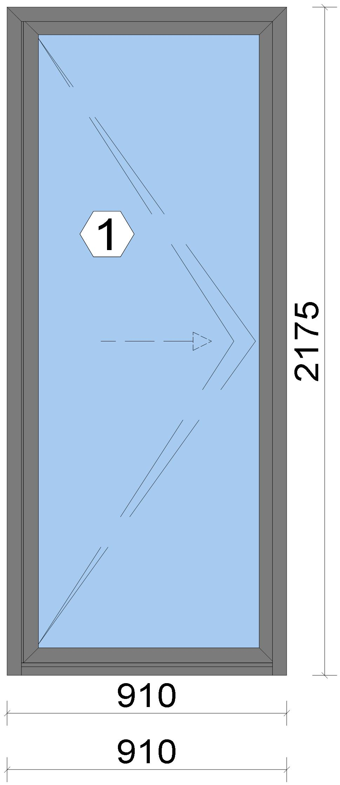
 |  |  |  |  |  |  |  |  |  |  |  |  |  |  |  |  | Position: DG.07 Quantity: 1 pcs System: Cortizo BiFold Plus (BETA) Inward opening With Threshold PAS 24 PAS 24 Standard Size: 910 mm x 2,175 mm Scale: 1: 13 / Exterior view Finish: Special 1 Powder Coating 7037CM Dusty grey Special 1 Powder Coating

Stated quantities refer to one position each.
Profiles
Description |  |  |  |  |  |  |  |  | Finish |  |  |  | Number |  |  |  |  |  | Length [mm] |  |  | Quantity [Pcs.] |  |  |  | Weight [kg] |  |  |  | Price [£]

Stainless steel rail 3700 |  |  |  |  |  |  |  |  | COR_MILL FINISH |  |  |  | 3700 |  |  |  |  |  | 881.0 |  |  | 2 |  |  |  | 0.00 |  |  |  | *6.74
Lateral frame cover |  |  |  |  |  |  |  |  | COR_MILL FINISH |  |  |  | 3701 |  |  |  |  |  | 2,123.0 |  |  | 2 |  |  |  | 0.00 |  |  |  | *15.77

 |  |  |  |  | Logikal 12.6 - ORGADATA AG , Am Nesseufer 14, 26789 Leer, Germany, +49 491 92782-500
 |  |  |  |  |  |  |  |  |  |  | Page: 27 from 81

 |  |  |  |  | Please check all results for plausibility. We do not take responsibility for any errors.

 | Estimation |  |  |  |  |  |  |  |  |  |  |  |  |  | Date: |  |  | 15/10/2026 / 16:37
 |  |  |  |  |  |  |  |  |  |  |  |  |  |  | Project: |  |  | Birch Hollow

Description |  |  |  |  |  |  |  |  | Finish |  |  |  | Number |  |  |  |  |  | Length [mm] |  |  | Quantity [Pcs.] |  |  |  | Weight [kg] |  |  |  | Price [£]

Outer frame |  |  |  |  |  |  |  |  | Special 1 Powder Coating 7037CM |  |  |  | 3750 |  |  |  |  |  | 2,175.0 |  |  | 1 |  |  |  | 3.70 |  |  |  | *24.44
Outer frame |  |  |  |  |  |  |  |  | Special 1 Powder Coating 7037CM |  |  |  | 3750 |  |  |  |  |  | 2,175.0 |  |  | 1 |  |  |  | 3.70 |  |  |  | *24.44
Outer frame |  |  |  |  |  |  |  |  | Special 1 Powder Coating 7037CM |  |  |  | 3750 |  |  |  |  |  | 910.0 |  |  | 1 |  |  |  | 1.55 |  |  |  | *10.23
Low Threshold |  |  |  |  |  |  |  |  | Special 1 Powder Coating 7037CM |  |  |  | 3751 |  |  |  |  |  | 849.0 |  |  | 1 |  |  |  | 1.44 |  |  |  | *9.51
Straight sash |  |  |  |  |  |  |  |  | Special 1 Powder Coating 7037CM |  |  |  | 3755 |  |  |  |  |  | 2,094.0 |  |  | 2 |  |  |  | 6.70 |  |  |  | *44.31
Straight sash |  |  |  |  |  |  |  |  | Special 1 Powder Coating 7037CM |  |  |  | 3755 |  |  |  |  |  | 817.0 |  |  | 2 |  |  |  | 2.61 |  |  |  | *17.29
Half roller adaptor 11 mm |  |  |  |  |  |  |  |  | Special 1 Powder Coating 7037CM |  |  |  | 3762 |  |  |  |  |  | 2,094.0 |  |  | 1 |  |  |  | 1.84 |  |  |  | *12.29
Half roller rebate12 mm |  |  |  |  |  |  |  |  | Special 1 Powder Coating 7037CM |  |  |  | 3765 |  |  |  |  |  | 2,094.0 |  |  | 1 |  |  |  | 0.85 |  |  |  | *4.31
Refuerzo marco superior mecanizado |  |  |  |  |  |  |  |  | Special 1 Powder Coating 7037CM |  |  |  | 3797 |  |  |  |  |  | 852.0 |  |  | 1 |  |  |  | 0.10 |  |  |  | *1.01
Total: |  |  |  |  |  |  |  |  |  |  |  |  |  |  |  |  |  |  |  |  |  |  |  |  |  | 22.47 |  |  |  | 170.33
The marked (*) prices include colour/finish.

Glazing Beads
Description |  |  |  |  |  |  |  |  | Finish |  |  |  | Number |  |  |  |  |  | Length [mm] |  |  | Quantity [Pcs.] |  |  |  | Weight [kg] |  |  |  | Price [£]

16 mm glazing bead |  |  |  |  |  |  |  |  | Special 1 Powder Coating 7037CM |  |  |  | 3716 |  |  |  |  |  | 1,996.0 |  |  | 2 |  |  |  | 0.85 |  |  |  | *4.33
16 mm glazing bead |  |  |  |  |  |  |  |  | Special 1 Powder Coating 7037CM |  |  |  | 3716 |  |  |  |  |  | 753.6 |  |  | 2 |  |  |  | 0.32 |  |  |  | *1.63
Total: |  |  |  |  |  |  |  |  |  |  |  |  |  |  |  |  |  |  |  |  |  |  |  |  |  | 1.17 |  |  |  | 5.96

Accessories
Description |  |  |  |  |  |  |  |  |  |  |  |  |  |  |  |  |  |  |  | Number |  |  |  | Quantity |  |  |  |  | Price [£]

Set of end caps for lateral frame (with low threshold) |  |  |  |  |  |  |  |  |  |  |  |  |  |  |  |  |  |  |  | 423700 |  |  |  | 2 pc |  |  |  |  | 1.29
Mechanical cleat 13.9 x14 |  |  |  |  |  |  |  |  |  |  |  |  |  |  |  |  |  |  |  | 423750 |  |  |  | 4 pc |  |  |  |  | 2.58
Set of end caps for low threshold |  |  |  |  |  |  |  |  |  |  |  |  |  |  |  |  |  |  |  | 423751 |  |  |  | 1 pc |  |  |  |  | 0.70

 |  |  |  |  | Logikal 12.6 - ORGADATA AG , Am Nesseufer 14, 26789 Leer, Germany, +49 491 92782-500
 |  |  |  |  |  |  |  |  |  |  | Page: 28 from 81

 |  |  |  |  | Please check all results for plausibility. We do not take responsibility for any errors.

 | Estimation |  |  |  |  |  |  |  |  |  |  |  |  |  | Date: |  |  | 15/10/2026 / 16:37
 |  |  |  |  |  |  |  |  |  |  |  |  |  |  | Project: |  |  | Birch Hollow

Description |  |  |  |  |  |  |  |  |  |  |  |  |  |  |  |  |  |  |  | Number |  |  |  | Quantity |  |  |  |  | Price [£]

Alignment cleat |  |  |  |  |  |  |  |  |  |  |  |  |  |  |  |  |  |  |  | 423756 |  |  |  | 2 pc |  |  |  |  | 0.75
DIN7981 Ø2,9x13 Screws |  |  |  |  |  |  |  |  |  |  |  |  |  |  |  |  |  |  |  | 812913 |  |  |  | 4 pc |  |  |  |  | 0.07
DIN7981 Ø4,2x45 screws |  |  |  |  |  |  |  |  |  |  |  |  |  |  |  |  |  |  |  | 814238 |  |  |  | 8 pc |  |  |  |  | 0.48
Alignment Cleat |  |  |  |  |  |  |  |  |  |  |  |  |  |  |  |  |  |  |  | 296839 |  |  |  | 4 pc |  |  |  |  | 1.84
Ø8 drainage tube |  |  |  |  |  |  |  |  |  |  |  |  |  |  |  |  |  |  |  | 310100 |  |  |  | 4 pc |  |  |  |  | 1.09
Sash wedge Cor-70 Industrial |  |  |  |  |  |  |  |  |  |  |  |  |  |  |  |  |  |  |  | 327981 |  |  |  | 4 pc |  |  |  |  | 1.97
SFSSPT-4,3x30C screw |  |  |  |  |  |  |  |  |  |  |  |  |  |  |  |  |  |  |  | 341124 |  |  |  | 4 pc |  |  |  |  | 0.10
Glazin clip 28 mm |  |  |  |  |  |  |  |  |  |  |  |  |  |  |  |  |  |  |  | 407920 |  |  |  | 6 pc |  |  |  |  | 4.34
Set of corner gaskets for the sash |  |  |  |  |  |  |  |  |  |  |  |  |  |  |  |  |  |  |  | 423722 |  |  |  | 1 pc |  |  |  |  | 0.45
Set of corner gaskets for the rebate |  |  |  |  |  |  |  |  |  |  |  |  |  |  |  |  |  |  |  | 423726 |  |  |  | 1 pc |  |  |  |  | 0.60
Set of corner gaskets for the low threshold |  |  |  |  |  |  |  |  |  |  |  |  |  |  |  |  |  |  |  | 423727 |  |  |  | 1 pc |  |  |  |  | 0.59
Mechanical cleat 13.9x18 |  |  |  |  |  |  |  |  |  |  |  |  |  |  |  |  |  |  |  | 423755 |  |  |  | 8 pc |  |  |  |  | 5.58
Set of end caps for rebate and french doors |  |  |  |  |  |  |  |  |  |  |  |  |  |  |  |  |  |  |  | 423765 |  |  |  | 1 pc |  |  |  |  | 0.41
Set of end caps for low threshold rebate |  |  |  |  |  |  |  |  |  |  |  |  |  |  |  |  |  |  |  | 423766 |  |  |  | 1 pc |  |  |  |  | 0.60
DIN7982 Ø3,5x19 screws |  |  |  |  |  |  |  |  |  |  |  |  |  |  |  |  |  |  |  | 823519 |  |  |  | 2 pc |  |  |  |  | 0.03
Total: |  |  |  |  |  |  |  |  |  |  |  |  |  |  |  |  |  |  |  |  |  |  |  |  |  |  |  |  | 23.47

Hardware
Description |  |  |  |  |  |  |  |  |  |  |  |  |  |  |  |  |  |  |  | Number |  |  |  | Quantity |  |  |  |  | Price [£]

Cortizo double door handle with shield for cylinder |  |  |  |  |  |  |  |  |  |  |  |  |  |  |  |  |  |  |  | 318615 |  |  |  | 1 pc |  |  |  |  | 11.48
Lever latch lock top shoot bolt |  |  |  |  |  |  |  |  |  |  |  |  |  |  |  |  |  |  |  | 353733 |  |  |  | 1 pc |  |  |  |  | 14.20
50+50 L.L. double clutch high security cylinder |  |  |  |  |  |  |  |  |  |  |  |  |  |  |  |  |  |  |  | 353793 |  |  |  | 1 pc |  |  |  |  | 69.88
3 point lock with keeps, left hand |  |  |  |  |  |  |  |  |  |  |  |  |  |  |  |  |  |  |  | 423730 |  |  |  | 1 pc |  |  |  |  | 92.34
Bottom shootbolt |  |  |  |  |  |  |  |  |  |  |  |  |  |  |  |  |  |  |  | 423734 |  |  |  | 1 pc |  |  |  |  | 15.74
Lock shootbolt |  |  |  |  |  |  |  |  |  |  |  |  |  |  |  |  |  |  |  | 423738 |  |  |  | 2 pc |  |  |  |  | 6.46
Intermediate hinge |  |  |  |  |  |  |  |  |  |  |  |  |  |  |  |  |  |  |  | 433707 |  |  |  | 4 pc |  |  |  |  | 35.97
Latch guard |  |  |  |  |  |  |  |  |  |  |  |  |  |  |  |  |  |  |  | 433794 |  |  |  | 1 pc |  |  |  |  | 0.39
Total: |  |  |  |  |  |  |  |  |  |  |  |  |  |  |  |  |  |  |  |  |  |  |  |  |  |  |  |  | 246.47

Gaskets
Description |  |  |  |  |  |  |  |  |  |  |  |  |  |  |  |  |  |  |  | Number |  |  |  | Quantity [m] |  |  |  |  | Price [£]

Outer frame gasket |  |  |  |  |  |  |  |  |  |  |  |  |  |  |  |  |  |  |  | 423702 |  |  |  | 13.17 |  |  |  |  | 2.35
44 mm x 8 mm isolation foam |  |  |  |  |  |  |  |  |  |  |  |  |  |  |  |  |  |  |  | 320036 |  |  |  | 5.74 |  |  |  |  | 2.29
43 mm x 12.5 mm isolation foam |  |  |  |  |  |  |  |  |  |  |  |  |  |  |  |  |  |  |  | 320037 |  |  |  | 2.18 |  |  |  |  | 1.63
Cover gasket |  |  |  |  |  |  |  |  |  |  |  |  |  |  |  |  |  |  |  | 353794 |  |  |  | 14.80 |  |  |  |  | 5.03
Intermediate gasket |  |  |  |  |  |  |  |  |  |  |  |  |  |  |  |  |  |  |  | 423711 |  |  |  | 4.36 |  |  |  |  | 2.56
Double intermediate gasket |  |  |  |  |  |  |  |  |  |  |  |  |  |  |  |  |  |  |  | 423712 |  |  |  | 0.89 |  |  |  |  | 0.59
Horizontal frame seal gasket |  |  |  |  |  |  |  |  |  |  |  |  |  |  |  |  |  |  |  | 423713 |  |  |  | 0.88 |  |  |  |  | 0.44
Horizontal sash sealing gasket |  |  |  |  |  |  |  |  |  |  |  |  |  |  |  |  |  |  |  | 423714 |  |  |  | 1.76 |  |  |  |  | 1.18
Glazing gasket 7 mm |  |  |  |  |  |  |  |  |  |  |  |  |  |  |  |  |  |  |  | 430027 |  |  |  | 5.59 |  |  |  |  | 2.00
Total: |  |  |  |  |  |  |  |  |  |  |  |  |  |  |  |  |  |  |  |  |  |  |  |  |  |  |  |  | 18.08

Glass
Description |  |  |  |  |  |  |  |  |  |  |  |  |  | Area [m²] |  |  |  |  |  | Dimension [mm] |  |  |  | Quantity [Pcs.] |  |  |  |  | Price [£]

4mm TG TGH STD, 42 mm |  |  |  |  |  |  |  |  |  |  |  |  |  | 1.50 (1.52) |  |  |  |  |  | 743 x 2,020 |  |  |  | 1 |  |  |  |  | 157.30
Total: |  |  |  |  |  |  |  |  |  |  |  |  |  | 1.50 (1.52) |  |  |  |  |  |  |  |  |  | 1 |  |  |  |  | 157.30

 |  |  |  |  | Logikal 12.6 - ORGADATA AG , Am Nesseufer 14, 26789 Leer, Germany, +49 491 92782-500
 |  |  |  |  |  |  |  |  |  |  | Page: 29 from 81

 |  |  |  |  | Please check all results for plausibility. We do not take responsibility for any errors.

 | Estimation |  |  |  |  |  |  |  |  |  |  |  |  |  | Date: |  |  | 15/10/2026 / 16:37
 |  |  |  |  |  |  |  |  |  |  |  |  |  |  | Project: |  |  | Birch Hollow

Finish

Description |  |  |  |  |  |  |  |  |  |  |  | Price [£/m²] |  |  |  |  |  |  |  | Quantity [m²] |  |  |  |  |  |  | Total [£]

 |  |  |  |  |  |  |  | Special 1 Powder Coating 7037CM |  |  |  | 3.19 |  |  |  |  |  |  |  | 7.814 |  |  |  |  |  |  | 24.93
Total |  |  |  |  |  |  |  |  |  |  |  |  |  |  |  |  |  |  |  | 7.814 |  |  |  |  |  |  | 24.93

Discount group

Description |  |  |  |  |  |  |  |  |  | Profiles [kg] |  |  |  |  |  | Profiles [£] |  |  |  |  | Accessories [£] |  |  |  |  |  |  | Hardware [£]

Cortizo 1 |  |  |  |  |  |  |  |  |  | 2.122 |  |  |  |  |  | 11.28
Cortizo 2 |  |  |  |  |  |  |  |  |  | 21.522 |  |  |  |  |  | 142.50
Cortizo ACCESORIO |  |  |  |  |  |  |  |  |  |  |  |  |  |  |  |  |  |  |  |  | 41.55 |  |  |  |  |  |  | 246.47
Cortizo PROFILE |  |  |  |  |  |  |  |  |  |  |  |  |  |  |  | 22.51
Total: |  |  |  |  |  |  |  |  |  | 23.644 |  |  |  |  |  | 176.29 |  |  |  |  | 41.55 |  |  |  |  |  |  | 246.47

Summary
Description |  |  |  |  |  |  |  |  |  |  |  |  |  |  |  |  |  |  |  |  |  |  |  |  | [£]
Profiles incl. Coating |  |  |  |  |  |  |  |  |  |  |  |  |  |  |  |  |  |  |  |  |  |  |  |  | 176.29
Finish |  |  |  |  |  |  |  |  |  |  |  |  |  |  |  |  |  |  |  |  |  |  |  |  | 24.93
Accessories |  |  |  |  |  |  |  |  |  |  |  |  |  |  |  |  |  |  |  |  |  |  |  |  | 23.47
Hardware |  |  |  |  |  |  |  |  |  |  |  |  |  |  |  |  |  |  |  |  |  |  |  |  | 246.47
Gaskets |  |  |  |  |  |  |  |  |  |  |  |  |  |  |  |  |  |  |  |  |  |  |  |  | 18.08
Small materials |  |  |  |  |  |  |  |  |  |  |  |  |  |  |  |  |  |  |  |  |  |  |  |  | 0.00
Total Material |  |  |  |  |  |  |  |  |  |  |  |  |  |  |  |  |  |  |  |  |  |  |  |  | 489.24

Glass |  |  |  |  |  |  |  |  |  |  |  |  |  |  |  |  |  |  |  |  |  |  |  |  | 157.30
Insertion Costs Glass |  |  |  |  |  |  |  |  |  |  |  |  |  |  |  |  |  |  |  |  |  |  |  |  | 0.00
Insertion Costs Panel |  |  |  |  |  |  |  |  |  |  |  |  |  |  |  |  |  |  |  |  |  |  |  |  | 0.00
Total Glass |  |  |  |  |  |  |  |  |  |  |  |  |  |  |  |  |  |  |  |  |  |  |  |  | 157.30

Outer frame corner |  |  |  |  |  |  |  |  |  |  |  |  |  |  |  |  | 176 min @ 25.00 £/h |  |  |  |  |  |  |  | 73.33
Sash Corners |  |  |  |  |  |  |  |  |  |  |  |  |  |  |  |  | 176 min @ 25.00 £/h |  |  |  |  |  |  |  | 73.33
Installation |  |  |  |  |  |  |  |  |  |  |  |  |  |  |  |  | 0 min @ 25.00 £/h |  |  |  |  |  |  |  | 0.00
Total Wages |  |  |  |  |  |  |  |  |  |  |  |  |  |  |  |  |  |  |  |  |  |  |  |  | 146.66

Extra costs |  |  |  |  |  |  |  |  |  |  |  |  |  |  |  |  |  |  |  |  |  |  |  |  | 0.00
Net Total |  |  |  |  |  |  |  |  |  |  |  |  |  |  |  |  |  |  |  |  |  |  |  |  | 793.20

Total Costs |  |  |  |  |  |  |  |  |  |  |  |  |  |  |  |  |  |  |  |  |  |  |  |  | 793.20

Profit on material |  |  |  |  |  |  |  |  |  |  |  |  |  |  |  |  | 0.0 % |  |  |  |  |  |  |  | 0.00
Profit on glass purchase |  |  |  |  |  |  |  |  |  |  |  |  |  |  |  |  | 0.0 % |  |  |  |  |  |  |  | 0.00
Profit on wages |  |  |  |  |  |  |  |  |  |  |  |  |  |  |  |  | 0.0 % |  |  |  |  |  |  |  | 0.00
Profit on other costs |  |  |  |  |  |  |  |  |  |  |  |  |  |  |  |  | 0.0 % |  |  |  |  |  |  |  | 0.00
Estimated price |  |  |  |  |  |  |  |  |  |  |  |  |  |  |  |  |  |  |  |  |  |  |  |  | 793.20

Position area: |  |  |  |  |  |  |  |  |  |  |  |  |  |  |  |  |  |  |  |  |  |  |  |  | 1.98 m²
Estimated price / m² |  |  |  |  |  |  |  |  |  |  |  |  |  |  |  |  |  |  |  |  |  |  |  |  | 400.81 £
Weight / Profiles |  |  |  |  |  |  |  |  |  |  |  |  |  |  |  |  |  |  |  |  |  |  |  |  | 29.06 kg
Weight / Glass |  |  |  |  |  |  |  |  |  |  |  |  |  |  |  |  |  |  |  |  |  |  |  |  | 45.03 kg
Weight for estimation |  |  |  |  |  |  |  |  |  |  |  |  |  |  |  |  |  |  |  |  |  |  |  |  | 74.08 kg

 |  |  |  |  | Logikal 12.6 - ORGADATA AG , Am Nesseufer 14, 26789 Leer, Germany, +49 491 92782-500
 |  |  |  |  |  |  |  |  |  |  | Page: 30 from 81

 |  |  |  |  | Please check all results for plausibility. We do not take responsibility for any errors.

 | Estimation |  |  |  |  |  |  |  |  |  |  |  |  |  | Date: |  |  | 15/10/2026 / 16:37
 |  |  |  |  |  |  |  |  |  |  |  |  |  |  | Project: |  |  | Birch Hollow

 |  |  |  |  |  |  |  |  |  |  |  |  |  |  |  |  | Person in charge: Estimation data: Directory: |  |  |  |  |  | Administrator CORTIZO - September 2026 QUOTES\B\

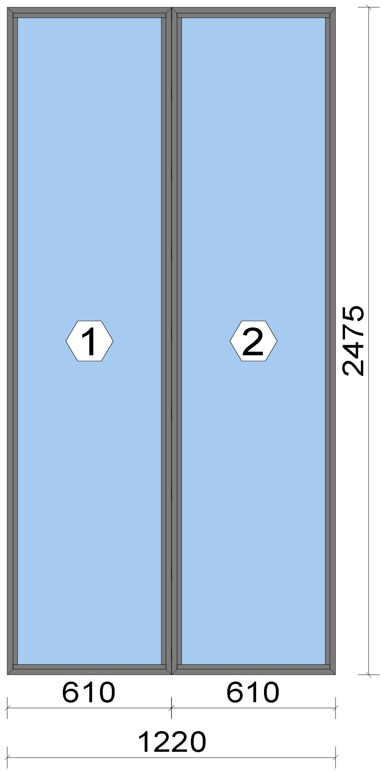
 |  |  |  |  |  |  |  |  |  |  |  |  |  |  |  |  | Position: DG.08 Quantity: 1 pcs System: Cortizo CASEMENT Hi PAS 24 Dry Size: 1,220 mm x 2,475 mm Scale: 1: 17 / Exterior view Finish: Special 1 Powder Coating 7037CM Dusty grey Special 1 Powder Coating

Stated quantities refer to one position each.
Profiles
Description |  |  |  |  |  |  |  |  | Finish |  |  |  | Number |  |  |  |  |  | Length [mm] |  |  | Quantity [Pcs.] |  |  |  | Weight [kg] |  |  |  | Price [£]

Window frame HI |  |  |  |  |  |  |  |  | Special 1 Powder Coating 7037CM |  |  |  | 3831 |  |  |  |  |  | 2,475.0 |  |  | 4 |  |  |  | 11.79 |  |  |  | *82.87
Window frame HI |  |  |  |  |  |  |  |  | Special 1 Powder Coating 7037CM |  |  |  | 3831 |  |  |  |  |  | 610.0 |  |  | 4 |  |  |  | 2.91 |  |  |  | *20.42
Total: |  |  |  |  |  |  |  |  |  |  |  |  |  |  |  |  |  |  |  |  |  |  |  |  |  | 14.70 |  |  |  | 103.29
The marked (*) prices include colour/finish.

 |  |  |  |  | Logikal 12.6 - ORGADATA AG , Am Nesseufer 14, 26789 Leer, Germany, +49 491 92782-500
 |  |  |  |  |  |  |  |  |  |  | Page: 31 from 81

 |  |  |  |  | Please check all results for plausibility. We do not take responsibility for any errors.

 | Estimation |  |  |  |  |  |  |  |  |  |  |  |  |  | Date: |  |  | 15/10/2026 / 16:37
 |  |  |  |  |  |  |  |  |  |  |  |  |  |  | Project: |  |  | Birch Hollow

Glazing Beads
Description |  |  |  |  |  |  |  |  | Finish |  |  |  | Number |  |  |  |  |  | Length [mm] |  |  | Quantity [Pcs.] |  |  |  | Weight [kg] |  |  |  | Price [£]

Bead 14 mm |  |  |  |  |  |  |  |  | Special 1 Powder Coating 7037CM |  |  |  | 3811 |  |  |  |  |  | 2,399.0 |  |  | 4 |  |  |  | 2.20 |  |  |  | *11.19
Bead 14 mm |  |  |  |  |  |  |  |  | Special 1 Powder Coating 7037CM |  |  |  | 3811 |  |  |  |  |  | 568.0 |  |  | 4 |  |  |  | 0.52 |  |  |  | *2.65
Total: |  |  |  |  |  |  |  |  |  |  |  |  |  |  |  |  |  |  |  |  |  |  |  |  |  | 2.72 |  |  |  | 13.84

Accessories
Description |  |  |  |  |  |  |  |  |  |  |  |  |  |  |  |  |  |  |  | Number |  |  |  | Quantity |  |  |  |  | Price [£]

Drainage cover |  |  |  |  |  |  |  |  |  |  |  |  |  |  |  |  |  |  |  | 920100 |  |  |  | 4 pc |  |  |  |  | 0.44
Alignment Cleat |  |  |  |  |  |  |  |  |  |  |  |  |  |  |  |  |  |  |  | 296839 |  |  |  | 8 pc |  |  |  |  | 3.67
Circular shaped pin cleat |  |  |  |  |  |  |  |  |  |  |  |  |  |  |  |  |  |  |  | 373802 |  |  |  | 8 pc |  |  |  |  | 3.47
Crimping/screw cleat |  |  |  |  |  |  |  |  |  |  |  |  |  |  |  |  |  |  |  | 373805 |  |  |  | 8 pc |  |  |  |  | 7.00
Screw DIN 965 M4x6 |  |  |  |  |  |  |  |  |  |  |  |  |  |  |  |  |  |  |  | 373810 |  |  |  | 16 pc |  |  |  |  | 0.27
Wedge for 3x44 mm glass |  |  |  |  |  |  |  |  |  |  |  |  |  |  |  |  |  |  |  | 330344 |  |  |  | 16 pc |  |  |  |  | 1.63
Total: |  |  |  |  |  |  |  |  |  |  |  |  |  |  |  |  |  |  |  |  |  |  |  |  |  |  |  |  | 16.49

Gaskets
Description |  |  |  |  |  |  |  |  |  |  |  |  |  |  |  |  |  |  |  | Number |  |  |  | Quantity [m] |  |  |  |  | Price [£]

Glazing outer gasket 3,6 mm |  |  |  |  |  |  |  |  |  |  |  |  |  |  |  |  |  |  |  | 240124 |  |  |  | 12.08 |  |  |  |  | 4.42
Glazing inner gasket 6 mm |  |  |  |  |  |  |  |  |  |  |  |  |  |  |  |  |  |  |  | 240136 |  |  |  | 12.03 |  |  |  |  | 7.37
Insulating foam of 30 mm x 5 mm |  |  |  |  |  |  |  |  |  |  |  |  |  |  |  |  |  |  |  | 320024 |  |  |  | 12.36 |  |  |  |  | 3.36
Total: |  |  |  |  |  |  |  |  |  |  |  |  |  |  |  |  |  |  |  |  |  |  |  |  |  |  |  |  | 15.14

Glass
Description |  |  |  |  |  |  |  |  |  |  |  |  |  | Area [m²] |  |  |  |  |  | Dimension [mm] |  |  |  | Quantity [Pcs.] |  |  |  |  | Price [£]

4mm TG TGH STD, 42 mm |  |  |  |  |  |  |  |  |  |  |  |  |  | 1.35 (1.36) |  |  |  |  |  | 558 x 2,423 |  |  |  | 2 |  |  |  |  | 282.58
Total: |  |  |  |  |  |  |  |  |  |  |  |  |  | 2.70 (2.72) |  |  |  |  |  |  |  |  |  | 2 |  |  |  |  | 282.58

Finish

Description |  |  |  |  |  |  |  |  |  |  |  | Price [£/m²] |  |  |  |  |  |  |  | Quantity [m²] |  |  |  |  |  |  | Total [£]

 |  |  |  |  |  |  |  | Special 1 Powder Coating 7037CM |  |  |  | 3.19 |  |  |  |  |  |  |  | 6.802 |  |  |  |  |  |  | 21.70
Total |  |  |  |  |  |  |  |  |  |  |  |  |  |  |  |  |  |  |  | 6.802 |  |  |  |  |  |  | 21.70

Discount group

Description |  |  |  |  |  |  |  |  |  | Profiles [kg] |  |  |  |  |  | Profiles [£] |  |  |  |  | Accessories [£] |  |  |  |  |  |  | Hardware [£]

Cortizo 1 |  |  |  |  |  |  |  |  |  | 2.724 |  |  |  |  |  | 13.84
Cortizo 2 |  |  |  |  |  |  |  |  |  | 14.703 |  |  |  |  |  | 103.29
Cortizo ACCESORIO |  |  |  |  |  |  |  |  |  |  |  |  |  |  |  |  |  |  |  |  | 31.63
Total: |  |  |  |  |  |  |  |  |  | 17.427 |  |  |  |  |  | 117.13 |  |  |  |  | 31.63

Summary
Description |  |  |  |  |  |  |  |  |  |  |  |  |  |  |  |  |  |  |  |  |  |  |  |  | [£]
Profiles incl. Coating |  |  |  |  |  |  |  |  |  |  |  |  |  |  |  |  |  |  |  |  |  |  |  |  | 117.13
Finish |  |  |  |  |  |  |  |  |  |  |  |  |  |  |  |  |  |  |  |  |  |  |  |  | 21.70
Accessories |  |  |  |  |  |  |  |  |  |  |  |  |  |  |  |  |  |  |  |  |  |  |  |  | 16.49

 |  |  |  |  | Logikal 12.6 - ORGADATA AG , Am Nesseufer 14, 26789 Leer, Germany, +49 491 92782-500
 |  |  |  |  |  |  |  |  |  |  | Page: 32 from 81

 |  |  |  |  | Please check all results for plausibility. We do not take responsibility for any errors.

 | Estimation |  |  |  |  |  |  |  |  |  |  |  |  |  | Date: |  |  | 15/10/2026 / 16:37
 |  |  |  |  |  |  |  |  |  |  |  |  |  |  | Project: |  |  | Birch Hollow

Hardware |  |  |  |  |  |  |  |  |  |  |  |  |  |  |  |  |  |  |  |  |  |  |  |  | 0.00
Gaskets |  |  |  |  |  |  |  |  |  |  |  |  |  |  |  |  |  |  |  |  |  |  |  |  | 15.14
Small materials |  |  |  |  |  |  |  |  |  |  |  |  |  |  |  |  |  |  |  |  |  |  |  |  | 0.00
Total Material |  |  |  |  |  |  |  |  |  |  |  |  |  |  |  |  |  |  |  |  |  |  |  |  | 170.46

Glass |  |  |  |  |  |  |  |  |  |  |  |  |  |  |  |  |  |  |  |  |  |  |  |  | 282.58
Insertion Costs Glass |  |  |  |  |  |  |  |  |  |  |  |  |  |  |  |  |  |  |  |  |  |  |  |  | 0.00
Insertion Costs Panel |  |  |  |  |  |  |  |  |  |  |  |  |  |  |  |  |  |  |  |  |  |  |  |  | 0.00
Total Glass |  |  |  |  |  |  |  |  |  |  |  |  |  |  |  |  |  |  |  |  |  |  |  |  | 282.58

Outer frame corner |  |  |  |  |  |  |  |  |  |  |  |  |  |  |  |  | 60 min @ 25.00 £/h |  |  |  |  |  |  |  | 25.00
Installation |  |  |  |  |  |  |  |  |  |  |  |  |  |  |  |  | 0 min @ 25.00 £/h |  |  |  |  |  |  |  | 0.00
Total Wages |  |  |  |  |  |  |  |  |  |  |  |  |  |  |  |  |  |  |  |  |  |  |  |  | 25.00

Extra costs |  |  |  |  |  |  |  |  |  |  |  |  |  |  |  |  |  |  |  |  |  |  |  |  | 0.00
Net Total |  |  |  |  |  |  |  |  |  |  |  |  |  |  |  |  |  |  |  |  |  |  |  |  | 478.04

Total Costs |  |  |  |  |  |  |  |  |  |  |  |  |  |  |  |  |  |  |  |  |  |  |  |  | 478.04

Profit on material |  |  |  |  |  |  |  |  |  |  |  |  |  |  |  |  | 0.0 % |  |  |  |  |  |  |  | 0.00
Profit on glass purchase |  |  |  |  |  |  |  |  |  |  |  |  |  |  |  |  | 0.0 % |  |  |  |  |  |  |  | 0.00
Profit on wages |  |  |  |  |  |  |  |  |  |  |  |  |  |  |  |  | 0.0 % |  |  |  |  |  |  |  | 0.00
Profit on other costs |  |  |  |  |  |  |  |  |  |  |  |  |  |  |  |  | 0.0 % |  |  |  |  |  |  |  | 0.00
Estimated price |  |  |  |  |  |  |  |  |  |  |  |  |  |  |  |  |  |  |  |  |  |  |  |  | 478.04

Position area: |  |  |  |  |  |  |  |  |  |  |  |  |  |  |  |  |  |  |  |  |  |  |  |  | 3.02 m²
Estimated price / m² |  |  |  |  |  |  |  |  |  |  |  |  |  |  |  |  |  |  |  |  |  |  |  |  | 158.29 £
Weight / Profiles |  |  |  |  |  |  |  |  |  |  |  |  |  |  |  |  |  |  |  |  |  |  |  |  | 19.42 kg
Weight / Glass |  |  |  |  |  |  |  |  |  |  |  |  |  |  |  |  |  |  |  |  |  |  |  |  | 81.12 kg
Weight for estimation |  |  |  |  |  |  |  |  |  |  |  |  |  |  |  |  |  |  |  |  |  |  |  |  | 100.54 kg

 |  |  |  |  | Logikal 12.6 - ORGADATA AG , Am Nesseufer 14, 26789 Leer, Germany, +49 491 92782-500
 |  |  |  |  |  |  |  |  |  |  | Page: 33 from 81

 |  |  |  |  | Please check all results for plausibility. We do not take responsibility for any errors.

 | Estimation |  |  |  |  |  |  |  |  |  |  |  |  |  | Date: |  |  | 15/10/2026 / 16:37
 |  |  |  |  |  |  |  |  |  |  |  |  |  |  | Project: |  |  | Birch Hollow

 |  |  |  |  |  |  |  |  |  |  |  |  |  |  |  |  | Person in charge: Estimation data: Directory: |  |  |  |  |  | Administrator CORTIZO - September 2026 QUOTES\B\

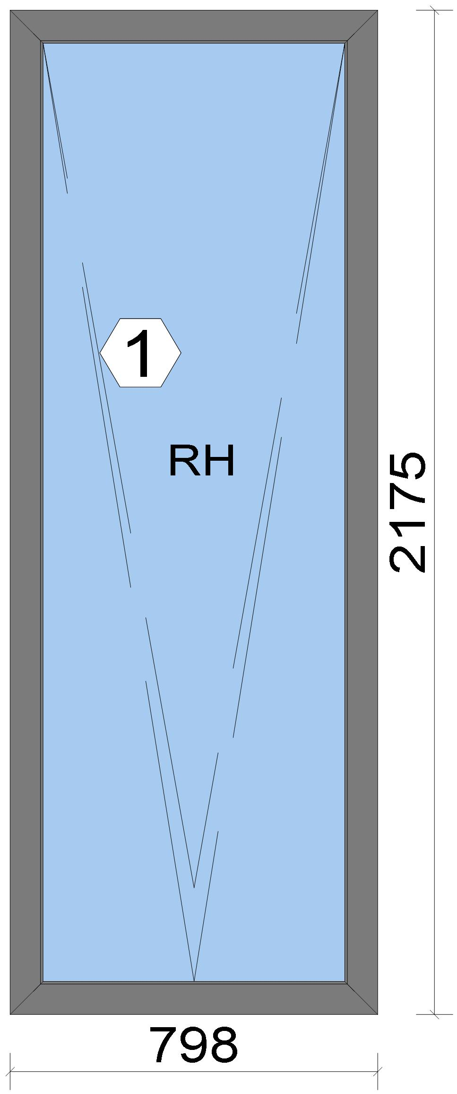
 |  |  |  |  |  |  |  |  |  |  |  |  |  |  |  |  | Position: WG.01 Quantity: 1 pcs System: Cortizo COR 70 HO HI HI + Gasket Outside Size: 798 mm x 2,175 mm Scale: 1: 12 / Exterior view Finish: Special 1 Powder Coating 7037CM Dusty grey Special 1 Powder Coating

Stated quantities refer to one position each.

Warning!:

The current height is greater than the maximum allowed height (1800 mm) of the sash profile!

 |  |  |  |  | Logikal 12.6 - ORGADATA AG , Am Nesseufer 14, 26789 Leer, Germany, +49 491 92782-500
 |  |  |  |  |  |  |  |  |  |  | Page: 34 from 81

 |  |  |  |  | Please check all results for plausibility. We do not take responsibility for any errors.

 | Estimation |  |  |  |  |  |  |  |  |  |  |  |  |  | Date: |  |  | 15/10/2026 / 16:37
 |  |  |  |  |  |  |  |  |  |  |  |  |  |  | Project: |  |  | Birch Hollow

Profiles
Description |  |  |  |  |  |  |  |  | Finish |  |  |  | Number |  |  |  |  |  | Length [mm] |  |  | Quantity [Pcs.] |  |  |  | Weight [kg] |  |  |  | Price [£]

46 mm window sash |  |  |  |  |  |  |  |  | Special 1 Powder Coating 7037CM |  |  |  | 7906 |  |  |  |  |  | 2,132.0 |  |  | 2 |  |  |  | 5.55 |  |  |  | *36.84
46 mm window sash |  |  |  |  |  |  |  |  | Special 1 Powder Coating 7037CM |  |  |  | 7906 |  |  |  |  |  | 755.0 |  |  | 2 |  |  |  | 1.97 |  |  |  | *13.05
Hidden Sash frame HI |  |  |  |  |  |  |  |  | Special 1 Powder Coating 7037CM |  |  |  | 7910 |  |  |  |  |  | 2,175.0 |  |  | 2 |  |  |  | 5.95 |  |  |  | *41.44
Hidden Sash frame HI |  |  |  |  |  |  |  |  | Special 1 Powder Coating 7037CM |  |  |  | 7910 |  |  |  |  |  | 798.0 |  |  | 2 |  |  |  | 2.18 |  |  |  | *15.20
Total: |  |  |  |  |  |  |  |  |  |  |  |  |  |  |  |  |  |  |  |  |  |  |  |  |  | 15.65 |  |  |  | 106.53
The marked (*) prices include colour/finish.

Glazing Beads
Description |  |  |  |  |  |  |  |  | Finish |  |  |  | Number |  |  |  |  |  | Length [mm] |  |  | Quantity [Pcs.] |  |  |  | Weight [kg] |  |  |  | Price [£]

Hidden sash outside beading - Black |  |  |  |  |  |  |  |  | gris |  |  |  | 7188 |  |  |  |  |  | 2,074.6 |  |  | 2 |  |  |  | 0.62 |  |  |  | *7.34
Hidden sash outside beading - Black |  |  |  |  |  |  |  |  | gris |  |  |  | 7188 |  |  |  |  |  | 697.6 |  |  | 2 |  |  |  | 0.21 |  |  |  | *2.47
Total: |  |  |  |  |  |  |  |  |  |  |  |  |  |  |  |  |  |  |  |  |  |  |  |  |  | 0.83 |  |  |  | 9.80

Accessories
Description |  |  |  |  |  |  |  |  |  |  |  |  |  |  |  |  |  |  |  | Number |  |  |  | Quantity |  |  |  |  | Price [£]

Alignment cleat |  |  |  |  |  |  |  |  |  |  |  |  |  |  |  |  |  |  |  | 287311 |  |  |  | 4 pc |  |  |  |  | 2.07
Round teton cleat |  |  |  |  |  |  |  |  |  |  |  |  |  |  |  |  |  |  |  | 327921 |  |  |  | 8 pc |  |  |  |  | 4.83
Mechanical cleat |  |  |  |  |  |  |  |  |  |  |  |  |  |  |  |  |  |  |  | 347922 |  |  |  | 4 pc |  |  |  |  | 2.38
HI central gasket vulcanised angle |  |  |  |  |  |  |  |  |  |  |  |  |  |  |  |  |  |  |  | 407900 |  |  |  | 4 pc |  |  |  |  | 3.23
Drainage cover |  |  |  |  |  |  |  |  |  |  |  |  |  |  |  |  |  |  |  | 920104 |  |  |  | 2 pc |  |  |  |  | 0.29
Alignment Cleat |  |  |  |  |  |  |  |  |  |  |  |  |  |  |  |  |  |  |  | 217003 |  |  |  | 4 pc |  |  |  |  | 0.71
Injection cleat |  |  |  |  |  |  |  |  |  |  |  |  |  |  |  |  |  |  |  | 248220 |  |  |  | 4 pc |  |  |  |  | 2.38
Cor-7906 sash wedge |  |  |  |  |  |  |  |  |  |  |  |  |  |  |  |  |  |  |  | 347906 |  |  |  | 8 pc |  |  |  |  | 7.28
Total: |  |  |  |  |  |  |  |  |  |  |  |  |  |  |  |  |  |  |  |  |  |  |  |  |  |  |  |  | 23.17

Hardware
Description |  |  |  |  |  |  |  |  |  |  |  |  |  |  |  |  |  |  |  | Number |  |  |  | Quantity |  |  |  |  | Price [£]

Tilt restrictor friction stay |  |  |  |  |  |  |  |  |  |  |  |  |  |  |  |  |  |  |  | 432034 |  |  |  | 1 pc |  |  |  |  | 10.52
Edge handles SKG with key |  |  |  |  |  |  |  |  |  |  |  |  |  |  |  |  |  |  |  | 432067 |  |  |  | 1 pc |  |  |  |  | 21.84
90 kg tilt concealed hinges set / Bottom Rail |  |  |  |  |  |  |  |  |  |  |  |  |  |  |  |  |  |  |  | 432152 |  |  |  | 1 pc |  |  |  |  | 38.02
Base set with vertically fitted handle with asti slam shut |  |  |  |  |  |  |  |  |  |  |  |  |  |  |  |  |  |  |  | 432193 |  |  |  | 1 pc |  |  |  |  | 25.89
100 mm plastic connection rod with 50 mm notching / Above Handle |  |  |  |  |  |  |  |  |  |  |  |  |  |  |  |  |  |  |  | 432301 |  |  |  | 1 pc |  |  |  |  | 0.73
100 mm plastic connection rod with 50 mm notching / Below Handle |  |  |  |  |  |  |  |  |  |  |  |  |  |  |  |  |  |  |  | 432301 |  |  |  | 1 pc |  |  |  |  | 0.73
150 mm plastic connection rod with 50 mm notching / Top Rail |  |  |  |  |  |  |  |  |  |  |  |  |  |  |  |  |  |  |  | 432303 |  |  |  | 1 pc |  |  |  |  | 0.87
160 mm plastic connection rod with 50 mm notching / Top Rail |  |  |  |  |  |  |  |  |  |  |  |  |  |  |  |  |  |  |  | 432304 |  |  |  | 1 pc |  |  |  |  | 0.94

 |  |  |  |  | Logikal 12.6 - ORGADATA AG , Am Nesseufer 14, 26789 Leer, Germany, +49 491 92782-500
 |  |  |  |  |  |  |  |  |  |  | Page: 35 from 81

 |  |  |  |  | Please check all results for plausibility. We do not take responsibility for any errors.

 | Estimation |  |  |  |  |  |  |  |  |  |  |  |  |  | Date: |  |  | 15/10/2026 / 16:37
 |  |  |  |  |  |  |  |  |  |  |  |  |  |  | Project: |  |  | Birch Hollow

Description |  |  |  |  |  |  |  |  |  |  |  |  |  |  |  |  |  |  |  | Number |  |  |  | Quantity |  |  |  |  | Price [£]

365 mm plastic connecting rod with 50 mm notching / Below Handle |  |  |  |  |  |  |  |  |  |  |  |  |  |  |  |  |  |  |  | 432310 |  |  |  | 1 pc |  |  |  |  | 1.26
365 mm plastic connecting rod with 50 mm notching / Lateral |  |  |  |  |  |  |  |  |  |  |  |  |  |  |  |  |  |  |  | 432310 |  |  |  | 4 pc |  |  |  |  | 5.03
365 mm plastic connecting rod with 50 mm notching / Above Handle |  |  |  |  |  |  |  |  |  |  |  |  |  |  |  |  |  |  |  | 432310 |  |  |  | 1 pc |  |  |  |  | 1.26
365 mm plastic connecting rod with 50 mm notching / Below Handle |  |  |  |  |  |  |  |  |  |  |  |  |  |  |  |  |  |  |  | 432310 |  |  |  | 2 pc |  |  |  |  | 2.52
Frame strike / Top Rail |  |  |  |  |  |  |  |  |  |  |  |  |  |  |  |  |  |  |  | 432316 |  |  |  | 1 pc |  |  |  |  | 1.11
Frame strike / Top Rail |  |  |  |  |  |  |  |  |  |  |  |  |  |  |  |  |  |  |  | 432316 |  |  |  | 1 pc |  |  |  |  | 1.11
Frame strike / Top Rail |  |  |  |  |  |  |  |  |  |  |  |  |  |  |  |  |  |  |  | 432316 |  |  |  | 1 pc |  |  |  |  | 1.11
Frame strike / Top Rail |  |  |  |  |  |  |  |  |  |  |  |  |  |  |  |  |  |  |  | 432316 |  |  |  | 1 pc |  |  |  |  | 1.11
Frame strike / Top Rail |  |  |  |  |  |  |  |  |  |  |  |  |  |  |  |  |  |  |  | 432316 |  |  |  | 1 pc |  |  |  |  | 1.11
Frame strike / Top Rail |  |  |  |  |  |  |  |  |  |  |  |  |  |  |  |  |  |  |  | 432316 |  |  |  | 1 pc |  |  |  |  | 1.11
Transmission box |  |  |  |  |  |  |  |  |  |  |  |  |  |  |  |  |  |  |  | 432345 |  |  |  | 1 pc |  |  |  |  | 9.84
Total: |  |  |  |  |  |  |  |  |  |  |  |  |  |  |  |  |  |  |  |  |  |  |  |  |  |  |  |  | 126.12

Gaskets
Description |  |  |  |  |  |  |  |  |  |  |  |  |  |  |  |  |  |  |  | Number |  |  |  | Quantity [m] |  |  |  |  | Price [£]

Insulating foam of 40 mm x 5 mm |  |  |  |  |  |  |  |  |  |  |  |  |  |  |  |  |  |  |  | 320023 |  |  |  | 6.12 |  |  |  |  | 2.71
Joint central HI |  |  |  |  |  |  |  |  |  |  |  |  |  |  |  |  |  |  |  | 407901 |  |  |  | 5.90 |  |  |  |  | 9.48
Inner gasket |  |  |  |  |  |  |  |  |  |  |  |  |  |  |  |  |  |  |  | 223010 |  |  |  | 5.95 |  |  |  |  | 1.82
Outer gasket |  |  |  |  |  |  |  |  |  |  |  |  |  |  |  |  |  |  |  | 237202 |  |  |  | 5.53 |  |  |  |  | 0.99
35 x 3 mm isolation foam |  |  |  |  |  |  |  |  |  |  |  |  |  |  |  |  |  |  |  | 343503 |  |  |  | 5.71 |  |  |  |  | 0.68
Frame groove cap gasket |  |  |  |  |  |  |  |  |  |  |  |  |  |  |  |  |  |  |  | 455740 |  |  |  | 5.95 |  |  |  |  | 1.97
Total: |  |  |  |  |  |  |  |  |  |  |  |  |  |  |  |  |  |  |  |  |  |  |  |  |  |  |  |  | 17.64

Glass
Description |  |  |  |  |  |  |  |  |  |  |  |  |  | Area [m²] |  |  |  |  |  | Dimension [mm] |  |  |  | Quantity [Pcs.] |  |  |  |  | Price [£]

4mm TG TGH STD, 40 mm |  |  |  |  |  |  |  |  |  |  |  |  |  | 1.39 (1.40) |  |  |  |  |  | 678 x 2,055 |  |  |  | 1 |  |  |  |  | 145.45
Total: |  |  |  |  |  |  |  |  |  |  |  |  |  | 1.39 (1.40) |  |  |  |  |  |  |  |  |  | 1 |  |  |  |  | 145.45

Finish

Description |  |  |  |  |  |  |  |  |  |  |  | Price [£/m²] |  |  |  |  |  |  |  | Quantity [m²] |  |  |  |  |  |  | Total [£]

 |  |  |  |  |  |  |  | Special 1 Powder Coating 7037CM |  |  |  | 3.19 |  |  |  |  |  |  |  | 5.473 |  |  |  |  |  |  | 17.46
Total |  |  |  |  |  |  |  |  |  |  |  |  |  |  |  |  |  |  |  | 5.473 |  |  |  |  |  |  | 17.46

Discount group

Description |  |  |  |  |  |  |  |  |  | Profiles [kg] |  |  |  |  |  | Profiles [£] |  |  |  |  | Accessories [£] |  |  |  |  |  |  | Hardware [£]

Cortizo 2 |  |  |  |  |  |  |  |  |  | 15.653 |  |  |  |  |  | 106.53
Cortizo ACCESORIO |  |  |  |  |  |  |  |  |  |  |  |  |  |  |  |  |  |  |  |  | 40.81 |  |  |  |  |  |  | 126.12
Cortizo PROFILE |  |  |  |  |  |  |  |  |  |  |  |  |  |  |  | 9.80
Total: |  |  |  |  |  |  |  |  |  | 15.653 |  |  |  |  |  | 116.33 |  |  |  |  | 40.81 |  |  |  |  |  |  | 126.12

Summary
Description |  |  |  |  |  |  |  |  |  |  |  |  |  |  |  |  |  |  |  |  |  |  |  |  | [£]
Profiles incl. Coating |  |  |  |  |  |  |  |  |  |  |  |  |  |  |  |  |  |  |  |  |  |  |  |  | 116.33
Finish |  |  |  |  |  |  |  |  |  |  |  |  |  |  |  |  |  |  |  |  |  |  |  |  | 17.46
Accessories |  |  |  |  |  |  |  |  |  |  |  |  |  |  |  |  |  |  |  |  |  |  |  |  | 23.17
Hardware |  |  |  |  |  |  |  |  |  |  |  |  |  |  |  |  |  |  |  |  |  |  |  |  | 126.12

 |  |  |  |  | Logikal 12.6 - ORGADATA AG , Am Nesseufer 14, 26789 Leer, Germany, +49 491 92782-500
 |  |  |  |  |  |  |  |  |  |  | Page: 36 from 81

 |  |  |  |  | Please check all results for plausibility. We do not take responsibility for any errors.

 | Estimation |  |  |  |  |  |  |  |  |  |  |  |  |  | Date: |  |  | 15/10/2026 / 16:37
 |  |  |  |  |  |  |  |  |  |  |  |  |  |  | Project: |  |  | Birch Hollow

Gaskets |  |  |  |  |  |  |  |  |  |  |  |  |  |  |  |  |  |  |  |  |  |  |  |  | 17.64
Small materials |  |  |  |  |  |  |  |  |  |  |  |  |  |  |  |  |  |  |  |  |  |  |  |  | 0.00
Total Material |  |  |  |  |  |  |  |  |  |  |  |  |  |  |  |  |  |  |  |  |  |  |  |  | 300.72

Glass |  |  |  |  |  |  |  |  |  |  |  |  |  |  |  |  |  |  |  |  |  |  |  |  | 145.45
Insertion Costs Glass |  |  |  |  |  |  |  |  |  |  |  |  |  |  |  |  |  |  |  |  |  |  |  |  | 0.00
Insertion Costs Panel |  |  |  |  |  |  |  |  |  |  |  |  |  |  |  |  |  |  |  |  |  |  |  |  | 0.00
Total Glass |  |  |  |  |  |  |  |  |  |  |  |  |  |  |  |  |  |  |  |  |  |  |  |  | 145.45

Outer frame corner |  |  |  |  |  |  |  |  |  |  |  |  |  |  |  |  | 100 min @ 25.00 £/h |  |  |  |  |  |  |  | 41.67
Sash Corners |  |  |  |  |  |  |  |  |  |  |  |  |  |  |  |  | 172 min @ 25.00 £/h |  |  |  |  |  |  |  | 71.67
Installation |  |  |  |  |  |  |  |  |  |  |  |  |  |  |  |  | 0 min @ 25.00 £/h |  |  |  |  |  |  |  | 0.00
Total Wages |  |  |  |  |  |  |  |  |  |  |  |  |  |  |  |  |  |  |  |  |  |  |  |  | 113.34

Extra costs |  |  |  |  |  |  |  |  |  |  |  |  |  |  |  |  |  |  |  |  |  |  |  |  | 0.00
Net Total |  |  |  |  |  |  |  |  |  |  |  |  |  |  |  |  |  |  |  |  |  |  |  |  | 559.51

Total Costs |  |  |  |  |  |  |  |  |  |  |  |  |  |  |  |  |  |  |  |  |  |  |  |  | 559.51

Profit on material |  |  |  |  |  |  |  |  |  |  |  |  |  |  |  |  | 0.0 % |  |  |  |  |  |  |  | 0.00
Profit on glass purchase |  |  |  |  |  |  |  |  |  |  |  |  |  |  |  |  | 0.0 % |  |  |  |  |  |  |  | 0.00
Profit on wages |  |  |  |  |  |  |  |  |  |  |  |  |  |  |  |  | 0.0 % |  |  |  |  |  |  |  | 0.00
Profit on other costs |  |  |  |  |  |  |  |  |  |  |  |  |  |  |  |  | 0.0 % |  |  |  |  |  |  |  | 0.00
Estimated price |  |  |  |  |  |  |  |  |  |  |  |  |  |  |  |  |  |  |  |  |  |  |  |  | 559.51

Position area: |  |  |  |  |  |  |  |  |  |  |  |  |  |  |  |  |  |  |  |  |  |  |  |  | 1.74 m²
Estimated price / m² |  |  |  |  |  |  |  |  |  |  |  |  |  |  |  |  |  |  |  |  |  |  |  |  | 322.30 £
Weight / Profiles |  |  |  |  |  |  |  |  |  |  |  |  |  |  |  |  |  |  |  |  |  |  |  |  | 18.45 kg
Weight / Glass |  |  |  |  |  |  |  |  |  |  |  |  |  |  |  |  |  |  |  |  |  |  |  |  | 41.77 kg
Weight for estimation |  |  |  |  |  |  |  |  |  |  |  |  |  |  |  |  |  |  |  |  |  |  |  |  | 60.21 kg

Note |  |  |  |  |  |  | While calculating this position the following facts were discovered which may cause a slightly too high or too low estimation result.

> |  | Hardware of at least one insertion does not fulfil all conditions. Please check selected hardware.

 |  |  |  |  | Logikal 12.6 - ORGADATA AG , Am Nesseufer 14, 26789 Leer, Germany, +49 491 92782-500
 |  |  |  |  |  |  |  |  |  |  | Page: 37 from 81

 |  |  |  |  | Please check all results for plausibility. We do not take responsibility for any errors.

 | Estimation |  |  |  |  |  |  |  |  |  |  |  |  |  | Date: |  |  | 15/10/2026 / 16:37
 |  |  |  |  |  |  |  |  |  |  |  |  |  |  | Project: |  |  | Birch Hollow

 |  |  |  |  |  |  |  |  |  |  |  |  |  |  |  |  | Person in charge: Estimation data: Directory: |  |  |  |  |  | Administrator CORTIZO - September 2026 QUOTES\B\

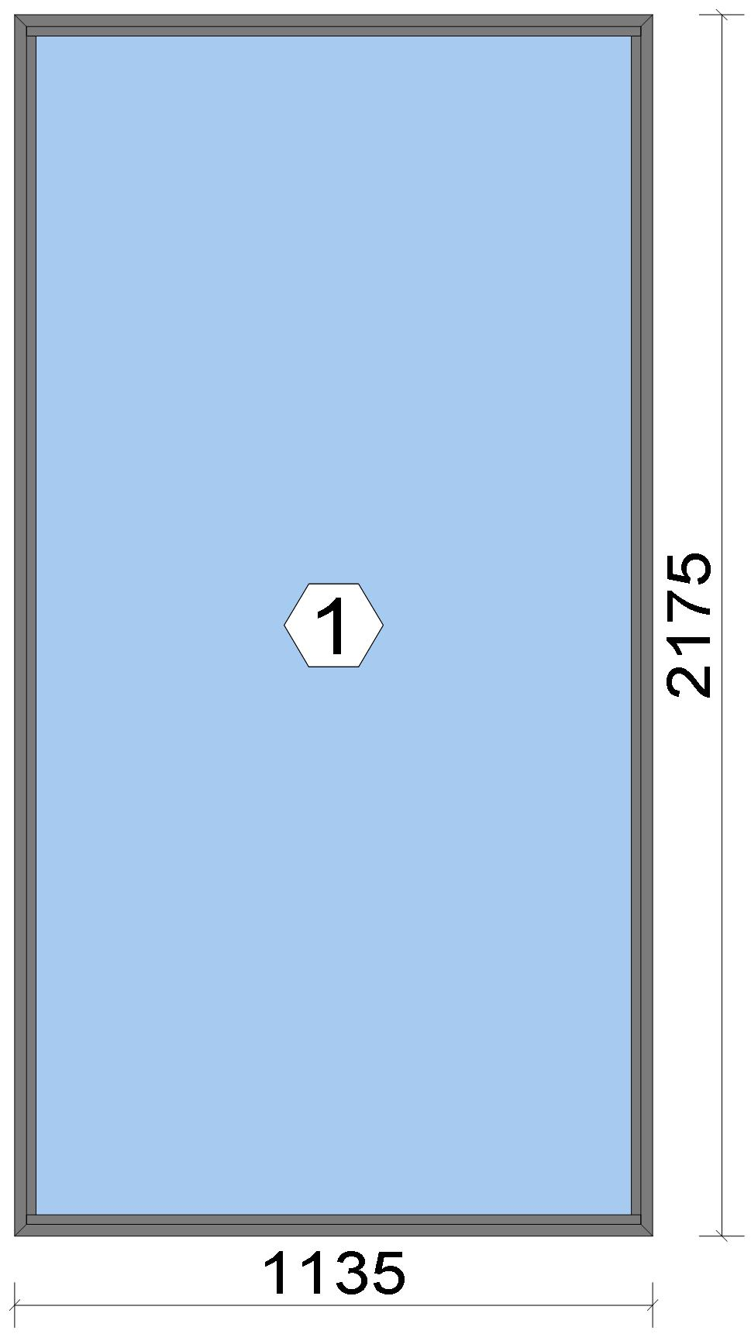
 |  |  |  |  |  |  |  |  |  |  |  |  |  |  |  |  | Position: WG.02 Quantity: 1 pcs System: Cortizo CASEMENT Hi PAS 24 Dry Size: 1,135 mm x 2,175 mm Scale: 1: 16 / Exterior view Finish: Special 1 Powder Coating 7037CM Dusty grey Special 1 Powder Coating

Stated quantities refer to one position each.
Profiles
Description |  |  |  |  |  |  |  |  | Finish |  |  |  | Number |  |  |  |  |  | Length [mm] |  |  | Quantity [Pcs.] |  |  |  | Weight [kg] |  |  |  | Price [£]

Window frame HI |  |  |  |  |  |  |  |  | Special 1 Powder Coating 7037CM |  |  |  | 3831 |  |  |  |  |  | 2,175.0 |  |  | 2 |  |  |  | 5.18 |  |  |  | *36.41
Window frame HI |  |  |  |  |  |  |  |  | Special 1 Powder Coating 7037CM |  |  |  | 3831 |  |  |  |  |  | 1,135.0 |  |  | 2 |  |  |  | 2.70 |  |  |  | *19.00
Total: |  |  |  |  |  |  |  |  |  |  |  |  |  |  |  |  |  |  |  |  |  |  |  |  |  | 7.88 |  |  |  | 55.41
The marked (*) prices include colour/finish.

 |  |  |  |  | Logikal 12.6 - ORGADATA AG , Am Nesseufer 14, 26789 Leer, Germany, +49 491 92782-500
 |  |  |  |  |  |  |  |  |  |  | Page: 38 from 81

 |  |  |  |  | Please check all results for plausibility. We do not take responsibility for any errors.

 | Estimation |  |  |  |  |  |  |  |  |  |  |  |  |  | Date: |  |  | 15/10/2026 / 16:37
 |  |  |  |  |  |  |  |  |  |  |  |  |  |  | Project: |  |  | Birch Hollow

Glazing Beads
Description |  |  |  |  |  |  |  |  | Finish |  |  |  | Number |  |  |  |  |  | Length [mm] |  |  | Quantity [Pcs.] |  |  |  | Weight [kg] |  |  |  | Price [£]

Bead 14 mm |  |  |  |  |  |  |  |  | Special 1 Powder Coating 7037CM |  |  |  | 3811 |  |  |  |  |  | 2,099.0 |  |  | 2 |  |  |  | 0.96 |  |  |  | *4.89
Bead 14 mm |  |  |  |  |  |  |  |  | Special 1 Powder Coating 7037CM |  |  |  | 3811 |  |  |  |  |  | 1,093.0 |  |  | 2 |  |  |  | 0.50 |  |  |  | *2.55
Total: |  |  |  |  |  |  |  |  |  |  |  |  |  |  |  |  |  |  |  |  |  |  |  |  |  | 1.46 |  |  |  | 7.44

Accessories
Description |  |  |  |  |  |  |  |  |  |  |  |  |  |  |  |  |  |  |  | Number |  |  |  | Quantity |  |  |  |  | Price [£]

Alignment Cleat |  |  |  |  |  |  |  |  |  |  |  |  |  |  |  |  |  |  |  | 296839 |  |  |  | 4 pc |  |  |  |  | 1.84
Circular shaped pin cleat |  |  |  |  |  |  |  |  |  |  |  |  |  |  |  |  |  |  |  | 373802 |  |  |  | 4 pc |  |  |  |  | 1.73
Crimping/screw cleat |  |  |  |  |  |  |  |  |  |  |  |  |  |  |  |  |  |  |  | 373805 |  |  |  | 4 pc |  |  |  |  | 3.50
Screw DIN 965 M4x6 |  |  |  |  |  |  |  |  |  |  |  |  |  |  |  |  |  |  |  | 373810 |  |  |  | 8 pc |  |  |  |  | 0.14
Drainage cover |  |  |  |  |  |  |  |  |  |  |  |  |  |  |  |  |  |  |  | 920100 |  |  |  | 3 pc |  |  |  |  | 0.33
Wedge for 3x44 mm glass |  |  |  |  |  |  |  |  |  |  |  |  |  |  |  |  |  |  |  | 330344 |  |  |  | 8 pc |  |  |  |  | 0.82
Total: |  |  |  |  |  |  |  |  |  |  |  |  |  |  |  |  |  |  |  |  |  |  |  |  |  |  |  |  | 8.36

Gaskets
Description |  |  |  |  |  |  |  |  |  |  |  |  |  |  |  |  |  |  |  | Number |  |  |  | Quantity [m] |  |  |  |  | Price [£]

Glazing outer gasket 3,6 mm |  |  |  |  |  |  |  |  |  |  |  |  |  |  |  |  |  |  |  | 240124 |  |  |  | 6.51 |  |  |  |  | 2.38
Glazing inner gasket 6 mm |  |  |  |  |  |  |  |  |  |  |  |  |  |  |  |  |  |  |  | 240136 |  |  |  | 6.48 |  |  |  |  | 3.97
Insulating foam of 30 mm x 5 mm |  |  |  |  |  |  |  |  |  |  |  |  |  |  |  |  |  |  |  | 320024 |  |  |  | 6.65 |  |  |  |  | 1.81
Total: |  |  |  |  |  |  |  |  |  |  |  |  |  |  |  |  |  |  |  |  |  |  |  |  |  |  |  |  | 8.15

Glass
Description |  |  |  |  |  |  |  |  |  |  |  |  |  | Area [m²] |  |  |  |  |  | Dimension [mm] |  |  |  | Quantity [Pcs.] |  |  |  |  | Price [£]

4mm TG TGH STD, 42 mm |  |  |  |  |  |  |  |  |  |  |  |  |  | 2.30 (2.32) |  |  |  |  |  | 1,083 x 2,123 |  |  |  | 1 |  |  |  |  | 241.06
Total: |  |  |  |  |  |  |  |  |  |  |  |  |  | 2.30 (2.32) |  |  |  |  |  |  |  |  |  | 1 |  |  |  |  | 241.06

Finish

Description |  |  |  |  |  |  |  |  |  |  |  | Price [£/m²] |  |  |  |  |  |  |  | Quantity [m²] |  |  |  |  |  |  | Total [£]

 |  |  |  |  |  |  |  | Special 1 Powder Coating 7037CM |  |  |  | 3.19 |  |  |  |  |  |  |  | 3.651 |  |  |  |  |  |  | 11.65
Total |  |  |  |  |  |  |  |  |  |  |  |  |  |  |  |  |  |  |  | 3.651 |  |  |  |  |  |  | 11.65

Discount group

Description |  |  |  |  |  |  |  |  |  | Profiles [kg] |  |  |  |  |  | Profiles [£] |  |  |  |  | Accessories [£] |  |  |  |  |  |  | Hardware [£]

Cortizo 1 |  |  |  |  |  |  |  |  |  | 1.465 |  |  |  |  |  | 7.44
Cortizo 2 |  |  |  |  |  |  |  |  |  | 7.888 |  |  |  |  |  | 55.41
Cortizo ACCESORIO |  |  |  |  |  |  |  |  |  |  |  |  |  |  |  |  |  |  |  |  | 16.51
Total: |  |  |  |  |  |  |  |  |  | 9.353 |  |  |  |  |  | 62.86 |  |  |  |  | 16.51

Summary
Description |  |  |  |  |  |  |  |  |  |  |  |  |  |  |  |  |  |  |  |  |  |  |  |  | [£]
Profiles incl. Coating |  |  |  |  |  |  |  |  |  |  |  |  |  |  |  |  |  |  |  |  |  |  |  |  | 62.86
Finish |  |  |  |  |  |  |  |  |  |  |  |  |  |  |  |  |  |  |  |  |  |  |  |  | 11.65
Accessories |  |  |  |  |  |  |  |  |  |  |  |  |  |  |  |  |  |  |  |  |  |  |  |  | 8.36

 |  |  |  |  | Logikal 12.6 - ORGADATA AG , Am Nesseufer 14, 26789 Leer, Germany, +49 491 92782-500
 |  |  |  |  |  |  |  |  |  |  | Page: 39 from 81

 |  |  |  |  | Please check all results for plausibility. We do not take responsibility for any errors.

 | Estimation |  |  |  |  |  |  |  |  |  |  |  |  |  | Date: |  |  | 15/10/2026 / 16:37
 |  |  |  |  |  |  |  |  |  |  |  |  |  |  | Project: |  |  | Birch Hollow

Hardware |  |  |  |  |  |  |  |  |  |  |  |  |  |  |  |  |  |  |  |  |  |  |  |  | 0.00
Gaskets |  |  |  |  |  |  |  |  |  |  |  |  |  |  |  |  |  |  |  |  |  |  |  |  | 8.15
Small materials |  |  |  |  |  |  |  |  |  |  |  |  |  |  |  |  |  |  |  |  |  |  |  |  | 0.00
Total Material |  |  |  |  |  |  |  |  |  |  |  |  |  |  |  |  |  |  |  |  |  |  |  |  | 91.02

Glass |  |  |  |  |  |  |  |  |  |  |  |  |  |  |  |  |  |  |  |  |  |  |  |  | 241.06
Insertion Costs Glass |  |  |  |  |  |  |  |  |  |  |  |  |  |  |  |  |  |  |  |  |  |  |  |  | 0.00
Insertion Costs Panel |  |  |  |  |  |  |  |  |  |  |  |  |  |  |  |  |  |  |  |  |  |  |  |  | 0.00
Total Glass |  |  |  |  |  |  |  |  |  |  |  |  |  |  |  |  |  |  |  |  |  |  |  |  | 241.06

Outer frame corner |  |  |  |  |  |  |  |  |  |  |  |  |  |  |  |  | 60 min @ 25.00 £/h |  |  |  |  |  |  |  | 25.00
Installation |  |  |  |  |  |  |  |  |  |  |  |  |  |  |  |  | 0 min @ 25.00 £/h |  |  |  |  |  |  |  | 0.00
Total Wages |  |  |  |  |  |  |  |  |  |  |  |  |  |  |  |  |  |  |  |  |  |  |  |  | 25.00

Extra costs |  |  |  |  |  |  |  |  |  |  |  |  |  |  |  |  |  |  |  |  |  |  |  |  | 0.00
Net Total |  |  |  |  |  |  |  |  |  |  |  |  |  |  |  |  |  |  |  |  |  |  |  |  | 357.08

Total Costs |  |  |  |  |  |  |  |  |  |  |  |  |  |  |  |  |  |  |  |  |  |  |  |  | 357.08

Profit on material |  |  |  |  |  |  |  |  |  |  |  |  |  |  |  |  | 0.0 % |  |  |  |  |  |  |  | 0.00
Profit on glass purchase |  |  |  |  |  |  |  |  |  |  |  |  |  |  |  |  | 0.0 % |  |  |  |  |  |  |  | 0.00
Profit on wages |  |  |  |  |  |  |  |  |  |  |  |  |  |  |  |  | 0.0 % |  |  |  |  |  |  |  | 0.00
Profit on other costs |  |  |  |  |  |  |  |  |  |  |  |  |  |  |  |  | 0.0 % |  |  |  |  |  |  |  | 0.00
Estimated price |  |  |  |  |  |  |  |  |  |  |  |  |  |  |  |  |  |  |  |  |  |  |  |  | 357.08

Position area: |  |  |  |  |  |  |  |  |  |  |  |  |  |  |  |  |  |  |  |  |  |  |  |  | 2.47 m²
Estimated price / m² |  |  |  |  |  |  |  |  |  |  |  |  |  |  |  |  |  |  |  |  |  |  |  |  | 144.63 £
Weight / Profiles |  |  |  |  |  |  |  |  |  |  |  |  |  |  |  |  |  |  |  |  |  |  |  |  | 10.43 kg
Weight / Glass |  |  |  |  |  |  |  |  |  |  |  |  |  |  |  |  |  |  |  |  |  |  |  |  | 68.98 kg
Weight for estimation |  |  |  |  |  |  |  |  |  |  |  |  |  |  |  |  |  |  |  |  |  |  |  |  | 79.40 kg

 |  |  |  |  | Logikal 12.6 - ORGADATA AG , Am Nesseufer 14, 26789 Leer, Germany, +49 491 92782-500
 |  |  |  |  |  |  |  |  |  |  | Page: 40 from 81

 |  |  |  |  | Please check all results for plausibility. We do not take responsibility for any errors.

 | Estimation |  |  |  |  |  |  |  |  |  |  |  |  |  | Date: |  |  | 15/10/2026 / 16:37
 |  |  |  |  |  |  |  |  |  |  |  |  |  |  | Project: |  |  | Birch Hollow

 |  |  |  |  |  |  |  |  |  |  |  |  |  |  |  |  | Person in charge: Estimation data: Directory: |  |  |  |  |  | Administrator CORTIZO - September 2026 QUOTES\B\

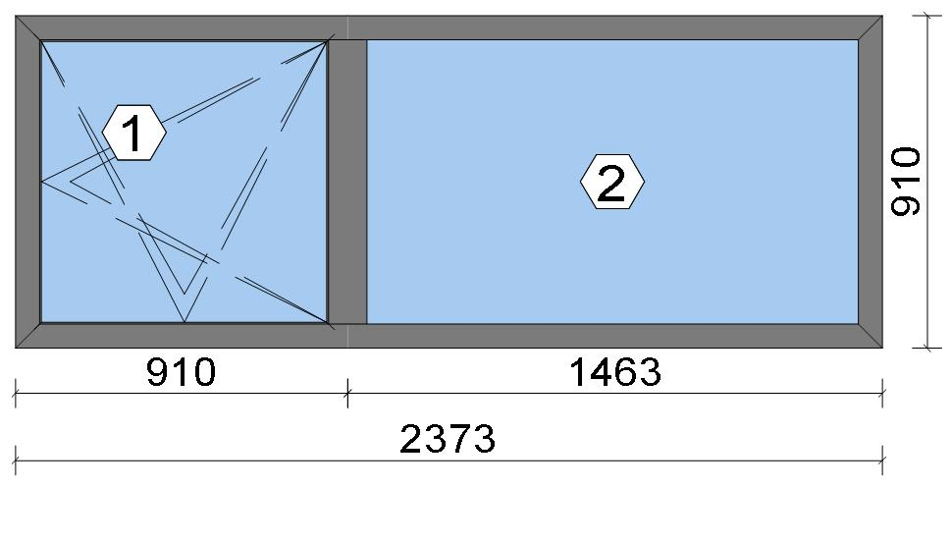
 |  |  |  |  |  |  |  |  |  |  |  |  |  |  |  |  | Position: WG.03 Quantity: 1 pcs System: Cortizo COR 70 HO HI HI + Gasket Outside Size: 2,373 mm x 910 mm Scale: 1: 31 / Exterior view Finish: Special 1 Powder Coating 7037CM Dusty grey Special 1 Powder Coating
Stated quantities refer to one position each.
Profiles
Description |  |  |  |  |  |  |  |  | Finish |  |  |  | Number |  |  |  |  |  | Length [mm] |  |  | Quantity [Pcs.] |  |  |  | Weight [kg] |  |  |  | Price [£]

46 mm window sash |  |  |  |  |  |  |  |  | Special 1 Powder Coating 7037CM |  |  |  | 7906 |  |  |  |  |  | 867.0 |  |  | 2 |  |  |  | 2.26 |  |  |  | *14.98
46 mm window sash |  |  |  |  |  |  |  |  | Special 1 Powder Coating 7037CM |  |  |  | 7906 |  |  |  |  |  | 880.6 |  |  | 2 |  |  |  | 2.29 |  |  |  | *15.22
Hidden Sash frame HI |  |  |  |  |  |  |  |  | Special 1 Powder Coating 7037CM |  |  |  | 7910 |  |  |  |  |  | 910.0 |  |  | 2 |  |  |  | 2.49 |  |  |  | *17.34
Hidden Sash frame HI |  |  |  |  |  |  |  |  | Special 1 Powder Coating 7037CM |  |  |  | 7910 |  |  |  |  |  | 2,373.0 |  |  | 2 |  |  |  | 6.49 |  |  |  | *45.21
Hidden sash symmetrical transom HI |  |  |  |  |  |  |  |  | Special 1 Powder Coating 7037CM |  |  |  | 8182 |  |  |  |  |  | 864.6 |  |  | 1 |  |  |  | 1.42 |  |  |  | *9.79
Total: |  |  |  |  |  |  |  |  |  |  |  |  |  |  |  |  |  |  |  |  |  |  |  |  |  | 14.95 |  |  |  | 102.54
The marked (*) prices include colour/finish.

Glazing Beads
Description |  |  |  |  |  |  |  |  | Finish |  |  |  | Number |  |  |  |  |  | Length [mm] |  |  | Quantity [Pcs.] |  |  |  | Weight [kg] |  |  |  | Price [£]

Hidden sash outside beading - Black |  |  |  |  |  |  |  |  | gris |  |  |  | 7188 |  |  |  |  |  | 809.6 |  |  | 2 |  |  |  | 0.24 |  |  |  | *2.86
Hidden sash outside beading - Black |  |  |  |  |  |  |  |  | gris |  |  |  | 7188 |  |  |  |  |  | 823.2 |  |  | 2 |  |  |  | 0.25 |  |  |  | *2.91
18 mm beading for fixed part - Hidden Sash |  |  |  |  |  |  |  |  | Special 1 Powder Coating 7037CM |  |  |  | 7098 |  |  |  |  |  | 784.8 |  |  | 2 |  |  |  | 0.65 |  |  |  | *3.29
18 mm beading for fixed part - Hidden Sash |  |  |  |  |  |  |  |  | Special 1 Powder Coating 7037CM |  |  |  | 7098 |  |  |  |  |  | 1,422.2 |  |  | 2 |  |  |  | 1.17 |  |  |  | *5.97
Total: |  |  |  |  |  |  |  |  |  |  |  |  |  |  |  |  |  |  |  |  |  |  |  |  |  | 2.31 |  |  |  | 15.04

 |  |  |  |  | Logikal 12.6 - ORGADATA AG , Am Nesseufer 14, 26789 Leer, Germany, +49 491 92782-500
 |  |  |  |  |  |  |  |  |  |  | Page: 41 from 81

 |  |  |  |  | Please check all results for plausibility. We do not take responsibility for any errors.

 | Estimation |  |  |  |  |  |  |  |  |  |  |  |  |  | Date: |  |  | 15/10/2026 / 16:37
 |  |  |  |  |  |  |  |  |  |  |  |  |  |  | Project: |  |  | Birch Hollow

Accessories
Description |  |  |  |  |  |  |  |  |  |  |  |  |  |  |  |  |  |  |  | Number |  |  |  | Quantity |  |  |  |  | Price [£]

Alignment cleat |  |  |  |  |  |  |  |  |  |  |  |  |  |  |  |  |  |  |  | 287311 |  |  |  | 4 pc |  |  |  |  | 2.07
Round teton cleat |  |  |  |  |  |  |  |  |  |  |  |  |  |  |  |  |  |  |  | 327921 |  |  |  | 8 pc |  |  |  |  | 4.83
Mechanical cleat |  |  |  |  |  |  |  |  |  |  |  |  |  |  |  |  |  |  |  | 347922 |  |  |  | 4 pc |  |  |  |  | 2.38
HI central gasket vulcanised angle |  |  |  |  |  |  |  |  |  |  |  |  |  |  |  |  |  |  |  | 407900 |  |  |  | 4 pc |  |  |  |  | 3.23
T-joint alignment cleat |  |  |  |  |  |  |  |  |  |  |  |  |  |  |  |  |  |  |  | 408150 |  |  |  | 4 pc |  |  |  |  | 1.73
Transom joint for COR-8181 |  |  |  |  |  |  |  |  |  |  |  |  |  |  |  |  |  |  |  | 418181 |  |  |  | 2 pc |  |  |  |  | 1.14
Drainage cover |  |  |  |  |  |  |  |  |  |  |  |  |  |  |  |  |  |  |  | 920104 |  |  |  | 5 pc |  |  |  |  | 0.72
Alignment Cleat |  |  |  |  |  |  |  |  |  |  |  |  |  |  |  |  |  |  |  | 217003 |  |  |  | 4 pc |  |  |  |  | 0.71
Injection cleat |  |  |  |  |  |  |  |  |  |  |  |  |  |  |  |  |  |  |  | 248220 |  |  |  | 4 pc |  |  |  |  | 2.38
Cor-7906 sash wedge |  |  |  |  |  |  |  |  |  |  |  |  |  |  |  |  |  |  |  | 347906 |  |  |  | 6 pc |  |  |  |  | 5.46
Fixed light glazing wedge |  |  |  |  |  |  |  |  |  |  |  |  |  |  |  |  |  |  |  | 407980 |  |  |  | 4 pc |  |  |  |  | 1.90
Total: |  |  |  |  |  |  |  |  |  |  |  |  |  |  |  |  |  |  |  |  |  |  |  |  |  |  |  |  | 26.56

Hardware
Description |  |  |  |  |  |  |  |  |  |  |  |  |  |  |  |  |  |  |  | Number |  |  |  | Quantity |  |  |  |  | Price [£]

Edge handles SKG with key |  |  |  |  |  |  |  |  |  |  |  |  |  |  |  |  |  |  |  | 432067 |  |  |  | 1 pc |  |  |  |  | 21.84
150 mm plastic connection rod with 50 mm notching / Below Handle |  |  |  |  |  |  |  |  |  |  |  |  |  |  |  |  |  |  |  | 432303 |  |  |  | 1 pc |  |  |  |  | 0.87
150 mm plastic connection rod with 50 mm notching / Above Handle |  |  |  |  |  |  |  |  |  |  |  |  |  |  |  |  |  |  |  | 432303 |  |  |  | 1 pc |  |  |  |  | 0.87
300 mm plastic connecting rod with 50 mm notching / Top Rail |  |  |  |  |  |  |  |  |  |  |  |  |  |  |  |  |  |  |  | 432308 |  |  |  | 1 pc |  |  |  |  | 1.14
Frame strike / Corner Handle Side Top |  |  |  |  |  |  |  |  |  |  |  |  |  |  |  |  |  |  |  | 432316 |  |  |  | 1 pc |  |  |  |  | 1.11
Large stay Invision Go concealed hinges set (Fb=671-1300) Ri / Top Rail |  |  |  |  |  |  |  |  |  |  |  |  |  |  |  |  |  |  |  | 432321 |  |  |  | 1 pc |  |  |  |  | 36.33
Tilt and turn base set / Handle side |  |  |  |  |  |  |  |  |  |  |  |  |  |  |  |  |  |  |  | 432332 |  |  |  | 1 pc |  |  |  |  | 10.07
Transmission box |  |  |  |  |  |  |  |  |  |  |  |  |  |  |  |  |  |  |  | 432345 |  |  |  | 1 pc |  |  |  |  | 9.84
Total: |  |  |  |  |  |  |  |  |  |  |  |  |  |  |  |  |  |  |  |  |  |  |  |  |  |  |  |  | 82.07

Gaskets
Description |  |  |  |  |  |  |  |  |  |  |  |  |  |  |  |  |  |  |  | Number |  |  |  | Quantity [m] |  |  |  |  | Price [£]

Insulating foam of 40 mm x 5 mm |  |  |  |  |  |  |  |  |  |  |  |  |  |  |  |  |  |  |  | 320023 |  |  |  | 6.76 |  |  |  |  | 2.99
Joint central HI |  |  |  |  |  |  |  |  |  |  |  |  |  |  |  |  |  |  |  | 407901 |  |  |  | 3.55 |  |  |  |  | 5.71
Inner gasket |  |  |  |  |  |  |  |  |  |  |  |  |  |  |  |  |  |  |  | 223010 |  |  |  | 3.60 |  |  |  |  | 1.10
Outer gasket |  |  |  |  |  |  |  |  |  |  |  |  |  |  |  |  |  |  |  | 237202 |  |  |  | 3.18 |  |  |  |  | 0.57
35 x 3 mm isolation foam |  |  |  |  |  |  |  |  |  |  |  |  |  |  |  |  |  |  |  | 343503 |  |  |  | 3.36 |  |  |  |  | 0.40
Frame groove cap gasket |  |  |  |  |  |  |  |  |  |  |  |  |  |  |  |  |  |  |  | 455740 |  |  |  | 3.60 |  |  |  |  | 1.19
Glazing outer gasket 3,6 mm |  |  |  |  |  |  |  |  |  |  |  |  |  |  |  |  |  |  |  | 240124 |  |  |  | 4.37 |  |  |  |  | 1.60
Glazing inner gasket 4 mm |  |  |  |  |  |  |  |  |  |  |  |  |  |  |  |  |  |  |  | 240135 |  |  |  | 4.40 |  |  |  |  | 2.24
45 mm x 10 mm isolation foam |  |  |  |  |  |  |  |  |  |  |  |  |  |  |  |  |  |  |  | 334616 |  |  |  | 9.09 |  |  |  |  | 6.41
Total: |  |  |  |  |  |  |  |  |  |  |  |  |  |  |  |  |  |  |  |  |  |  |  |  |  |  |  |  | 22.22

Glass
Description |  |  |  |  |  |  |  |  |  |  |  |  |  | Area [m²] |  |  |  |  |  | Dimension [mm] |  |  |  | Quantity [Pcs.] |  |  |  |  | Price [£]

4mm TG TGH STD, 40 mm |  |  |  |  |  |  |  |  |  |  |  |  |  | 0.63 (0.64) |  |  |  |  |  | 803 x 790 |  |  |  | 1 |  |  |  |  | 66.44
4mm TG TGH STD, 40 mm |  |  |  |  |  |  |  |  |  |  |  |  |  | 1.12 (1.13) |  |  |  |  |  | 1,379 x 813 |  |  |  | 1 |  |  |  |  | 117.49
Total: |  |  |  |  |  |  |  |  |  |  |  |  |  | 1.76 (1.77) |  |  |  |  |  |  |  |  |  | 2 |  |  |  |  | 183.93

 |  |  |  |  | Logikal 12.6 - ORGADATA AG , Am Nesseufer 14, 26789 Leer, Germany, +49 491 92782-500
 |  |  |  |  |  |  |  |  |  |  | Page: 42 from 81

 |  |  |  |  | Please check all results for plausibility. We do not take responsibility for any errors.

 | Estimation |  |  |  |  |  |  |  |  |  |  |  |  |  | Date: |  |  | 15/10/2026 / 16:37
 |  |  |  |  |  |  |  |  |  |  |  |  |  |  | Project: |  |  | Birch Hollow

Finish

Description |  |  |  |  |  |  |  |  |  |  |  | Price [£/m²] |  |  |  |  |  |  |  | Quantity [m²] |  |  |  |  |  |  | Total [£]

 |  |  |  |  |  |  |  | Special 1 Powder Coating 7037CM |  |  |  | 3.19 |  |  |  |  |  |  |  | 6.436 |  |  |  |  |  |  | 20.53
Total |  |  |  |  |  |  |  |  |  |  |  |  |  |  |  |  |  |  |  | 6.436 |  |  |  |  |  |  | 20.53

Discount group

Description |  |  |  |  |  |  |  |  |  | Profiles [kg] |  |  |  |  |  | Profiles [£] |  |  |  |  | Accessories [£] |  |  |  |  |  |  | Hardware [£]

Cortizo 1 |  |  |  |  |  |  |  |  |  | 1.823 |  |  |  |  |  | 9.26
Cortizo 2 |  |  |  |  |  |  |  |  |  | 14.957 |  |  |  |  |  | 102.54
Cortizo ACCESORIO |  |  |  |  |  |  |  |  |  |  |  |  |  |  |  |  |  |  |  |  | 48.78 |  |  |  |  |  |  | 82.07
Cortizo PROFILE |  |  |  |  |  |  |  |  |  |  |  |  |  |  |  | 5.77
Total: |  |  |  |  |  |  |  |  |  | 16.780 |  |  |  |  |  | 117.58 |  |  |  |  | 48.78 |  |  |  |  |  |  | 82.07

Summary
Description |  |  |  |  |  |  |  |  |  |  |  |  |  |  |  |  |  |  |  |  |  |  |  |  | [£]
Profiles incl. Coating |  |  |  |  |  |  |  |  |  |  |  |  |  |  |  |  |  |  |  |  |  |  |  |  | 117.58
Finish |  |  |  |  |  |  |  |  |  |  |  |  |  |  |  |  |  |  |  |  |  |  |  |  | 20.53
Accessories |  |  |  |  |  |  |  |  |  |  |  |  |  |  |  |  |  |  |  |  |  |  |  |  | 26.56
Hardware |  |  |  |  |  |  |  |  |  |  |  |  |  |  |  |  |  |  |  |  |  |  |  |  | 82.07
Gaskets |  |  |  |  |  |  |  |  |  |  |  |  |  |  |  |  |  |  |  |  |  |  |  |  | 22.22
Small materials |  |  |  |  |  |  |  |  |  |  |  |  |  |  |  |  |  |  |  |  |  |  |  |  | 0.00
Total Material |  |  |  |  |  |  |  |  |  |  |  |  |  |  |  |  |  |  |  |  |  |  |  |  | 268.96

Glass |  |  |  |  |  |  |  |  |  |  |  |  |  |  |  |  |  |  |  |  |  |  |  |  | 183.93
Insertion Costs Glass |  |  |  |  |  |  |  |  |  |  |  |  |  |  |  |  |  |  |  |  |  |  |  |  | 0.00
Insertion Costs Panel |  |  |  |  |  |  |  |  |  |  |  |  |  |  |  |  |  |  |  |  |  |  |  |  | 0.00
Total Glass |  |  |  |  |  |  |  |  |  |  |  |  |  |  |  |  |  |  |  |  |  |  |  |  | 183.93

Outer frame corner |  |  |  |  |  |  |  |  |  |  |  |  |  |  |  |  | 100 min @ 25.00 £/h |  |  |  |  |  |  |  | 41.67
Sash Corners |  |  |  |  |  |  |  |  |  |  |  |  |  |  |  |  | 172 min @ 25.00 £/h |  |  |  |  |  |  |  | 71.67
T-Junction |  |  |  |  |  |  |  |  |  |  |  |  |  |  |  |  | 90 min @ 25.00 £/h |  |  |  |  |  |  |  | 37.50
Installation |  |  |  |  |  |  |  |  |  |  |  |  |  |  |  |  | 0 min @ 25.00 £/h |  |  |  |  |  |  |  | 0.00
Total Wages |  |  |  |  |  |  |  |  |  |  |  |  |  |  |  |  |  |  |  |  |  |  |  |  | 150.84

Extra costs |  |  |  |  |  |  |  |  |  |  |  |  |  |  |  |  |  |  |  |  |  |  |  |  | 0.00
Net Total |  |  |  |  |  |  |  |  |  |  |  |  |  |  |  |  |  |  |  |  |  |  |  |  | 603.73

Total Costs |  |  |  |  |  |  |  |  |  |  |  |  |  |  |  |  |  |  |  |  |  |  |  |  | 603.73

Profit on material |  |  |  |  |  |  |  |  |  |  |  |  |  |  |  |  | 0.0 % |  |  |  |  |  |  |  | 0.00
Profit on glass purchase |  |  |  |  |  |  |  |  |  |  |  |  |  |  |  |  | 0.0 % |  |  |  |  |  |  |  | 0.00
Profit on wages |  |  |  |  |  |  |  |  |  |  |  |  |  |  |  |  | 0.0 % |  |  |  |  |  |  |  | 0.00
Profit on other costs |  |  |  |  |  |  |  |  |  |  |  |  |  |  |  |  | 0.0 % |  |  |  |  |  |  |  | 0.00
Estimated price |  |  |  |  |  |  |  |  |  |  |  |  |  |  |  |  |  |  |  |  |  |  |  |  | 603.73

Position area: |  |  |  |  |  |  |  |  |  |  |  |  |  |  |  |  |  |  |  |  |  |  |  |  | 2.16 m²
Estimated price / m² |  |  |  |  |  |  |  |  |  |  |  |  |  |  |  |  |  |  |  |  |  |  |  |  | 279.63 £
Weight / Profiles |  |  |  |  |  |  |  |  |  |  |  |  |  |  |  |  |  |  |  |  |  |  |  |  | 19.36 kg
Weight / Glass |  |  |  |  |  |  |  |  |  |  |  |  |  |  |  |  |  |  |  |  |  |  |  |  | 52.66 kg
Weight for estimation |  |  |  |  |  |  |  |  |  |  |  |  |  |  |  |  |  |  |  |  |  |  |  |  | 72.02 kg

 |  |  |  |  | Logikal 12.6 - ORGADATA AG , Am Nesseufer 14, 26789 Leer, Germany, +49 491 92782-500
 |  |  |  |  |  |  |  |  |  |  | Page: 43 from 81

 |  |  |  |  | Please check all results for plausibility. We do not take responsibility for any errors.

 | Estimation |  |  |  |  |  |  |  |  |  |  |  |  |  | Date: |  |  | 15/10/2026 / 16:37
 |  |  |  |  |  |  |  |  |  |  |  |  |  |  | Project: |  |  | Birch Hollow

 |  |  |  |  |  |  |  |  |  |  |  |  |  |  |  |  | Person in charge: Estimation data: Directory: |  |  |  |  |  | Administrator CORTIZO - September 2026 QUOTES\B\

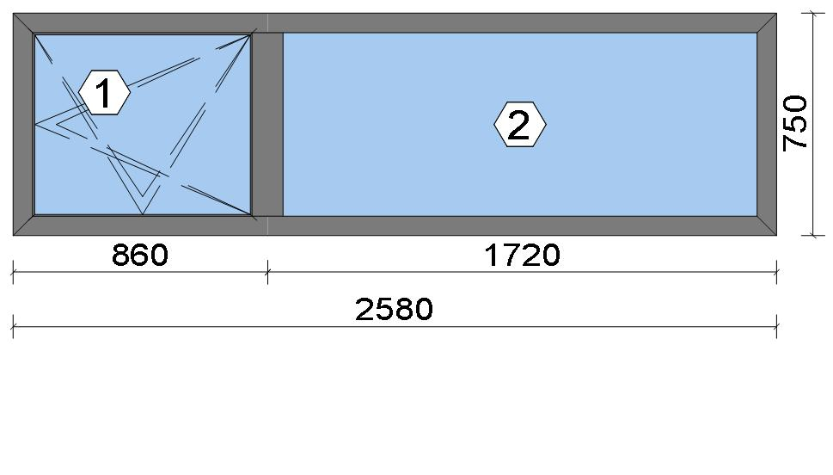
 |  |  |  |  |  |  |  |  |  |  |  |  |  |  |  |  | Position: WG.04 Quantity: 1 pcs System: Cortizo COR 70 HO HI HI + Gasket Outside Size: 2,580 mm x 750 mm Scale: 1: 34 / Exterior view Finish: Special 1 Powder Coating 7037CM Dusty grey Special 1 Powder Coating
Stated quantities refer to one position each.
Profiles
Description |  |  |  |  |  |  |  |  | Finish |  |  |  | Number |  |  |  |  |  | Length [mm] |  |  | Quantity [Pcs.] |  |  |  | Weight [kg] |  |  |  | Price [£]

46 mm window sash |  |  |  |  |  |  |  |  | Special 1 Powder Coating 7037CM |  |  |  | 7906 |  |  |  |  |  | 707.0 |  |  | 2 |  |  |  | 1.84 |  |  |  | *12.22
46 mm window sash |  |  |  |  |  |  |  |  | Special 1 Powder Coating 7037CM |  |  |  | 7906 |  |  |  |  |  | 830.6 |  |  | 2 |  |  |  | 2.16 |  |  |  | *14.35
Hidden Sash frame HI |  |  |  |  |  |  |  |  | Special 1 Powder Coating 7037CM |  |  |  | 7910 |  |  |  |  |  | 750.0 |  |  | 2 |  |  |  | 2.05 |  |  |  | *14.29
Hidden Sash frame HI |  |  |  |  |  |  |  |  | Special 1 Powder Coating 7037CM |  |  |  | 7910 |  |  |  |  |  | 2,580.0 |  |  | 2 |  |  |  | 7.06 |  |  |  | *49.16
Hidden sash symmetrical transom HI |  |  |  |  |  |  |  |  | Special 1 Powder Coating 7037CM |  |  |  | 8182 |  |  |  |  |  | 704.6 |  |  | 1 |  |  |  | 1.16 |  |  |  | *7.98
Total: |  |  |  |  |  |  |  |  |  |  |  |  |  |  |  |  |  |  |  |  |  |  |  |  |  | 14.27 |  |  |  | 97.99
The marked (*) prices include colour/finish.

Glazing Beads
Description |  |  |  |  |  |  |  |  | Finish |  |  |  | Number |  |  |  |  |  | Length [mm] |  |  | Quantity [Pcs.] |  |  |  | Weight [kg] |  |  |  | Price [£]

Hidden sash outside beading - Black |  |  |  |  |  |  |  |  | gris |  |  |  | 7188 |  |  |  |  |  | 649.6 |  |  | 2 |  |  |  | 0.19 |  |  |  | *2.30
Hidden sash outside beading - Black |  |  |  |  |  |  |  |  | gris |  |  |  | 7188 |  |  |  |  |  | 773.2 |  |  | 2 |  |  |  | 0.23 |  |  |  | *2.73
18 mm beading for fixed part - Hidden Sash |  |  |  |  |  |  |  |  | Special 1 Powder Coating 7037CM |  |  |  | 7098 |  |  |  |  |  | 624.8 |  |  | 2 |  |  |  | 0.52 |  |  |  | *2.62
18 mm beading for fixed part - Hidden Sash |  |  |  |  |  |  |  |  | Special 1 Powder Coating 7037CM |  |  |  | 7098 |  |  |  |  |  | 1,679.2 |  |  | 2 |  |  |  | 1.39 |  |  |  | *7.05
Total: |  |  |  |  |  |  |  |  |  |  |  |  |  |  |  |  |  |  |  |  |  |  |  |  |  | 2.33 |  |  |  | 14.70

 |  |  |  |  | Logikal 12.6 - ORGADATA AG , Am Nesseufer 14, 26789 Leer, Germany, +49 491 92782-500
 |  |  |  |  |  |  |  |  |  |  | Page: 44 from 81

 |  |  |  |  | Please check all results for plausibility. We do not take responsibility for any errors.

 | Estimation |  |  |  |  |  |  |  |  |  |  |  |  |  | Date: |  |  | 15/10/2026 / 16:37
 |  |  |  |  |  |  |  |  |  |  |  |  |  |  | Project: |  |  | Birch Hollow

Accessories
Description |  |  |  |  |  |  |  |  |  |  |  |  |  |  |  |  |  |  |  | Number |  |  |  | Quantity |  |  |  |  | Price [£]

Alignment cleat |  |  |  |  |  |  |  |  |  |  |  |  |  |  |  |  |  |  |  | 287311 |  |  |  | 4 pc |  |  |  |  | 2.07
Round teton cleat |  |  |  |  |  |  |  |  |  |  |  |  |  |  |  |  |  |  |  | 327921 |  |  |  | 8 pc |  |  |  |  | 4.83
Mechanical cleat |  |  |  |  |  |  |  |  |  |  |  |  |  |  |  |  |  |  |  | 347922 |  |  |  | 4 pc |  |  |  |  | 2.38
HI central gasket vulcanised angle |  |  |  |  |  |  |  |  |  |  |  |  |  |  |  |  |  |  |  | 407900 |  |  |  | 4 pc |  |  |  |  | 3.23
T-joint alignment cleat |  |  |  |  |  |  |  |  |  |  |  |  |  |  |  |  |  |  |  | 408150 |  |  |  | 4 pc |  |  |  |  | 1.73
Transom joint for COR-8181 |  |  |  |  |  |  |  |  |  |  |  |  |  |  |  |  |  |  |  | 418181 |  |  |  | 2 pc |  |  |  |  | 1.14
Drainage cover |  |  |  |  |  |  |  |  |  |  |  |  |  |  |  |  |  |  |  | 920104 |  |  |  | 5 pc |  |  |  |  | 0.72
Alignment Cleat |  |  |  |  |  |  |  |  |  |  |  |  |  |  |  |  |  |  |  | 217003 |  |  |  | 4 pc |  |  |  |  | 0.71
Injection cleat |  |  |  |  |  |  |  |  |  |  |  |  |  |  |  |  |  |  |  | 248220 |  |  |  | 4 pc |  |  |  |  | 2.38
Cor-7906 sash wedge |  |  |  |  |  |  |  |  |  |  |  |  |  |  |  |  |  |  |  | 347906 |  |  |  | 6 pc |  |  |  |  | 5.46
Fixed light glazing wedge |  |  |  |  |  |  |  |  |  |  |  |  |  |  |  |  |  |  |  | 407980 |  |  |  | 4 pc |  |  |  |  | 1.90
Total: |  |  |  |  |  |  |  |  |  |  |  |  |  |  |  |  |  |  |  |  |  |  |  |  |  |  |  |  | 26.56

Hardware
Description |  |  |  |  |  |  |  |  |  |  |  |  |  |  |  |  |  |  |  | Number |  |  |  | Quantity |  |  |  |  | Price [£]

Edge handles SKG with key |  |  |  |  |  |  |  |  |  |  |  |  |  |  |  |  |  |  |  | 432067 |  |  |  | 1 pc |  |  |  |  | 21.84
100 mm plastic connection rod with 50 mm notching / Above Handle |  |  |  |  |  |  |  |  |  |  |  |  |  |  |  |  |  |  |  | 432301 |  |  |  | 1 pc |  |  |  |  | 0.73
100 mm plastic connection rod with 50 mm notching / Below Handle |  |  |  |  |  |  |  |  |  |  |  |  |  |  |  |  |  |  |  | 432301 |  |  |  | 1 pc |  |  |  |  | 0.73
250 mm plastic connecting rod with 50 mm notching / Top Rail |  |  |  |  |  |  |  |  |  |  |  |  |  |  |  |  |  |  |  | 432307 |  |  |  | 1 pc |  |  |  |  | 1.11
Frame strike / Corner Handle Side Top |  |  |  |  |  |  |  |  |  |  |  |  |  |  |  |  |  |  |  | 432316 |  |  |  | 1 pc |  |  |  |  | 1.11
Large stay Invision Go concealed hinges set (Fb=671-1300) Ri / Top Rail |  |  |  |  |  |  |  |  |  |  |  |  |  |  |  |  |  |  |  | 432321 |  |  |  | 1 pc |  |  |  |  | 36.33
Tilt and turn base set / Handle side |  |  |  |  |  |  |  |  |  |  |  |  |  |  |  |  |  |  |  | 432332 |  |  |  | 1 pc |  |  |  |  | 10.07
Transmission box |  |  |  |  |  |  |  |  |  |  |  |  |  |  |  |  |  |  |  | 432345 |  |  |  | 1 pc |  |  |  |  | 9.84
Total: |  |  |  |  |  |  |  |  |  |  |  |  |  |  |  |  |  |  |  |  |  |  |  |  |  |  |  |  | 81.77

Gaskets
Description |  |  |  |  |  |  |  |  |  |  |  |  |  |  |  |  |  |  |  | Number |  |  |  | Quantity [m] |  |  |  |  | Price [£]

Insulating foam of 40 mm x 5 mm |  |  |  |  |  |  |  |  |  |  |  |  |  |  |  |  |  |  |  | 320023 |  |  |  | 6.86 |  |  |  |  | 3.03
Joint central HI |  |  |  |  |  |  |  |  |  |  |  |  |  |  |  |  |  |  |  | 407901 |  |  |  | 3.12 |  |  |  |  | 5.01
Inner gasket |  |  |  |  |  |  |  |  |  |  |  |  |  |  |  |  |  |  |  | 223010 |  |  |  | 3.17 |  |  |  |  | 0.97
Outer gasket |  |  |  |  |  |  |  |  |  |  |  |  |  |  |  |  |  |  |  | 237202 |  |  |  | 2.75 |  |  |  |  | 0.49
35 x 3 mm isolation foam |  |  |  |  |  |  |  |  |  |  |  |  |  |  |  |  |  |  |  | 343503 |  |  |  | 2.93 |  |  |  |  | 0.35
Frame groove cap gasket |  |  |  |  |  |  |  |  |  |  |  |  |  |  |  |  |  |  |  | 455740 |  |  |  | 3.17 |  |  |  |  | 1.05
Glazing outer gasket 3,6 mm |  |  |  |  |  |  |  |  |  |  |  |  |  |  |  |  |  |  |  | 240124 |  |  |  | 4.57 |  |  |  |  | 1.67
Glazing inner gasket 4 mm |  |  |  |  |  |  |  |  |  |  |  |  |  |  |  |  |  |  |  | 240135 |  |  |  | 4.60 |  |  |  |  | 2.35
45 mm x 10 mm isolation foam |  |  |  |  |  |  |  |  |  |  |  |  |  |  |  |  |  |  |  | 334616 |  |  |  | 9.49 |  |  |  |  | 6.70
Total: |  |  |  |  |  |  |  |  |  |  |  |  |  |  |  |  |  |  |  |  |  |  |  |  |  |  |  |  | 21.62

Glass
Description |  |  |  |  |  |  |  |  |  |  |  |  |  | Area [m²] |  |  |  |  |  | Dimension [mm] |  |  |  | Quantity [Pcs.] |  |  |  |  | Price [£]

4mm TG TGH STD, 40 mm |  |  |  |  |  |  |  |  |  |  |  |  |  | 0.47 (0.48) |  |  |  |  |  | 753 x 630 |  |  |  | 1 |  |  |  |  | 49.71
4mm TG TGH STD, 40 mm |  |  |  |  |  |  |  |  |  |  |  |  |  | 1.07 (1.08) |  |  |  |  |  | 1,636 x 653 |  |  |  | 1 |  |  |  |  | 112.39
Total: |  |  |  |  |  |  |  |  |  |  |  |  |  | 1.54 (1.56) |  |  |  |  |  |  |  |  |  | 2 |  |  |  |  | 162.10

 |  |  |  |  | Logikal 12.6 - ORGADATA AG , Am Nesseufer 14, 26789 Leer, Germany, +49 491 92782-500
 |  |  |  |  |  |  |  |  |  |  | Page: 45 from 81

 |  |  |  |  | Please check all results for plausibility. We do not take responsibility for any errors.

 | Estimation |  |  |  |  |  |  |  |  |  |  |  |  |  | Date: |  |  | 15/10/2026 / 16:37
 |  |  |  |  |  |  |  |  |  |  |  |  |  |  | Project: |  |  | Birch Hollow

Finish

Description |  |  |  |  |  |  |  |  |  |  |  | Price [£/m²] |  |  |  |  |  |  |  | Quantity [m²] |  |  |  |  |  |  | Total [£]

 |  |  |  |  |  |  |  | Special 1 Powder Coating 7037CM |  |  |  | 3.19 |  |  |  |  |  |  |  | 6.250 |  |  |  |  |  |  | 19.94
Total |  |  |  |  |  |  |  |  |  |  |  |  |  |  |  |  |  |  |  | 6.250 |  |  |  |  |  |  | 19.94

Discount group

Description |  |  |  |  |  |  |  |  |  | Profiles [kg] |  |  |  |  |  | Profiles [£] |  |  |  |  | Accessories [£] |  |  |  |  |  |  | Hardware [£]

Cortizo 1 |  |  |  |  |  |  |  |  |  | 1.904 |  |  |  |  |  | 9.67
Cortizo 2 |  |  |  |  |  |  |  |  |  | 14.275 |  |  |  |  |  | 97.99
Cortizo ACCESORIO |  |  |  |  |  |  |  |  |  |  |  |  |  |  |  |  |  |  |  |  | 48.18 |  |  |  |  |  |  | 81.77
Cortizo PROFILE |  |  |  |  |  |  |  |  |  |  |  |  |  |  |  | 5.03
Total: |  |  |  |  |  |  |  |  |  | 16.179 |  |  |  |  |  | 112.70 |  |  |  |  | 48.18 |  |  |  |  |  |  | 81.77

Summary
Description |  |  |  |  |  |  |  |  |  |  |  |  |  |  |  |  |  |  |  |  |  |  |  |  | [£]
Profiles incl. Coating |  |  |  |  |  |  |  |  |  |  |  |  |  |  |  |  |  |  |  |  |  |  |  |  | 112.70
Finish |  |  |  |  |  |  |  |  |  |  |  |  |  |  |  |  |  |  |  |  |  |  |  |  | 19.94
Accessories |  |  |  |  |  |  |  |  |  |  |  |  |  |  |  |  |  |  |  |  |  |  |  |  | 26.56
Hardware |  |  |  |  |  |  |  |  |  |  |  |  |  |  |  |  |  |  |  |  |  |  |  |  | 81.77
Gaskets |  |  |  |  |  |  |  |  |  |  |  |  |  |  |  |  |  |  |  |  |  |  |  |  | 21.62
Small materials |  |  |  |  |  |  |  |  |  |  |  |  |  |  |  |  |  |  |  |  |  |  |  |  | 0.00
Total Material |  |  |  |  |  |  |  |  |  |  |  |  |  |  |  |  |  |  |  |  |  |  |  |  | 262.59

Glass |  |  |  |  |  |  |  |  |  |  |  |  |  |  |  |  |  |  |  |  |  |  |  |  | 162.10
Insertion Costs Glass |  |  |  |  |  |  |  |  |  |  |  |  |  |  |  |  |  |  |  |  |  |  |  |  | 0.00
Insertion Costs Panel |  |  |  |  |  |  |  |  |  |  |  |  |  |  |  |  |  |  |  |  |  |  |  |  | 0.00
Total Glass |  |  |  |  |  |  |  |  |  |  |  |  |  |  |  |  |  |  |  |  |  |  |  |  | 162.10

Outer frame corner |  |  |  |  |  |  |  |  |  |  |  |  |  |  |  |  | 100 min @ 25.00 £/h |  |  |  |  |  |  |  | 41.67
Sash Corners |  |  |  |  |  |  |  |  |  |  |  |  |  |  |  |  | 172 min @ 25.00 £/h |  |  |  |  |  |  |  | 71.67
T-Junction |  |  |  |  |  |  |  |  |  |  |  |  |  |  |  |  | 90 min @ 25.00 £/h |  |  |  |  |  |  |  | 37.50
Installation |  |  |  |  |  |  |  |  |  |  |  |  |  |  |  |  | 0 min @ 25.00 £/h |  |  |  |  |  |  |  | 0.00
Total Wages |  |  |  |  |  |  |  |  |  |  |  |  |  |  |  |  |  |  |  |  |  |  |  |  | 150.84

Extra costs |  |  |  |  |  |  |  |  |  |  |  |  |  |  |  |  |  |  |  |  |  |  |  |  | 0.00
Net Total |  |  |  |  |  |  |  |  |  |  |  |  |  |  |  |  |  |  |  |  |  |  |  |  | 575.53

Total Costs |  |  |  |  |  |  |  |  |  |  |  |  |  |  |  |  |  |  |  |  |  |  |  |  | 575.53

Profit on material |  |  |  |  |  |  |  |  |  |  |  |  |  |  |  |  | 0.0 % |  |  |  |  |  |  |  | 0.00
Profit on glass purchase |  |  |  |  |  |  |  |  |  |  |  |  |  |  |  |  | 0.0 % |  |  |  |  |  |  |  | 0.00
Profit on wages |  |  |  |  |  |  |  |  |  |  |  |  |  |  |  |  | 0.0 % |  |  |  |  |  |  |  | 0.00
Profit on other costs |  |  |  |  |  |  |  |  |  |  |  |  |  |  |  |  | 0.0 % |  |  |  |  |  |  |  | 0.00
Estimated price |  |  |  |  |  |  |  |  |  |  |  |  |  |  |  |  |  |  |  |  |  |  |  |  | 575.53

Position area: |  |  |  |  |  |  |  |  |  |  |  |  |  |  |  |  |  |  |  |  |  |  |  |  | 1.94 m²
Estimated price / m² |  |  |  |  |  |  |  |  |  |  |  |  |  |  |  |  |  |  |  |  |  |  |  |  | 297.43 £
Weight / Profiles |  |  |  |  |  |  |  |  |  |  |  |  |  |  |  |  |  |  |  |  |  |  |  |  | 18.60 kg
Weight / Glass |  |  |  |  |  |  |  |  |  |  |  |  |  |  |  |  |  |  |  |  |  |  |  |  | 46.27 kg
Weight for estimation |  |  |  |  |  |  |  |  |  |  |  |  |  |  |  |  |  |  |  |  |  |  |  |  | 64.87 kg

 |  |  |  |  | Logikal 12.6 - ORGADATA AG , Am Nesseufer 14, 26789 Leer, Germany, +49 491 92782-500
 |  |  |  |  |  |  |  |  |  |  | Page: 46 from 81

 |  |  |  |  | Please check all results for plausibility. We do not take responsibility for any errors.

 | Estimation |  |  |  |  |  |  |  |  |  |  |  |  |  | Date: |  |  | 15/10/2026 / 16:37
 |  |  |  |  |  |  |  |  |  |  |  |  |  |  | Project: |  |  | Birch Hollow

 |  |  |  |  |  |  |  |  |  |  |  |  |  |  |  |  | Person in charge: Estimation data: Directory: |  |  |  |  |  | Administrator CORTIZO - September 2026 QUOTES\B\

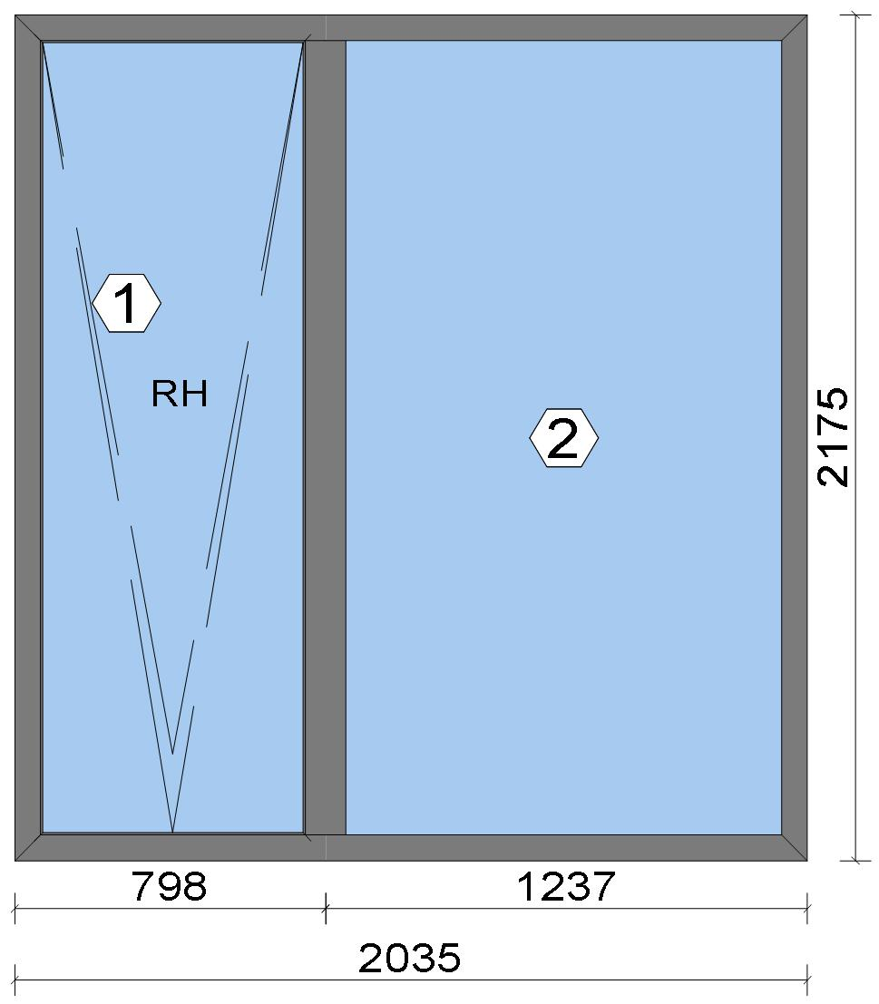
 |  |  |  |  |  |  |  |  |  |  |  |  |  |  |  |  | Position: WG.05 Quantity: 1 pcs System: Cortizo COR 70 HO HI HI + Gasket Outside Size: 2,035 mm x 2,175 mm Scale: 1: 27 / Exterior view Finish: Special 1 Powder Coating 7037CM Dusty grey Special 1 Powder Coating
Stated quantities refer to one position each.

Warning!:

The current height is greater than the maximum allowed height (1800 mm) of the sash profile!

Profiles
Description |  |  |  |  |  |  |  |  | Finish |  |  |  | Number |  |  |  |  |  | Length [mm] |  |  | Quantity [Pcs.] |  |  |  | Weight [kg] |  |  |  | Price [£]

46 mm window sash |  |  |  |  |  |  |  |  | Special 1 Powder Coating 7037CM |  |  |  | 7906 |  |  |  |  |  | 2,132.0 |  |  | 2 |  |  |  | 5.55 |  |  |  | *36.84
46 mm window sash |  |  |  |  |  |  |  |  | Special 1 Powder Coating 7037CM |  |  |  | 7906 |  |  |  |  |  | 768.6 |  |  | 2 |  |  |  | 2.00 |  |  |  | *13.28
Hidden Sash frame HI |  |  |  |  |  |  |  |  | Special 1 Powder Coating 7037CM |  |  |  | 7910 |  |  |  |  |  | 2,175.0 |  |  | 2 |  |  |  | 5.95 |  |  |  | *41.44
Hidden Sash frame HI |  |  |  |  |  |  |  |  | Special 1 Powder Coating 7037CM |  |  |  | 7910 |  |  |  |  |  | 2,035.0 |  |  | 2 |  |  |  | 5.57 |  |  |  | *38.77
Hidden sash symmetrical transom HI |  |  |  |  |  |  |  |  | Special 1 Powder Coating 7037CM |  |  |  | 8182 |  |  |  |  |  | 2,129.6 |  |  | 1 |  |  |  | 3.50 |  |  |  | *24.12
Total: |  |  |  |  |  |  |  |  |  |  |  |  |  |  |  |  |  |  |  |  |  |  |  |  |  | 22.57 |  |  |  | 154.45
The marked (*) prices include colour/finish.

 |  |  |  |  | Logikal 12.6 - ORGADATA AG , Am Nesseufer 14, 26789 Leer, Germany, +49 491 92782-500
 |  |  |  |  |  |  |  |  |  |  | Page: 47 from 81

 |  |  |  |  | Please check all results for plausibility. We do not take responsibility for any errors.

 | Estimation |  |  |  |  |  |  |  |  |  |  |  |  |  | Date: |  |  | 15/10/2026 / 16:37
 |  |  |  |  |  |  |  |  |  |  |  |  |  |  | Project: |  |  | Birch Hollow

Glazing Beads
Description |  |  |  |  |  |  |  |  | Finish |  |  |  | Number |  |  |  |  |  | Length [mm] |  |  | Quantity [Pcs.] |  |  |  | Weight [kg] |  |  |  | Price [£]

Hidden sash outside beading - Black |  |  |  |  |  |  |  |  | gris |  |  |  | 7188 |  |  |  |  |  | 2,074.6 |  |  | 2 |  |  |  | 0.62 |  |  |  | *7.34
Hidden sash outside beading - Black |  |  |  |  |  |  |  |  | gris |  |  |  | 7188 |  |  |  |  |  | 711.2 |  |  | 2 |  |  |  | 0.21 |  |  |  | *2.51
18 mm beading for fixed part - Hidden Sash |  |  |  |  |  |  |  |  | Special 1 Powder Coating 7037CM |  |  |  | 7098 |  |  |  |  |  | 2,049.8 |  |  | 2 |  |  |  | 1.69 |  |  |  | *8.60
18 mm beading for fixed part - Hidden Sash |  |  |  |  |  |  |  |  | Special 1 Powder Coating 7037CM |  |  |  | 7098 |  |  |  |  |  | 1,196.2 |  |  | 2 |  |  |  | 0.99 |  |  |  | *5.02
Total: |  |  |  |  |  |  |  |  |  |  |  |  |  |  |  |  |  |  |  |  |  |  |  |  |  | 3.52 |  |  |  | 23.47

Accessories
Description |  |  |  |  |  |  |  |  |  |  |  |  |  |  |  |  |  |  |  | Number |  |  |  | Quantity |  |  |  |  | Price [£]

Alignment cleat |  |  |  |  |  |  |  |  |  |  |  |  |  |  |  |  |  |  |  | 287311 |  |  |  | 4 pc |  |  |  |  | 2.07
Round teton cleat |  |  |  |  |  |  |  |  |  |  |  |  |  |  |  |  |  |  |  | 327921 |  |  |  | 8 pc |  |  |  |  | 4.83
Mechanical cleat |  |  |  |  |  |  |  |  |  |  |  |  |  |  |  |  |  |  |  | 347922 |  |  |  | 4 pc |  |  |  |  | 2.38
HI central gasket vulcanised angle |  |  |  |  |  |  |  |  |  |  |  |  |  |  |  |  |  |  |  | 407900 |  |  |  | 4 pc |  |  |  |  | 3.23
T-joint alignment cleat |  |  |  |  |  |  |  |  |  |  |  |  |  |  |  |  |  |  |  | 408150 |  |  |  | 4 pc |  |  |  |  | 1.73
Transom joint for COR-8181 |  |  |  |  |  |  |  |  |  |  |  |  |  |  |  |  |  |  |  | 418181 |  |  |  | 2 pc |  |  |  |  | 1.14
Drainage cover |  |  |  |  |  |  |  |  |  |  |  |  |  |  |  |  |  |  |  | 920104 |  |  |  | 5 pc |  |  |  |  | 0.72
Alignment Cleat |  |  |  |  |  |  |  |  |  |  |  |  |  |  |  |  |  |  |  | 217003 |  |  |  | 4 pc |  |  |  |  | 0.71
Injection cleat |  |  |  |  |  |  |  |  |  |  |  |  |  |  |  |  |  |  |  | 248220 |  |  |  | 4 pc |  |  |  |  | 2.38
Cor-7906 sash wedge |  |  |  |  |  |  |  |  |  |  |  |  |  |  |  |  |  |  |  | 347906 |  |  |  | 8 pc |  |  |  |  | 7.28
Fixed light glazing wedge |  |  |  |  |  |  |  |  |  |  |  |  |  |  |  |  |  |  |  | 407980 |  |  |  | 4 pc |  |  |  |  | 1.90
Total: |  |  |  |  |  |  |  |  |  |  |  |  |  |  |  |  |  |  |  |  |  |  |  |  |  |  |  |  | 28.38

Hardware
Description |  |  |  |  |  |  |  |  |  |  |  |  |  |  |  |  |  |  |  | Number |  |  |  | Quantity |  |  |  |  | Price [£]

Tilt restrictor friction stay |  |  |  |  |  |  |  |  |  |  |  |  |  |  |  |  |  |  |  | 432034 |  |  |  | 1 pc |  |  |  |  | 10.52
Edge handles SKG with key |  |  |  |  |  |  |  |  |  |  |  |  |  |  |  |  |  |  |  | 432067 |  |  |  | 1 pc |  |  |  |  | 21.84
90 kg tilt concealed hinges set / Bottom Rail |  |  |  |  |  |  |  |  |  |  |  |  |  |  |  |  |  |  |  | 432152 |  |  |  | 1 pc |  |  |  |  | 38.02
Base set with vertically fitted handle with asti slam shut |  |  |  |  |  |  |  |  |  |  |  |  |  |  |  |  |  |  |  | 432193 |  |  |  | 1 pc |  |  |  |  | 25.89
100 mm plastic connection rod with 50 mm notching / Above Handle |  |  |  |  |  |  |  |  |  |  |  |  |  |  |  |  |  |  |  | 432301 |  |  |  | 1 pc |  |  |  |  | 0.73
100 mm plastic connection rod with 50 mm notching / Below Handle |  |  |  |  |  |  |  |  |  |  |  |  |  |  |  |  |  |  |  | 432301 |  |  |  | 1 pc |  |  |  |  | 0.73
150 mm plastic connection rod with 50 mm notching / Top Rail |  |  |  |  |  |  |  |  |  |  |  |  |  |  |  |  |  |  |  | 432303 |  |  |  | 1 pc |  |  |  |  | 0.87
160 mm plastic connection rod with 50 mm notching / Top Rail |  |  |  |  |  |  |  |  |  |  |  |  |  |  |  |  |  |  |  | 432304 |  |  |  | 1 pc |  |  |  |  | 0.94
365 mm plastic connecting rod with 50 mm notching / Below Handle |  |  |  |  |  |  |  |  |  |  |  |  |  |  |  |  |  |  |  | 432310 |  |  |  | 1 pc |  |  |  |  | 1.26
365 mm plastic connecting rod with 50 mm notching / Lateral |  |  |  |  |  |  |  |  |  |  |  |  |  |  |  |  |  |  |  | 432310 |  |  |  | 4 pc |  |  |  |  | 5.03
365 mm plastic connecting rod with 50 mm notching / Above Handle |  |  |  |  |  |  |  |  |  |  |  |  |  |  |  |  |  |  |  | 432310 |  |  |  | 1 pc |  |  |  |  | 1.26
365 mm plastic connecting rod with 50 mm notching / Below Handle |  |  |  |  |  |  |  |  |  |  |  |  |  |  |  |  |  |  |  | 432310 |  |  |  | 2 pc |  |  |  |  | 2.52
Frame strike / Top Rail |  |  |  |  |  |  |  |  |  |  |  |  |  |  |  |  |  |  |  | 432316 |  |  |  | 1 pc |  |  |  |  | 1.11
Frame strike / Top Rail |  |  |  |  |  |  |  |  |  |  |  |  |  |  |  |  |  |  |  | 432316 |  |  |  | 1 pc |  |  |  |  | 1.11
Frame strike / Top Rail |  |  |  |  |  |  |  |  |  |  |  |  |  |  |  |  |  |  |  | 432316 |  |  |  | 1 pc |  |  |  |  | 1.11

 |  |  |  |  | Logikal 12.6 - ORGADATA AG , Am Nesseufer 14, 26789 Leer, Germany, +49 491 92782-500
 |  |  |  |  |  |  |  |  |  |  | Page: 48 from 81

 |  |  |  |  | Please check all results for plausibility. We do not take responsibility for any errors.

 | Estimation |  |  |  |  |  |  |  |  |  |  |  |  |  | Date: |  |  | 15/10/2026 / 16:37
 |  |  |  |  |  |  |  |  |  |  |  |  |  |  | Project: |  |  | Birch Hollow

Description |  |  |  |  |  |  |  |  |  |  |  |  |  |  |  |  |  |  |  | Number |  |  |  | Quantity |  |  |  |  | Price [£]

Frame strike / Top Rail |  |  |  |  |  |  |  |  |  |  |  |  |  |  |  |  |  |  |  | 432316 |  |  |  | 1 pc |  |  |  |  | 1.11
Frame strike / Top Rail |  |  |  |  |  |  |  |  |  |  |  |  |  |  |  |  |  |  |  | 432316 |  |  |  | 1 pc |  |  |  |  | 1.11
Frame strike / Top Rail |  |  |  |  |  |  |  |  |  |  |  |  |  |  |  |  |  |  |  | 432316 |  |  |  | 1 pc |  |  |  |  | 1.11
Transmission box |  |  |  |  |  |  |  |  |  |  |  |  |  |  |  |  |  |  |  | 432345 |  |  |  | 1 pc |  |  |  |  | 9.84
Total: |  |  |  |  |  |  |  |  |  |  |  |  |  |  |  |  |  |  |  |  |  |  |  |  |  |  |  |  | 126.12

Gaskets
Description |  |  |  |  |  |  |  |  |  |  |  |  |  |  |  |  |  |  |  | Number |  |  |  | Quantity [m] |  |  |  |  | Price [£]

Insulating foam of 40 mm x 5 mm |  |  |  |  |  |  |  |  |  |  |  |  |  |  |  |  |  |  |  | 320023 |  |  |  | 8.67 |  |  |  |  | 3.83
Joint central HI |  |  |  |  |  |  |  |  |  |  |  |  |  |  |  |  |  |  |  | 407901 |  |  |  | 5.93 |  |  |  |  | 9.52
Inner gasket |  |  |  |  |  |  |  |  |  |  |  |  |  |  |  |  |  |  |  | 223010 |  |  |  | 5.98 |  |  |  |  | 1.83
Outer gasket |  |  |  |  |  |  |  |  |  |  |  |  |  |  |  |  |  |  |  | 237202 |  |  |  | 5.56 |  |  |  |  | 0.99
35 x 3 mm isolation foam |  |  |  |  |  |  |  |  |  |  |  |  |  |  |  |  |  |  |  | 343503 |  |  |  | 5.74 |  |  |  |  | 0.68
Frame groove cap gasket |  |  |  |  |  |  |  |  |  |  |  |  |  |  |  |  |  |  |  | 455740 |  |  |  | 5.98 |  |  |  |  | 1.98
Glazing outer gasket 3,6 mm |  |  |  |  |  |  |  |  |  |  |  |  |  |  |  |  |  |  |  | 240124 |  |  |  | 6.51 |  |  |  |  | 2.38
Glazing inner gasket 4 mm |  |  |  |  |  |  |  |  |  |  |  |  |  |  |  |  |  |  |  | 240135 |  |  |  | 6.54 |  |  |  |  | 3.34
45 mm x 10 mm isolation foam |  |  |  |  |  |  |  |  |  |  |  |  |  |  |  |  |  |  |  | 334616 |  |  |  | 13.37 |  |  |  |  | 9.44
Total: |  |  |  |  |  |  |  |  |  |  |  |  |  |  |  |  |  |  |  |  |  |  |  |  |  |  |  |  | 33.99

Glass
Description |  |  |  |  |  |  |  |  |  |  |  |  |  | Area [m²] |  |  |  |  |  | Dimension [mm] |  |  |  | Quantity [Pcs.] |  |  |  |  | Price [£]
...
 | Estimation
...
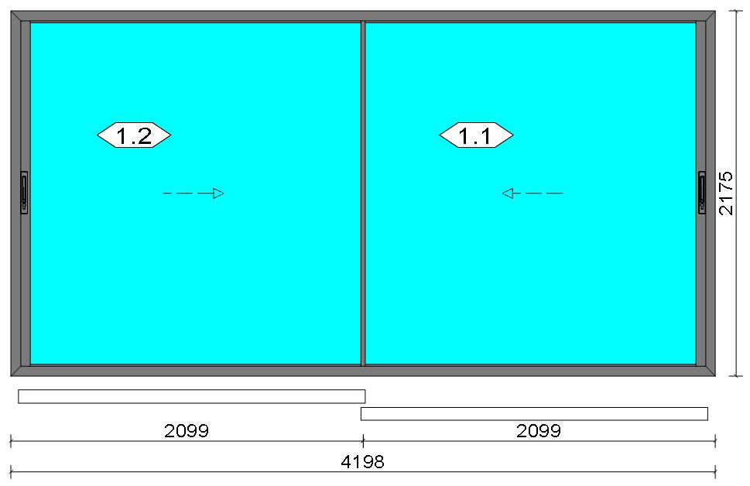
...
Stated quantities refer to one position each.
Profiles
Description |  |  |  |  |  |  |  |  | Finish |  |  |  | Number

Channel cover |  |  |  |  |  |  |  |  | Lacado standard 9011CM |  |  |  | 15919
Channel cover |  |  |  |  |  |  |  |  | Lacado standard 9011CM |  |  |  | 15919
Polyamide espagnolette |  |  |  |  |  |  |  |  | COR_MILL FINISH |  |  |  | 2130
Polyamide espagnolette |  |  |  |  |  |  |  |  | COR_MILL FINISH |  |  |  | 2130
Polyamide espagnolette |  |  |  |  |  |  |  |  | COR_MILL FINISH |  |  |  | 2130
Railing, Steel |  |  |  |  |  |  |  |  | COR_MILL FINISH |  |  |  | 4811
Running sash |  |  |  |  |  |  |  |  | Special 1 Powder Coating 7037CM |  |  |  | 4820
Intersection sash |  |  |  |  |  |  |  |  | Special 1 Powder Coating 7037CM |  |  |  | 4825
...
 | Estimation
...
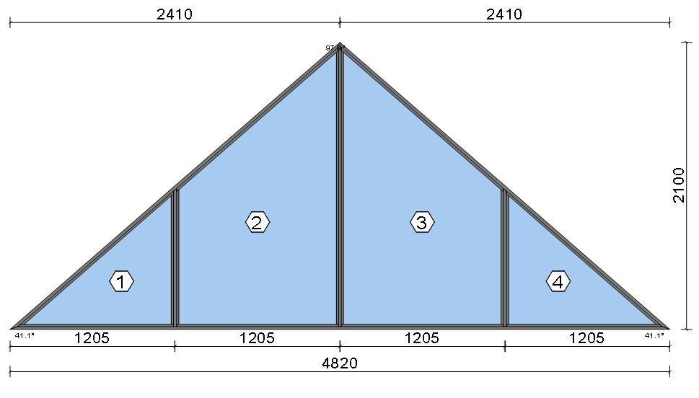
...
Stated quantities refer to one position each.
Profiles
Description |  |  |  |  |  |  |  |  | Finish |  |  |  | Number

Window frame HI |  |  |  |  |  |  |  |  | Special 1 Powder Coating 7037CM |  |  |  | 3831
Window frame HI |  |  |  |  |  |  |  |  | Special 1 Powder Coating 7037CM |  |  |  | 3831
Window frame HI |  |  |  |  |  |  |  |  | Special 1 Powder Coating 7037CM |  |  |  | 3831
Transom 60 mm HI |  |  |  |  |  |  |  |  | Special 1 Powder Coating 7037CM |  |  |  | 3851
Transom 60 mm HI |  |  |  |  |  |  |  |  | Special 1 Powder Coating 7037CM |  |  |  | 3851
Transom 60 mm HI |  |  |  |  |  |  |  |  | Special 1 Powder Coating 7037CM |  |  |  | 3851
Total:
The marked (*) prices include colour/finish.
...
 | Estimation
...
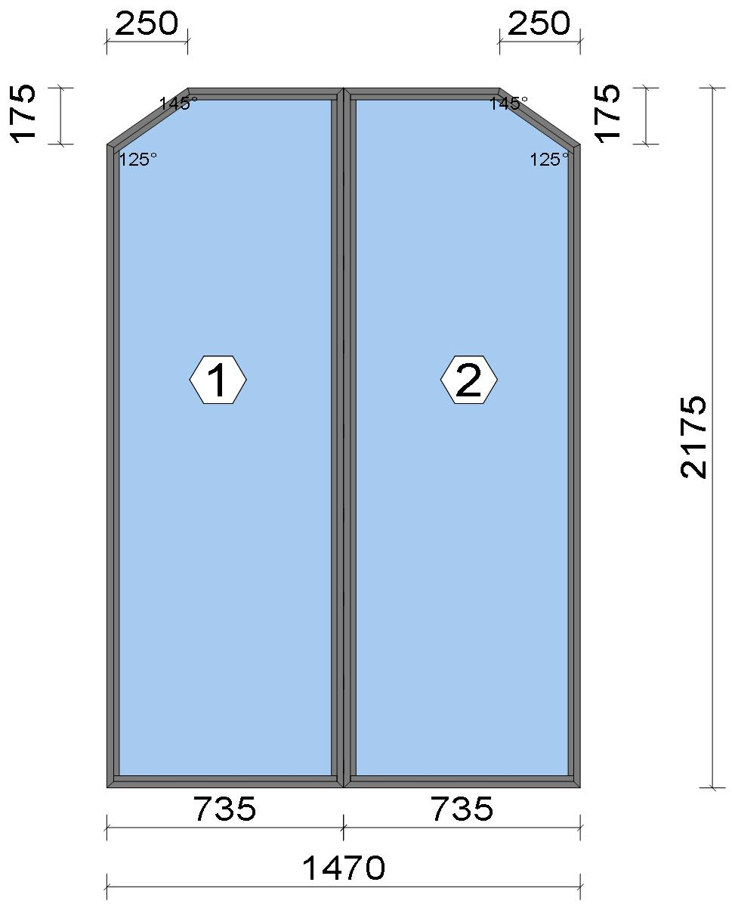
Stated quantities refer to one position each.
Profiles
Description |  |  |  |  |  |  |  |  | Finish |  |  |  | Number

Window frame HI |  |  |  |  |  |  |  |  | Special 1 Powder Coating 7037CM |  |  |  | 3831
Window frame HI |  |  |  |  |  |  |  |  | Special 1 Powder Coating 7037CM |  |  |  | 3831
Window frame HI |  |  |  |  |  |  |  |  | Special 1 Powder Coating 7037CM |  |  |  | 3831
Window frame HI |  |  |  |  |  |  |  |  | Special 1 Powder Coating 7037CM |  |  |  | 3831
Window frame HI |  |  |  |  |  |  |  |  | Special 1 Powder Coating 7037CM |  |  |  | 3831
Window frame HI |  |  |  |  |  |  |  |  | Special 1 Powder Coating 7037CM |  |  |  | 3831
Window frame HI |  |  |  |  |  |  |  |  | Special 1 Powder Coating 7037CM |  |  |  | 3831

 |  |  |  |  | Logikal 12.6 - ORGADATA AG , Am Nesseufer 14, 26789 Leer, Germany, +49 491 92782-500
 |  |  |  |  |  |  |  |  |  |  | Page: 63 from 81

 |  |  |  |  | Please check all results for plausibility. We do not take responsibility for any errors.

 | Estimation
...
Description |  |  |  |  |  |  |  |  | Finish |  |  |  | Number

Window frame HI |  |  |  |  |  |  |  |  | Special 1 Powder Coating 7037CM |  |  |  | 3831
Total:
...
 | Estimation
...
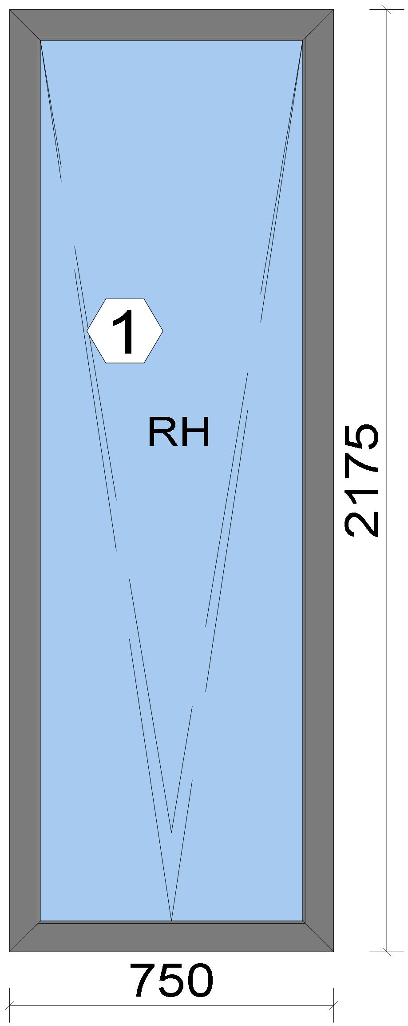
...
Stated quantities refer to one position each.

Warning!:

The current height is greater than the maximum allowed height (1800 mm) of the sash profile!

 |  |  |  |  | Logikal 12.6 - ORGADATA AG , Am Nesseufer 14, 26789 Leer, Germany, +49 491 92782-500
 |  |  |  |  |  |  |  |  |  |  | Page: 67 from 81

 |  |  |  |  | Please check all results for plausibility. We do not take responsibility for any errors.

 | Estimation
...
Profiles
Description |  |  |  |  |  |  |  |  | Finish |  |  |  | Number

46 mm window sash |  |  |  |  |  |  |  |  | Special 1 Powder Coating 7037CM |  |  |  | 7906
46 mm window sash |  |  |  |  |  |  |  |  | Special 1 Powder Coating 7037CM |  |  |  | 7906
Hidden Sash frame HI |  |  |  |  |  |  |  |  | Special 1 Powder Coating 7037CM |  |  |  | 7910
Hidden Sash frame HI |  |  |  |  |  |  |  |  | Special 1 Powder Coating 7037CM |  |  |  | 7910
Total:
The marked (*) prices include colour/finish.

Glazing Beads
Description |  |  |  |  |  |  |  |  | Finish |  |  |  | Number

Hidden sash outside beading - Black |  |  |  |  |  |  |  |  | gris |  |  |  | 7188
Hidden sash outside beading - Black |  |  |  |  |  |  |  |  | gris |  |  |  | 7188
...
 | Estimation
...

...
Stated quantities refer to one position each.

Warning!:

The current height is greater than the maximum allowed height (1800 mm) of the sash profile!

Profiles
Description |  |  |  |  |  |  |  |  | Finish |  |  |  | Number

46 mm window sash |  |  |  |  |  |  |  |  | Special 1 Powder Coating 7037CM |  |  |  | 7906
46 mm window sash |  |  |  |  |  |  |  |  | Special 1 Powder Coating 7037CM |  |  |  | 7906
Hidden Sash frame HI |  |  |  |  |  |  |  |  | Special 1 Powder Coating 7037CM |  |  |  | 7910
Hidden Sash frame HI |  |  |  |  |  |  |  |  | Special 1 Powder Coating 7037CM |  |  |  | 7910
Hidden sash symmetrical transom HI |  |  |  |  |  |  |  |  | Special 1 Powder Coating 7037CM |  |  |  | 8182
Total:
The marked (*) prices include colour/finish.

 |  |  |  |  | Logikal 12.6 - ORGADATA AG , Am Nesseufer 14, 26789 Leer, Germany, +49 491 92782-500
 |  |  |  |  |  |  |  |  |  |  | Page: 71 from 81

 |  |  |  |  | Please check all results for plausibility. We do not take responsibility for any errors.

 | Estimation
...
 | Estimation
...
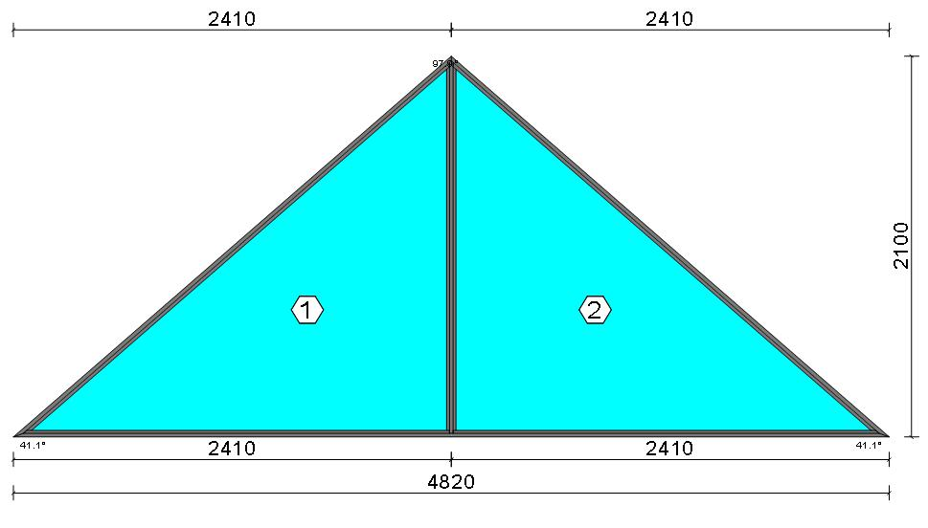
...
Stated quantities refer to one position each.
Profiles
Description |  |  |  |  |  |  |  |  | Finish |  |  |  | Number

Window frame |  |  |  |  |  |  |  |  | Special 1 Powder Coating 7037CM |  |  |  | 3830
Window frame |  |  |  |  |  |  |  |  | Special 1 Powder Coating 7037CM |  |  |  | 3830
Window frame |  |  |  |  |  |  |  |  | Special 1 Powder Coating 7037CM |  |  |  | 3830
Transom 60 mm |  |  |  |  |  |  |  |  | Special 1 Powder Coating 7037CM |  |  |  | 3850
Total:
The marked (*) prices include colour/finish.

Glazing Beads
Description |  |  |  |  |  |  |  |  | Finish |  |  |  | Number

Bead 14 mm |  |  |  |  |  |  |  |  | Special 1 Powder Coating 7037CM |  |  |  | 3811
Bead 14 mm |  |  |  |  |  |  |  |  | Special 1 Powder Coating 7037CM |  |  |  | 3811
Bead 14 mm |  |  |  |  |  |  |  |  | Special 1 Powder Coating 7037CM |  |  |  | 3811
Bead 14 mm |  |  |  |  |  |  |  |  | Special 1 Powder Coating 7037CM |  |  |  | 3811

 |  |  |  |  | Logikal 12.6 - ORGADATA AG , Am Nesseufer 14, 26789 Leer, Germany, +49 491 92782-500
 |  |  |  |  |  |  |  |  |  |  | Page: 75 from 81
...
 |  |  |  |  | Please check all results for plausibility. We do not take responsibility for any errors.

 | Estimation
...
Note: |  |  |  |  |  | Errors occurred during this estimation which may cause incorrect results. Please check all printouts of each single position.

Position |  |  |  |  |  | Element
 |  |  | DG.01 |  |  | Fixed field
 |  |  | DG.02 |  |  | Window Element
 |  |  | DG.03 |  |  | Window Element
 |  |  | DG.04 |  |  | Window Element
 |  |  | DG.05 |  |  | Sliding door
 |  |  | DG.05B |  |  | Fixed field
 |  |  | DG.06 |  |  | Sliding door
 |  |  | DG.07 |  |  | Folding system
 |  |  | DG.08
 |  |  | WG.01
 |  |  | WG.02
 |  |  | WG.03
 |  |  | WG.04
 |  |  | WG.05
 |  |  | DF.01
...

